Notes
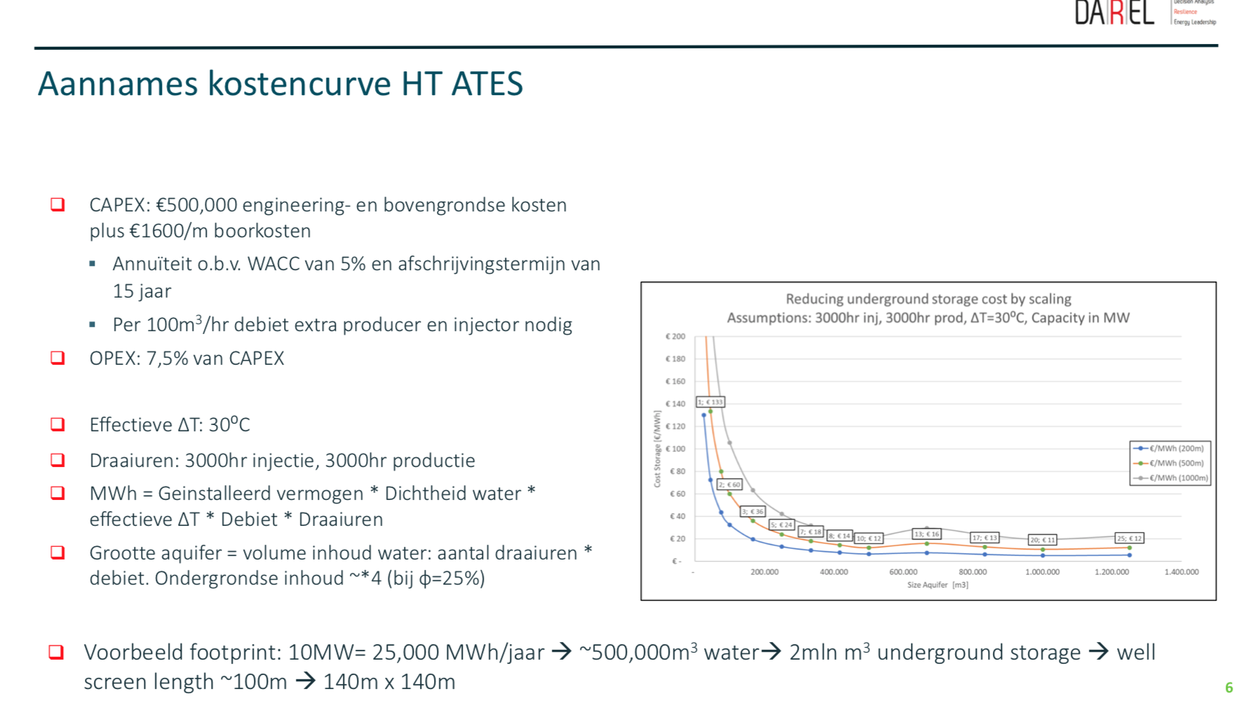
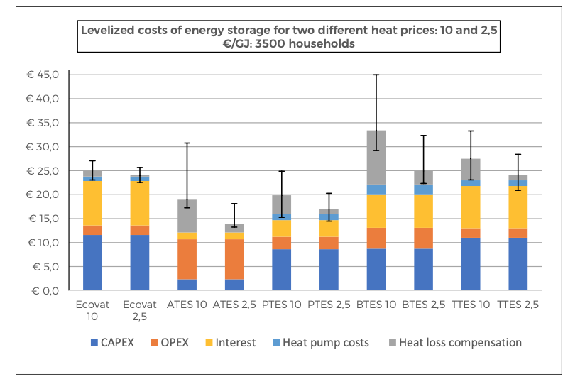
Source | Notes

Costs source: Ecovat

 | cost per GJ | 12 | euro/GJ | ATES
 | cost_per_mwh | 43.2 | euro/MWh
 | excluding heat loss compensation costs. ETM takes these into account separately
 | (if heat is lost in storage, ETM will automatically increase supply to make sure supply and demand match)

Losses:

Based on Ecovat interview, losses for ATES
ETM uses losses per hour

 |  | 30% | loss per year |  | Ecovat: "Typical efficiency for ATES: 70 %, BTES: 50 %, PTES: 75 %, TTES: 70 %, Ecovat: 90 %"
 |  | 8760 | hours per year
 |  | 0.00407% | losses per hour

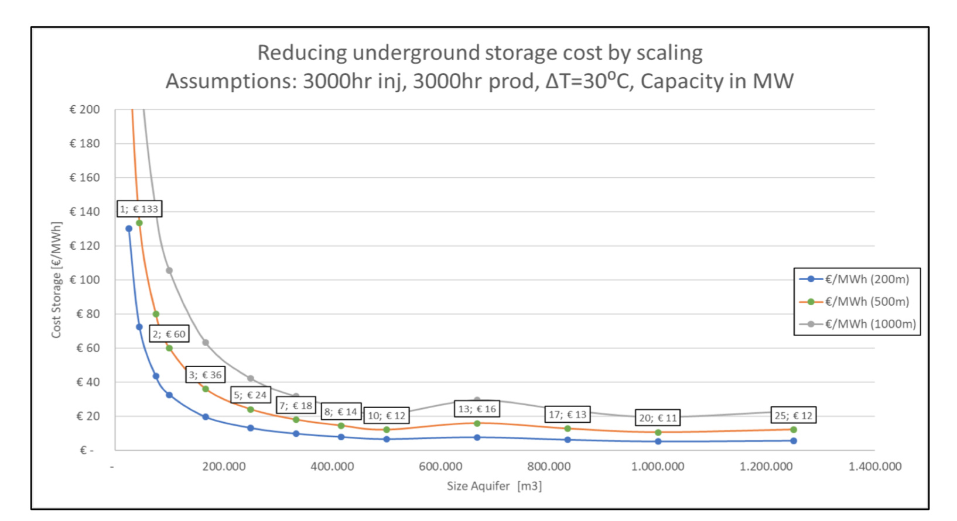

DAREL
High Temperature Aquifer Thermal Storage (HT-ATES)

Required capacity and volume depend on scenario in ETM and are calculated automatically by the model

 | cost_per_mwh | 20 | euro/MWh

