Notes
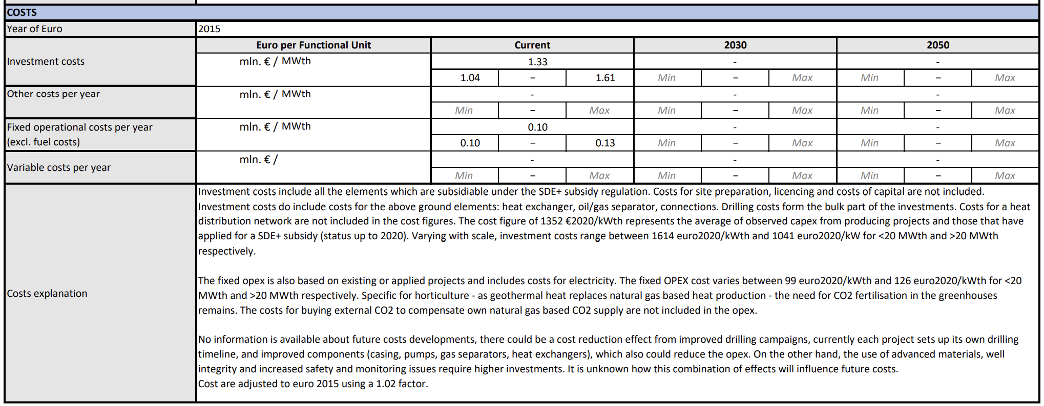
Sources | Notes

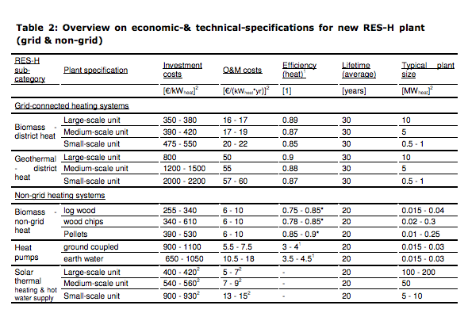
Ecofys-ISE
p.14

 | 10 | MW
Initial investment | 800 | euro/KW
O&M | 50 | euro/KW
Lifetime | 30 | yr

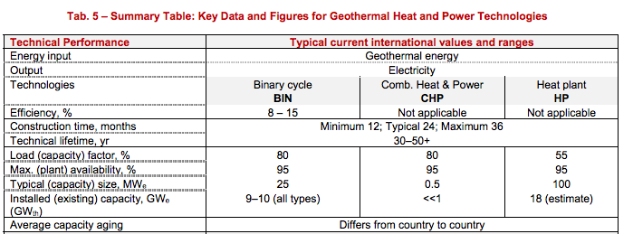
iea-etsap
p.5

construction time | 24 | months
Lifetime | 30 | yr

 |  |  |  | Response to request from interview EBN
EBN, 2019
 |  |  |  | Case for Martha | Case 1- Warmtenet en Glastuinbouw |  | Case 2 - LT warmte industrie
Full load hours |  | 6000
Capacity |  | 14 | MW | Case in SDE | >500<4000 m |  | >4000 m
 |  | 14000 | kW
Initial investment costs | euro | 26726000 |  | Capaciteit | 14 | MW | 30 | MW
Initial investment costs | euro/kWheat | 1909
Fixed operational and maintenance costs | euro/year | 1414000 |  | Load Hours | 6000 | Hours/Year | 7000 | Hours/Year
Fixed operational and maintenance costs | euro/kW/year | 101
Variable operational and maintenance costs | euro/FLH | 26.6 |  | Investerings kosten | 1909 | EUR/kW Th | 2509
Variable operational and maintenance costs | euro/MWh | 1.9
 |  |  |  | Vaste O&M-kosten | 101 | EUR/kW Th/year | 107
production | kWh | 84000000
variable O&M costs | euro | 159600 |  | Variable O&M-kosten | 0.0019 | EUR/kWh Th | 0.0076
variable O&M costs/full oad hour | euro/FLH | 26.6
 |  |  |  | SDE period | 15 | years | 15 | years
 |  |  |  | (Proxy for 'levensduur' of the technology?)

 |  |  |  | Stroom verbruik | 2.5 | kWh_e/GJth | 2.5 | kWh_e/GJth

COP
input.electricity | 0.0434
input.geothermal | 0.9566

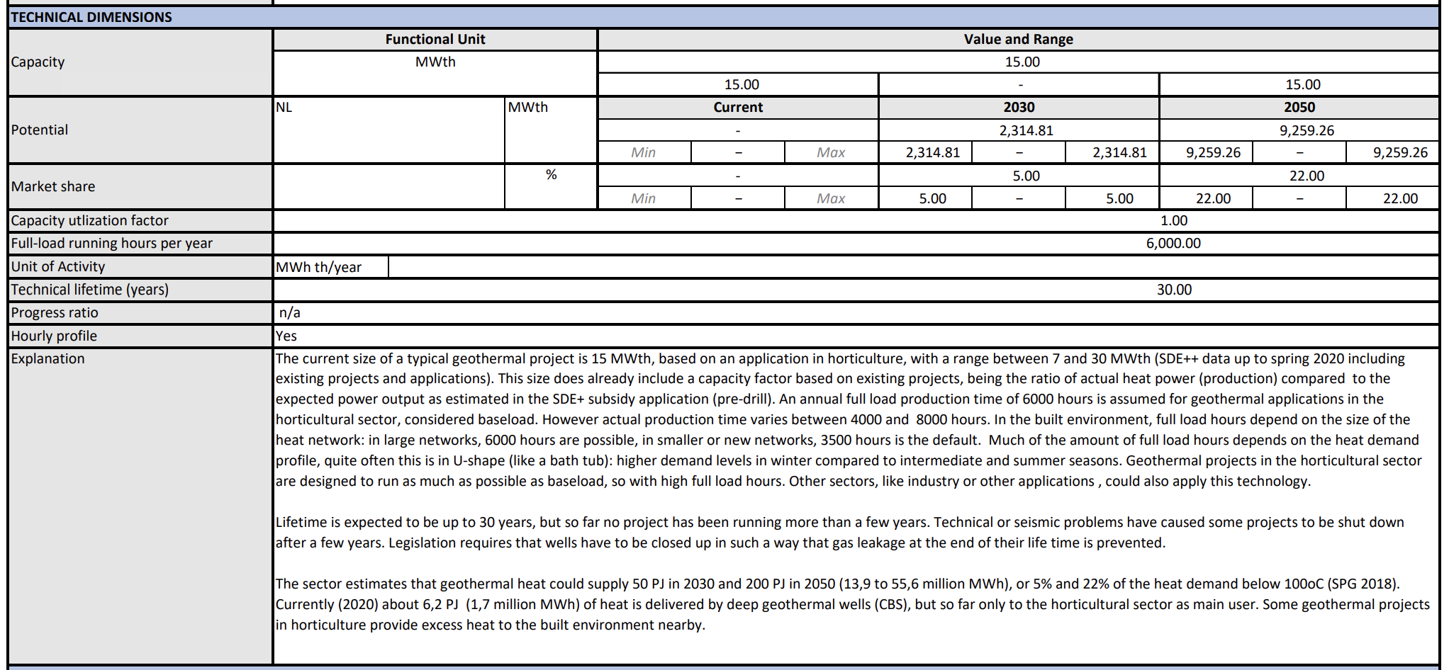
TNO

Heat output capacity (MWth) | 15
Full load hours | 6000
Technical lifetime (years) | 30

Investment costs (mln € / MWth) - min | 1.04
Investment costs (mln € / MWth) - max | 1.61
Investment costs (mln € / MWth) - avg | 1.33
Investment costs per unit (€) | 19875000

Fixed operational costs per year (excl. fuel costs) (mln € / MWth) - min | 0.10
Fixed operational costs per year (excl. fuel costs) (mln € / MWth) - max | 0.13
Fixed operational costs per year (excl. fuel costs) (mln € / MWth) - avg | 0.12
Fixed operational costs per year per unit (€) | 1500000

Output of steam hot water | 1.00
Input of electricity | 0.05
Input of geothermal | 1.00
Scaled input of electricity | 0.05
Scaled input of geothermal | 0.95

