Notes
Sources | Notes

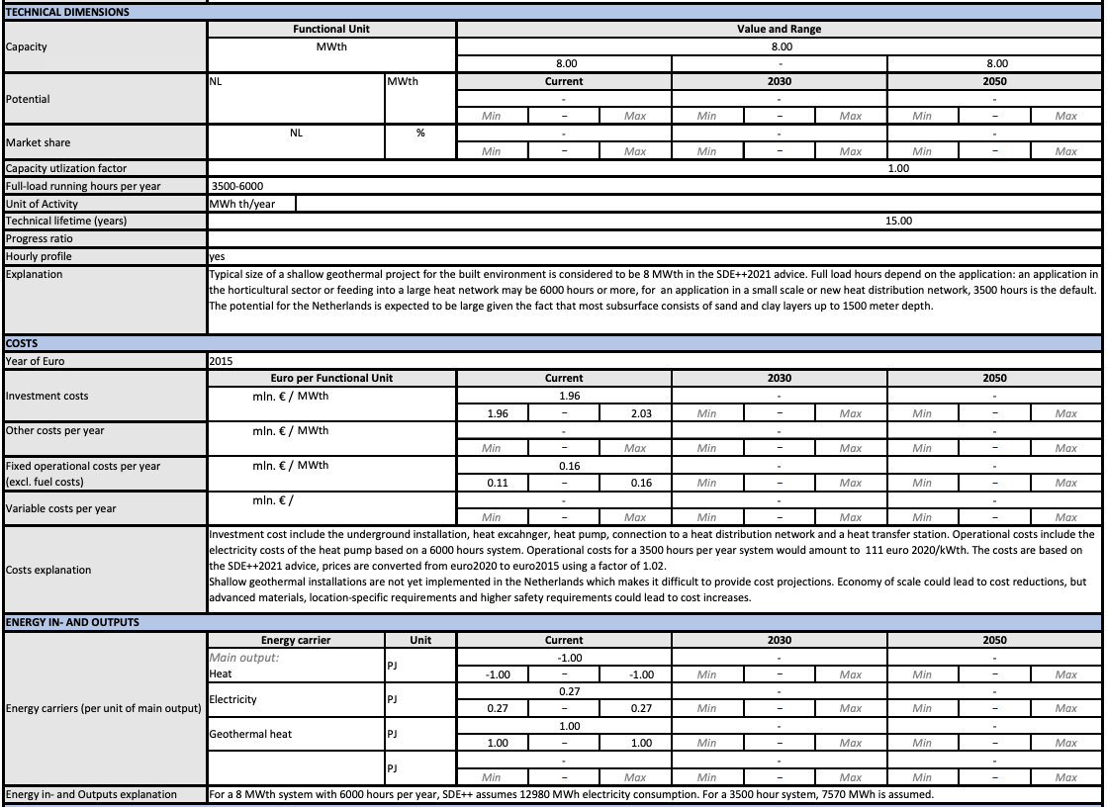
TNO (p. 1)

Heat output capacity (MWth) | 8

Full load hours (min) | 3500
Full load hours (max) | 6000
Full load hours (avg) | 4750

Input of electricity (PJ) per unit of main output | 0.27
Input of geothermal heat (PJ) per unit of main output | 1
Output of heat (PJ) per unit of main output | 1

Scaling factor | 0.7874
Scaled input of electricity (PJ) per PJ of steam hot water output | 0.2126
Scaled input of geothermal heat (PJ) per PJ of steam hot water output | 0.7874

Construction time
Technical lifetime | 15

Initial investment costs per MWth (euro) (min) | 1960000
Initial investment costs per MWth (euro) (max) | 2030000
Initial investment costs per MWth (euro) (avg) | 1995000
Initial investment costs (euro) | 15960000

Fixed operational and maintenance costs per MWth (euro/year) (min) | 110000
Fixed operational and maintenance costs per MWth (euro/year) (max) | 160000
Fixed operational and maintenance costs per MWth (euro/year) (avg) | 135000
Fixed operational and maintenance costs (euro/year) | 1080000

Fixed operational and maintenance costs (euro/KW/year) | 135

Variable operational and maintenance costs (euro/FLH) | ?
Variable operational and maintenance costs (euro/MWh) | ?

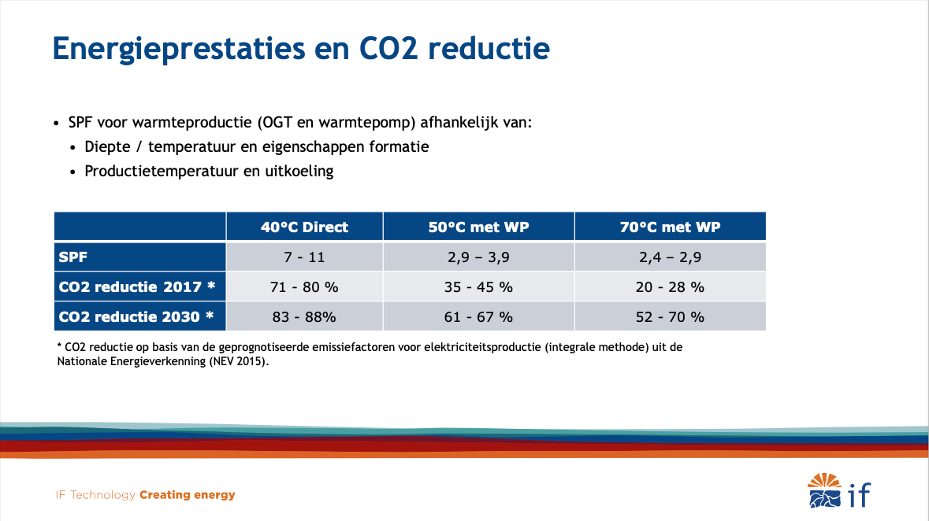
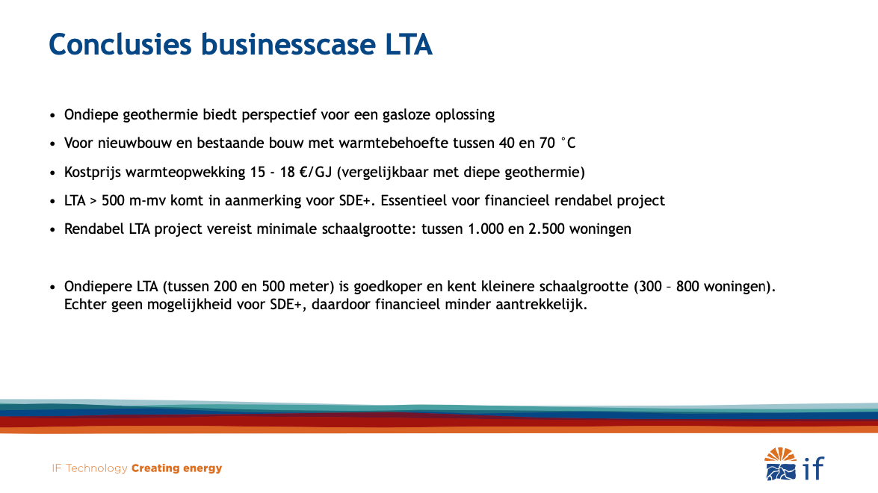
IF Technology (p. 10)

SPF 40 °C direct (min) | 7
SPF 40 °C direct (max) | 11
SPF 40 °C direct (avg) | 9

SPF 50 °C met WP (min) | 2.9
SPF 50 °C met WP (max) | 3.9
SPF 50 °C met WP (avg) | 3.4

SPF 70 °C met WP (min) | 2.4
SPF 70 °C met WP (max) | 2.9
SPF 70 °C met WP (avg) | 2.65

Kostprijs warmteopwekking (euro/GJ) (min) | 15
Kostprijs warmteopwekking (euro/GJ) (max) | 18
Kostprijs warmteopwekking (euro/GJ) (avg) | 16.5

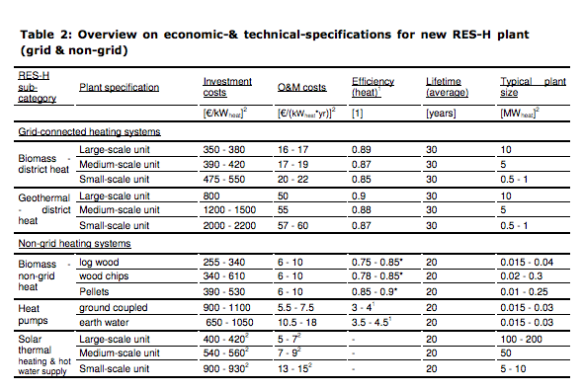

Ecofys-ISE
p.14

 |  | MW
 |  | euro/KW
 |  | euro/KW
 |  | yr
 | 10
Initial investment | 800
O&M | 50
Lifetime | 30

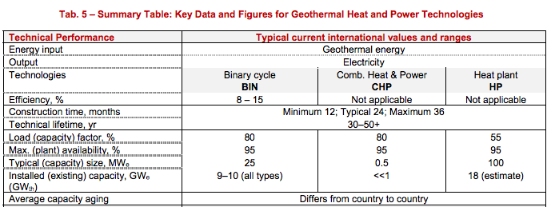

iea-etsap
p.5

 |  | months
 |  | yr

construction time | 24
Lifetime | 30

 |  |  |  | Response to request from interview EBN

 |  |  |  | Case for Martha | Case 1- Warmtenet en Glastuinbouw |  | Case 2 - LT warmte industrie
 |  | 6000
 |  | 14 | MW | Case in SDE | >500<4000 m |  | >4000 m
EBN, 2019 |  | 14000 | kW
 |  | 26726000 |  | Capaciteit | 14 | MW | 30 | MW
Full load hours |  | 1909
Capacity |  | 1414000 |  | Load Hours | 6000 | Hours/Year | 7000 | Hours/Year
 |  | 101
Initial investment costs | euro | 26.6 |  | Investerings kosten | 1909 | EUR/kW Th | 2509
Initial investment costs | euro/kWheat | 1.9
Fixed operational and maintenance costs | euro/year |  |  | Vaste O&M-kosten | 101 | EUR/kW Th/year | 107
Fixed operational and maintenance costs | euro/kW/year | 84000000
Variable operational and maintenance costs | euro/FLH | 159600 |  | Variable O&M-kosten | 0.0019 | EUR/kWh Th | 0.0076
Variable operational and maintenance costs | euro/MWh | 26.6
 |  |  |  | SDE period | 15 | years | 15 | years
production | kWh |  |  | (Proxy for 'levensduur' of the technology?)
variable O&M costs | euro
variable O&M costs/full oad hour | euro/FLH |  |  | Stroom verbruik | 2.5 | kWh_e/GJth | 2.5 | kWh_e/GJth

COP
input.electricity | 0.0434
input.geothermal | 0.9566

