Notes
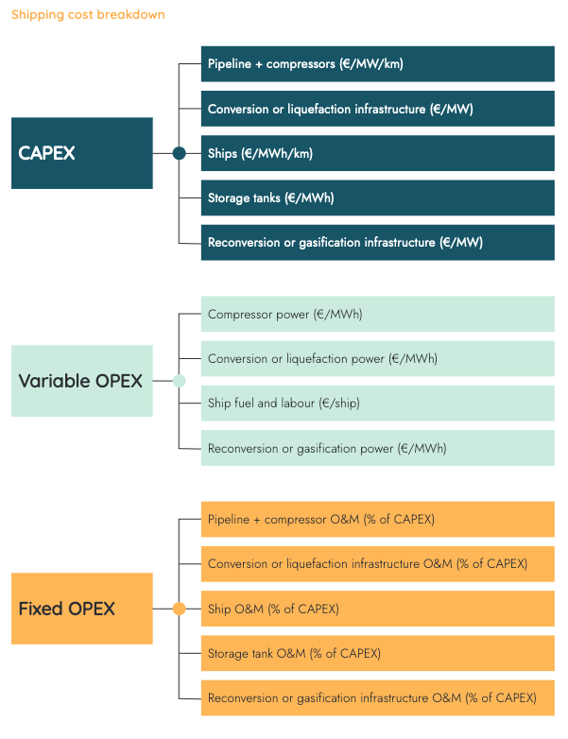
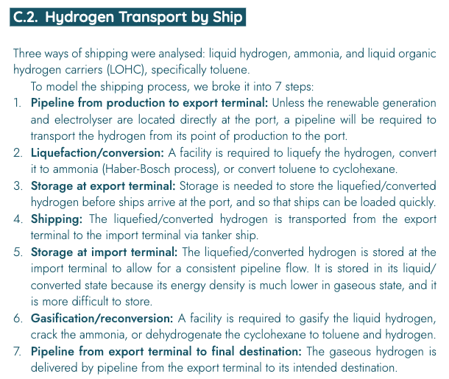
 |  |  |  |  |  |  | Figure A: Assumed position of LH2 regasification in LH2 transport chain via ship
Source | Attribute | Min value | Max value | Value | Unit | Comment | Source: | European Hydrogen Backbone

European Hydrogen Backbone
 | General assumptions about the hydrogen regasification plant
 | Hydrogen regasification plant is part of the shipping transport chain. See breakdown in figure A

 | Hydrogen energy content |  |  | 120.1 | MJ/kg | ETM carrier attribute

 | Seconds in a day |  |  | 86400 | s/d

IRENA | Hydrogen output capacity |  |  | 2500 | t/d | Figure B
 |  |  |  | 300250000 | MJ/d
 |  |  |  | 3475 | MW
 | typical_input_capacity |  |  | 3523 | MW

 | Energy consumption for liquid hydrogen regasification |  |  | 0.46283333333 | kWh/kg hydrogen
 |  |  |  | 0.0038537330003 | kWh/MJ hydrogen
 |  |  |  | 0.013873438801 | kWh/kWh hydrogen

DNV GL | output.hydrogen |  |  | 1.000 | kWh | 100% of hydrogen input is recovered from liquid hydrogen (see Figure E)
 | input.liquid_hydrogen |  |  | 1.000 | kWh | 100% of hydrogen input is recovered from liquid hydrogen (see Figure E)
IRENA | input.electricity |  |  | 0.014 | kWh | Assumed energy consumption for liquid hydrogen regasification is electricity
 | output.loss |  |  | 0.014 | kWh

 | output.hydrogen |  |  | 0.986 | - | Normalised sum of inputs to 1.00
 | input.liquid_hydrogen |  |  | 0.986 | - | Normalised sum of inputs to 1.00
 | input.electricity |  |  | 0.014 | - | Normalised sum of inputs to 1.00

 | output.hydrogen |  |  | 0.986 | -
 | input.liquid_hydrogen |  |  | 1.000 | - | Input of electricity or hydrogen in the regasifier would produce a circularity in the graph. To prevent this it is assumed that all energy inputs are liquid hydrogen
 | input.electricity |  |  | 0.000 | - | Input of electricity or hydrogen in the regasifier would produce a circularity in the graph. To prevent this it is assumed that all energy inputs are liquid hydrogen

European Hydrogen Backbone
 | Reconversion CAPEX |  |  | 273 | €/kW H2 | Figure C
 | initial_investment |  |  | 948706597 | euro

 | Reconversion fixed OPEX |  |  | 0.025 | - | As % of CAPEX, see figure C
 | fixed_operation_and_maintenance_costs_per_year |  |  | 23717665 | euro/y

 | full_load_hours | 4380 | 5000 | 4690 | hours | Figure D, assuming typical use of hydrogen pipelines

 | Reconversion variable OPEX |  |  | 0.003 | MWh/MWh H2 | Figure C. Includes electricity and heat consumption
 | Electricity costs |  |  | 50 | €/MWh | Figure C
 | Reconversion variable OPEX |  |  | 0.15 | €/MWh H2
 | variable_operation_and_maintenance_costs_per_full_load_hour |  |  | 521 | €/flh
 | variable_operation_and_maintenance_costs_per_full_load_hour |  |  | 0 | €/flh | Assumed to be zero since electricity input is set to zero and instead higher LOHC input is required

 | costs_of_installing |  |  | 0 |  | Included in initial_investment

 |  |  |  |  |  |  | Figure B: Regasification plant capacity and costs figures
 |  |  |  |  |  |  | Source: | IRENA
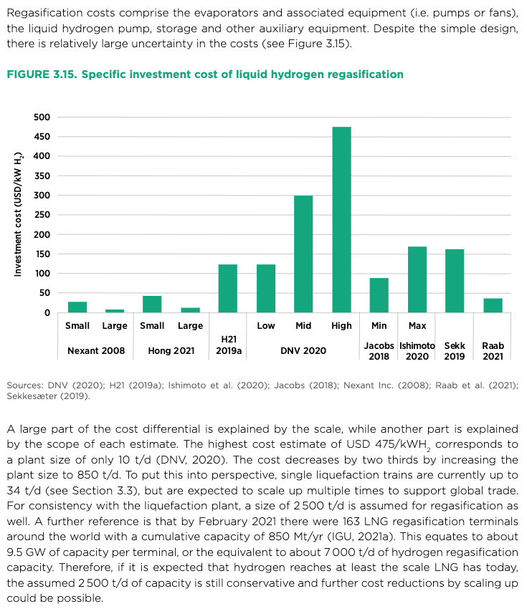
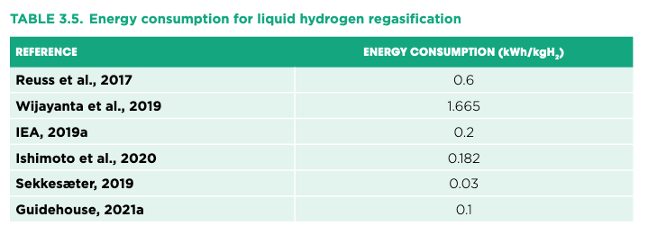

 |  |  |  |  |  |  | Figure C: costs overview for LH2 regasification plant
 |  |  |  |  |  |  | Source: | European Hydrogen Backbone
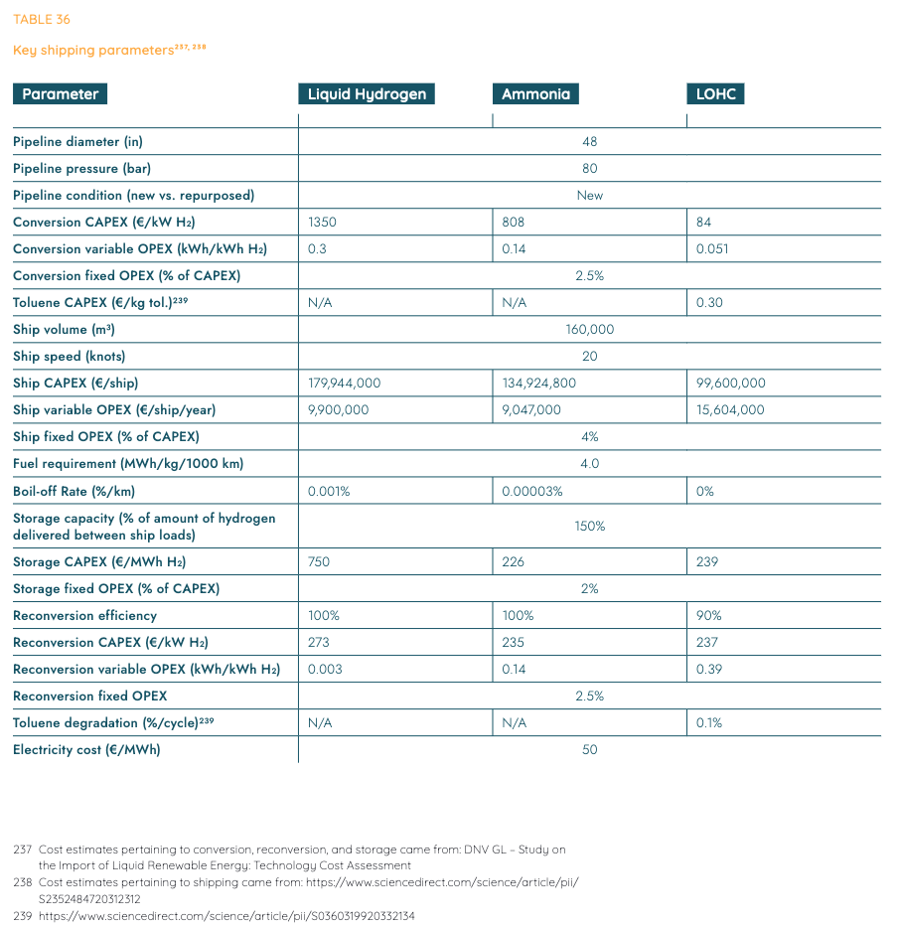

 |  |  |  |  |  |  | Figure D: full load hours in energy transport costs comparison between hydrogen and electricity
 |  |  |  |  |  |  | Source: | European Hydrogen Backbone

 |  |  |  |  |  |  | Figure E: conversion efficiency of liquid hydrogen
 |  |  |  |  |  |  | Source: | DNV GL

