Notes
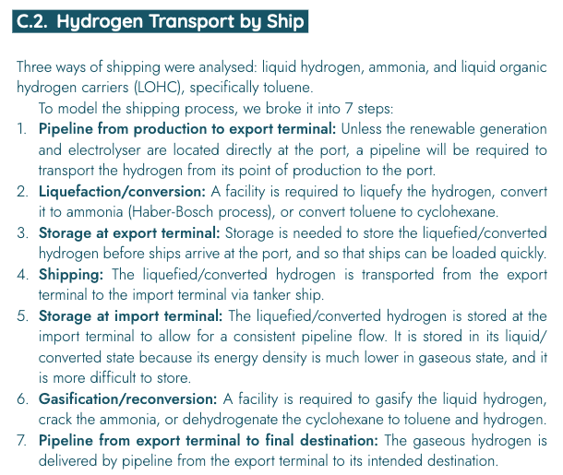
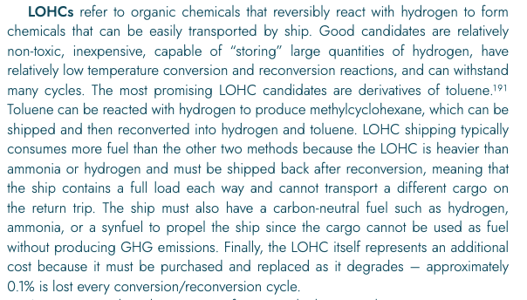
 |  |  |  |  |  |  |  |  | Figure A: Assumed position of LOHC dehydrogenation in hydrogen transport chain via ship
Source | Attribute | Min value | Max value | Value | Unit | Comment |  |  | Source: | European Hydrogen Backbone
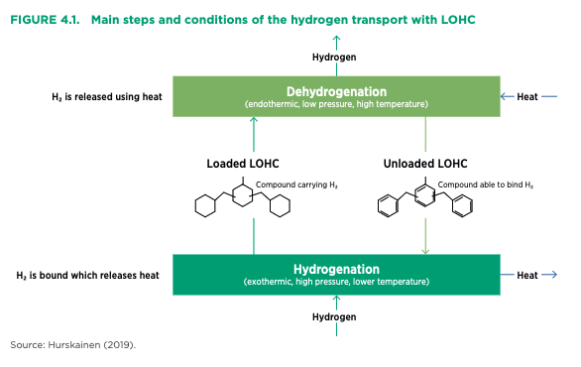
European Hydrogen Backbone
 | General assumptions about the hydrogen regasification plant
 | Dehydrogenation plant is part of the shipping transport chain. See breakdown in figure A
 | Assumed organic carrier compound are derivatives of toluene, see figure A

 | Hydrogen energy content |  |  | 120.1 | MJ/kg | ETM carrier attribute
 |  |  |  |  |  |  | Comparable ammonia plant (see figure B)
 | Seconds in a year |  |  | 31536000 | s/y |  | 86400

IRENA | Hydrogen output capacity |  |  | 225000 | t/y | Figure B | 500 | t/d
 |  |  |  | 27022500000 | MJ/y |  | 60050000 | MJ/d
 |  |  |  | 857 | MW |  | 695.02314815 | MW

 | typical_input_capacity |  |  | 1235 | MW | Using output.hydrogen conversion efficiency

DNV GL
 | output.hydrogen |  |  | 0.900 | kWh | 90% of hydrogen input is recovered from the toluene (see figure E)
 | input.lohc |  |  | 1.000 | kWh | 90% of hydrogen input is recovered from the toluene (see figure E)
 | input.electricity |  |  | 0.297 | kWh | VOM unit indicates that 0.33 kWh is needed for reconversion of 1 kWh of hydrogen, assumed input is electricity (see figure E)
 | output.loss |  |  | 0.397 | kWh

 | output.hydrogen |  |  | 0.694 | - | Normalised sum of inputs to 1.00
 | input.lohc |  |  | 0.771 | - | Normalised sum of inputs to 1.00
 | input.electricity |  |  | 0.229 | - | Normalised sum of inputs to 1.00

 | output.hydrogen |  |  | 0.694 | -
 | input.lohc |  |  | 1.000 | - | Input of electricity or hydrogen in the LOHC reformer would produce a circularity in the graph. To prevent this it is assumed that all energy inputs are LOHC
 | input.electricity |  |  | 0.000 | - | Input of electricity or hydrogen in the LOHC reformer would produce a circularity in the graph. To prevent this it is assumed that all energy inputs are LOHC

European Hydrogen Backbone
 | Reconversion CAPEX |  |  | 237 | €/kW H2 | Figure C
 | initial_investment |  |  | 203080051 | euro

 | Reconversion fixed OPEX |  |  | 0.025 | - | As % of CAPEX, see figure C
 | fixed_operation_and_maintenance_costs_per_year |  |  | 5077001 | euro/y

 | full_load_hours | 4380 | 5000 | 4690 | hours | Figure D, assuming typical use of hydrogen pipelines

 | Reconversion variable OPEX |  |  | 0.39 | MWh/MWh H2 | Figure C. Includes electricity and heat consumption
 | Electricity costs |  |  | 50 | €/MWh | Figure C
 | Reconversion variable OPEX |  |  | 19.5 | €/MWh H2
 | variable_operation_and_maintenance_costs_per_full_load_hour |  |  | 16709 | €/flh
 | variable_operation_and_maintenance_costs_per_full_load_hour |  |  | 0 | €/flh | Assumed to be zero since electricity input is set to zero and instead higher LOHC input is required

 | costs_of_installing |  |  | 0 |  | Included in initial_investment |  |  | Figure B: Dehydrogenation costs and size figures
 |  |  |  |  |  |  |  |  | Source: | IRENA
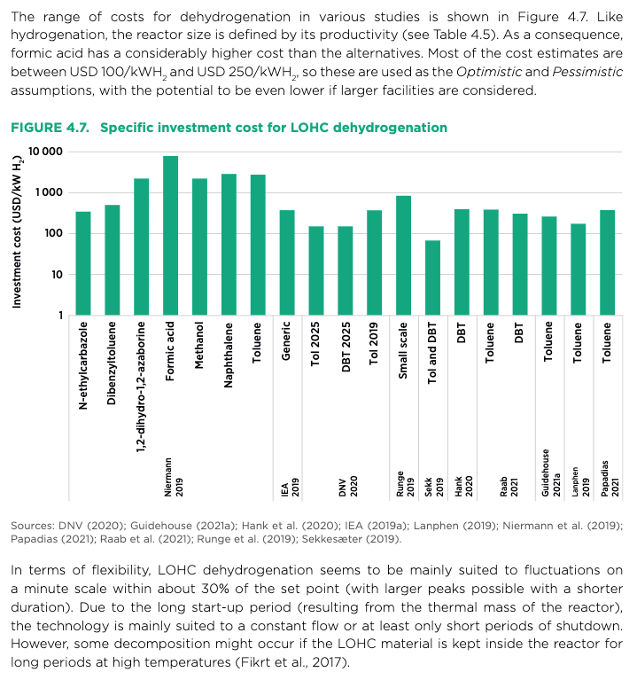

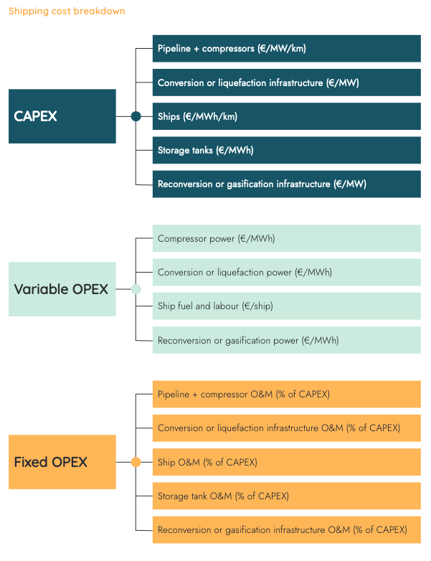
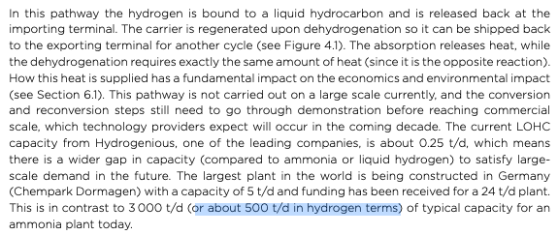

 |  |  |  |  |  |  |  |  | Figure C: costs overview for LOHC dehydrogenation plant
 |  |  |  |  |  |  |  |  | Source: | European Hydrogen Backbone
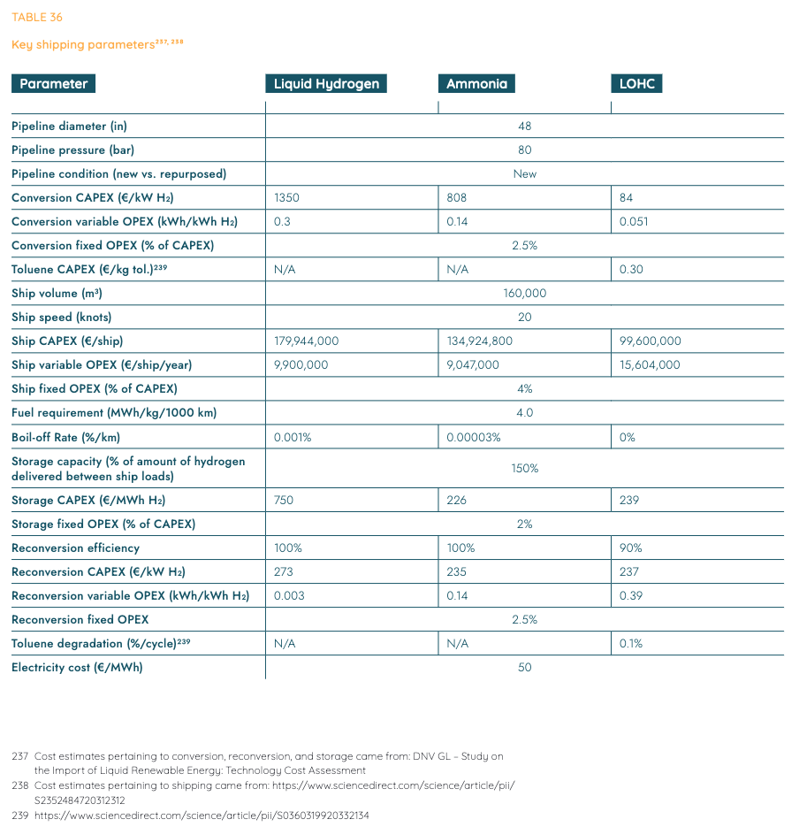

 |  |  |  |  |  |  |  |  | Figure D: full load hours in energy transport costs comparison between hydrogen and electricity
 |  |  |  |  |  |  |  |  | Source: | European Hydrogen Backbone

 |  |  |  |  |  |  |  |  | Figure E: background information on LOHC variable OPEX of figure C
 |  |  |  |  |  |  |  |  | Source: | DNV GL

 |  |  |  |  |  |  |  |  | Conversion factors F14 is 120 MJ/kg energy content of hydrogen

