Notes
Source | Page | Notes

Ministerie van Economische Zaken |  |  |  | (0.8 billion euro for 9bcm/yr capacity, 0.4 bcm/yr expansion add 190000)

 | 66

 |  | 12 | bcm/year

 |  | 290000000 | euro

 | 22

 |  | 800000000 | euro

DMA | 128 | 40 | yrs

DECC
 |  | 1.50%
 |  | 0.985 | Output LNG

ECB
 |  |  |  |  |  | Exchange rate | Unit | Value | Definition | Date | Source

 |  | 1.098 | USD/euro |  |  | dollar_per_euro | USD/EUR | 1.098 | Running Month Average | 2015-08-05 | http://www.ecb.europa.eu/stats/exchange/eurofxref/html/eurofxref-graph-usd.en.html

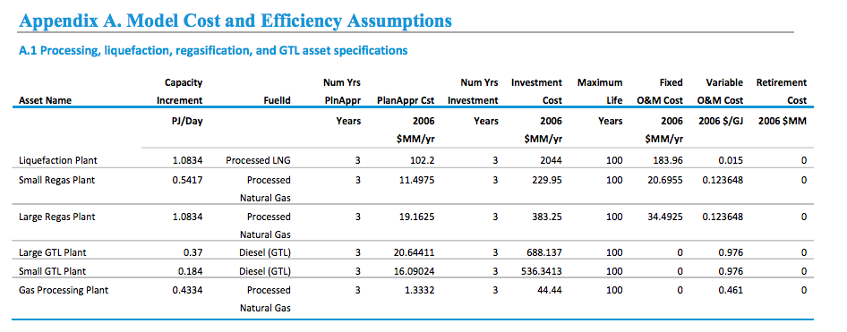
EIA
 | 70
 |  | 34492500 | dollar/yr | Fixed O&M
 |  | 1.0834 | PJ/day capacity

 |  | Rotterdam's capacity |  | comparison
 |  | 12 | bcm/yr (gas)
 |  | 9996000000 | kg/yr | values from natural_gas.carrier
 |  | 380027928000 | MJ/yr | values from natural_gas.carrier
 |  | 380.027928 | PJ/yr
 |  | 1.0411724055 | PJ/day | natural_gas_output_capacity

 |  | Since close in capacity, we scale the fixed operational costs

 |  | 33148088.606 | USD/yr | Fixed O&M, scaled
 |  | 1.098 | USD/euro
 |  | 30189516.035 | Euro/yr | Fixed O&M per year

 |  | 0 | Mdollar | retirement_costs
 |  | 0 | euro | decommissioniing_costs

 |  | 0.123648 | USD/GJ | Variable O&M
 |  | 0.000123648 | USD/MJ
 |  | 1.098 | USD/euro
 |  | 0.00011261202186 | Euro/MJ

 |  | 380027928000 | MJ/yr | natural_gas_output_capacity
 |  | 43382183.562 | MJ/flh | natural_gas_output_per_full_load_hour

 |  | 4885.3554035 | euro/flh | variable o&m per flh

 |  | 380027928000 | MJ/yr | natural_gas_output_capacity
 |  | 12042.358354 | MW | natural_gas_output_capacity

 |  | 0.985 |  | efficiency

 |  | 12225.744522 | MW | typical_input_capacity

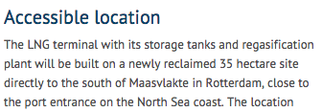
GATE |  | 35 | ha | land_use_per_unit
 |  | 0.35 | km2 | land_use_per_unit

 |  |  |  | 2008-2011 construction
 |  | 3 | yrs | construction_time

 |  | 8700 |  | full_load_hours | Assumption

