Notes
Source | Notes

 | heat_output_capacity | 10 | kW

Vesta Functioneel Ontwerp 4.0
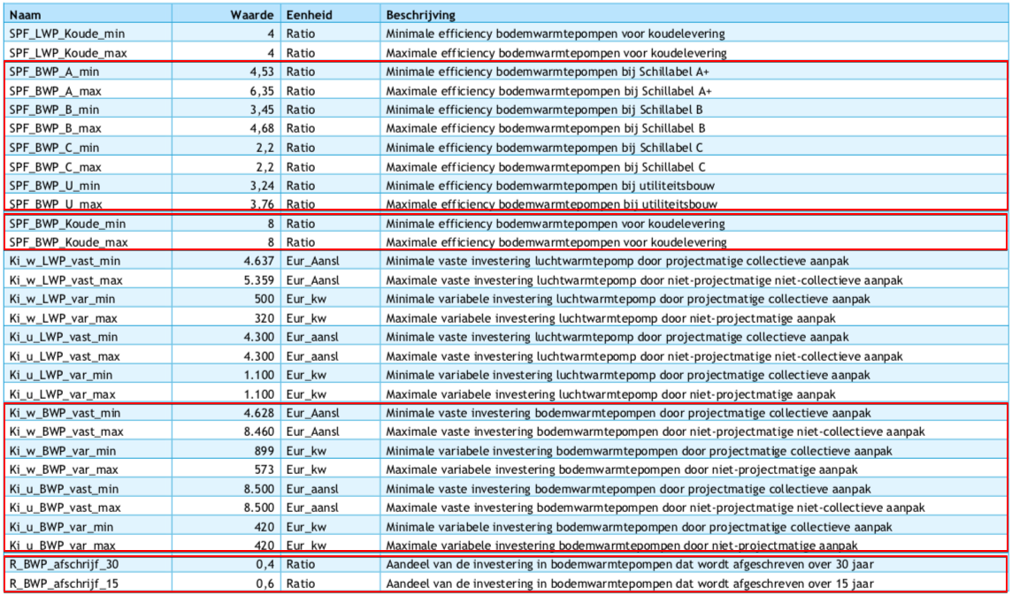
 | vaste investeringskosten min | 4628 | euro/aansluiting | Ki_w_BWP_vast_min
 | variable investeringskosten min | 573 | euro/kW | Ki_w_BWP_var_max
 | totale investeringskosten min | 10358

 | vaste investeringskosten max | 8460 | euro/aansluiting | Ki_w_BWP_vast_max
 | variable investeringskosten max | 899 | euro/kW | Ki_w_BWP_var_min
 | totale investeringskosten max | 17450

gemiddelde nemen! | investment_costs | 13904 | euro/unit
 | dit is inclusief de cost_of_installing, dus die gaat naar nul

 | LETOP: het lijkt erop alsof de variable kosten zijn omgewisseld tussen min/max

