Notes
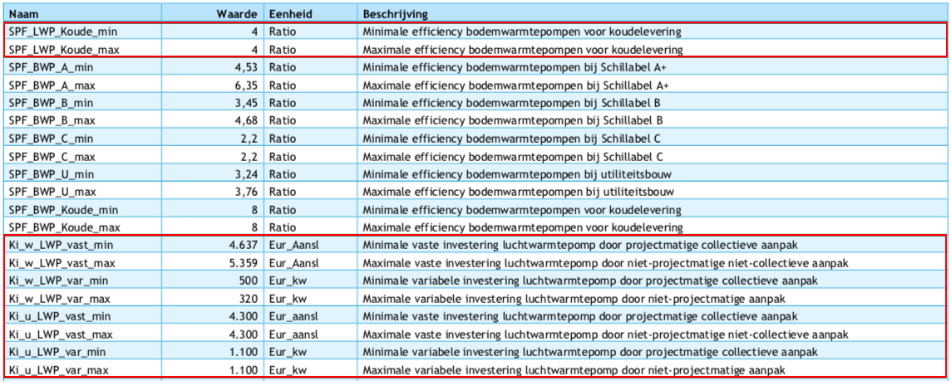
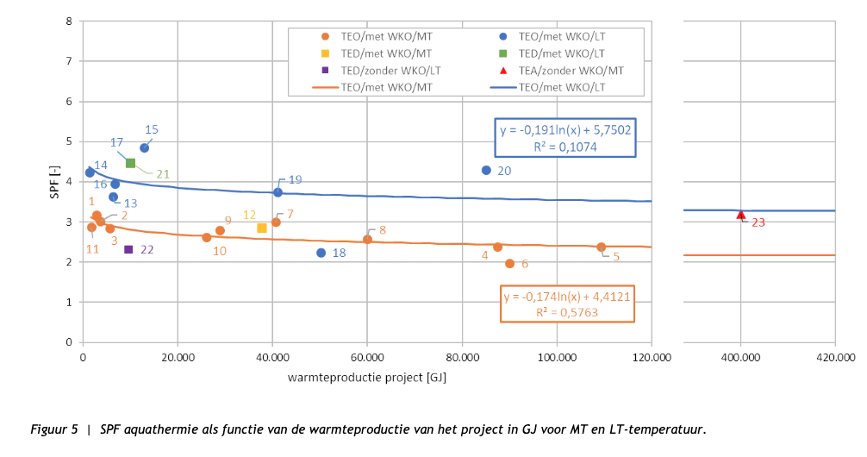
Source | Notes

 | heat_output_capacity | 10 | kW

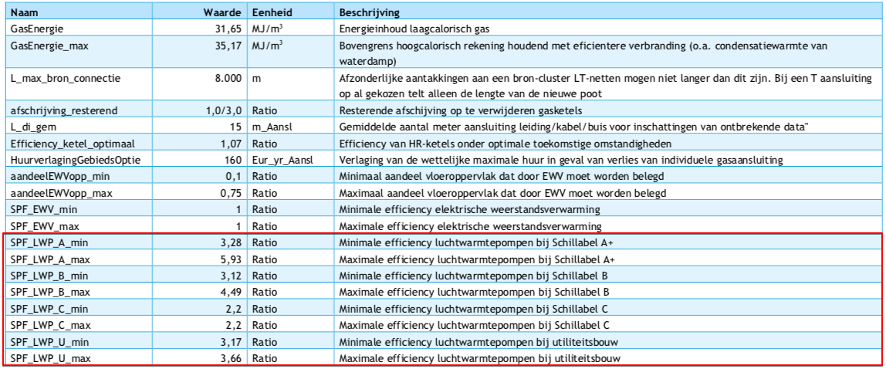
Vesta Functioneel Ontwerp 4.0

 | vaste investeringskosten min | 4637 | euro/aansluiting | Ki_w_LWP_vast_min
 | variable investeringskosten min | 320 | euro/kW | Ki_w_LWP_var_max
 | totale investeringskosten min | 7837

 | vaste investeringskosten max | 5359 | euro/aansluiting | Ki_w_LWP_vast_max
 | variable investeringskosten max | 500 | euro/kW | Ki_w_LWP_var_min
 | totale investeringskosten max | 10359

gemiddelde nemen! | investment_costs | 9098 | euro/unit
 | dit is inclusief de cost_of_installing, dus die gaat naar nul

 | LETOP: het lijkt erop alsof de variable kosten zijn omgewisseld tussen min/max

Kengetallen aquathermie | SPF low (MT line at near 0 heat production) | 3
 | SPF high (LT line at near 0 heat production) | 4.3
 | Average SPF | 3.7

