Notes
Source | Attributes | Value | Unit | Comment

Assumptions
 | All energetic demand is fed as useable heat into the steam methane reformer (SMR): industry_chemicals_fertilizers_steam_methane_reformer_hydrogen
 | All energetic demand for fertilizers production (ammonia production through Haber-Bosch (BH) and downstream production of fertilizers urea and nitrc-acid) is fed into the fertilizer production node: industry_chemicals_fertilizers_production
 | All non-energetic hydrogen demand to produce ammonia is fed into the Haber-Bosch node: industry_chemicals_fertilizers_haber_bosch_process_hydrogen

 | The outputs of the SMR need to be aligned with the inputs of the fertilizer production node

SMR | industry_chemicals_fertilizers_steam_methane_reformer_hydrogen
 | output.hydrogen | 0.77 |  | From node file on ETSource
 | output.useable_heat | 0.12 |  | From node file on ETSource

 | normalized output of hydrogen | 0.86240
 | normalized output of useable heat | 0.13760

HB | industry_chemicals_fertilizers_haber_bosch_process_hydrogen
 | input.hydrogen | 1.0 |  | From node file on ETSource
 | output.ammonia | 0.87 |  | From node file on ETSource

Fertilizers | industry_chemicals_fertilizers_production
 | input of ammonia | 0.750288
 | input of useable heat | 0.13760

 | normalized input of ammonia | 0.845025498711549 |  | With this normalized input, the hydrogen output of the SMR perfectly aligns with the ammonia input of the fertilizer node after conversion of hydrogen to ammonia in the haber-bosch node
 | normalized input of useable heat | 0.154974501288451 |  | With this normalized input, the useable heat output of the SMR perfectly aligns with the useable heat input of the fertilizer node

This analysis calculates the potential residual heat shares for the following industrial sectors:
- chemical industry
- refineries
- fertilizers
- ICT
The potential shares are based on this report: Restwarmtebenutting. Potentiëlen, besparing, alternatieven (ECN, 2011) Link: https://publicaties.ecn.nl/ECN-E--11-058
Author Marlieke Verweij
Organization Quintel Intelligence
 |  |  |  |  | Restwarmtebenutting. Potentiëlen, besparing, alternatieven (ECN, 2011) p.35-38
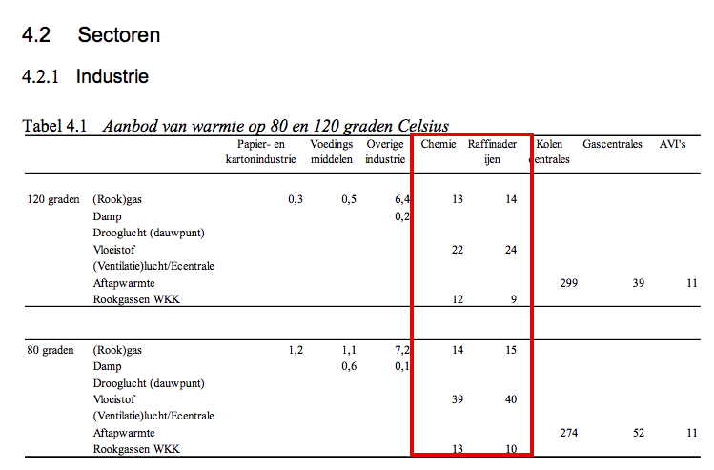

Outcomes (see detailed calculations to the right)

Residual heat from chemical sector [% of useful heat demand]
 | Residual heat from flue gasses | % | 11%
 | Residual heat from processes | % | 16%
 | Total useable residual heat | % | 27.5%
 | Heat that cannot be recovered | % | 72.5%

Residual heat from refineries [% of useful heat demand]
 | Residual heat from flue gasses | % | 18%
 | Residual heat from processes | % | 29%
 | Total useable residual heat | % | 47%
 | Heat that cannot be recovered | % | 53%

Residual heat from fertilizer industry [% of useful heat demand]
 | Residual heat from flue gasses | % | 3%
 | Residual heat from processes | % | 4%
 | Total useable residual heat | % | 7%
 | Heat that cannot be recovered | % | 94% |  | Opmerkingen:
 |  |  |  |  | De restwarmtepotenties voor de kunstmestindustrie zijn gelijk getrokken aan de chemie (o.b.v. interview Wouter Wetzels TNO)
Residual heat from ICT [% of useful electricity demand] |  |  |  |  | Omdat de kunstmestindustrie uitvoeriger is gemodelleerd in het ETM dan de chemie, hebben we meer bewerkingstappen moeten uitvoeren om de shares te bepalen
 | Residual heat from servers | % | 77%
 | Total useable residual heat | % | 77% |  |  | Rapport | Chemie |  | Kunstmest |  | Totaal gemodelleerde restwarmte chemie
 | Heat that cannot be recovered | % | 23% |  |  | warmte 80 graden | shares | restwarmte (PJ) | restwarmte (PJ) | shares t.o.v. HB
 |  |  |  |  | Totaal rookgassen | 27 | 11% | 21.09 | 2.36 | 3% | 23.45
 |  |  |  |  | Processen/vloeistof | 39 | 16% | 30.47 | 3.41 | 4% | 33.87
 |  |  |  |  | Overige warmte |  | 73% | 135.93 |  | 94%
 |  |  |  |  | Totale warmtevraag rapport (PJ) | 240
 |  |  |  |  | Totale warmtevraag ETM (PJ) | 208.46 | 187.49 |  | 20.97
 |  |  |  |  | Demand Haber-Bosch |  |  |  | 90.37

 |  |  |  |  | Raffinaderijen
 |  |  |  |  | Finaal energiebruik rapport | 170.0
 |  |  |  |  | Finaal energiebruik ETM | 159.0
 |  |  |  |  | Warmtevraag ETM | 129.1
 |  |  |  |  | Aangenomen warmtevraag rapport | 138.0
 |  |  |  |  |  | warmte 80 graden | shares
 |  |  |  |  | Totaal rookgassenwarmte (80C) | 25 | 18%
 |  |  |  |  | Processen/vloeistof (80C) | 40 | 29%
 |  |  |  |  | Overige warmte |  | 53%

 |  |  |  |  | Datacenters
 |  |  |  |  | PUE | 1.3
 |  |  |  |  | Elektriciteit naar servers | 77%
 |  |  |  |  | Dus bruikbare warmte | 77%

