Notes
This analysis calculates the potential residual heat shares for the following industrial sectors:
- chemical industry
- refineries
- fertilizers
- ICT
The potential shares are based on this report: Restwarmtebenutting. Potentiëlen, besparing, alternatieven (ECN, 2011) Link: https://publicaties.ecn.nl/ECN-E--11-058
Author Marlieke Verweij
Organization Quintel Intelligence
 |  |  |  | Restwarmtebenutting. Potentiëlen, besparing, alternatieven (ECN, 2011) p.35-38
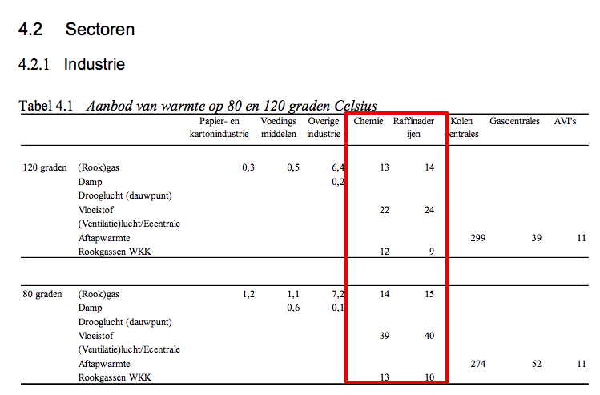

Outcomes (see detailed calculations to the right)

Residual heat from chemical sector [% of useful heat demand]
 | Residual heat from flue gasses | % | 11%
 | Residual heat from processes | % | 16%
 | Total useable residual heat | % | 27.5%
 | Heat that cannot be recovered | % | 72.5%

Residual heat from refineries [% of useful heat demand]
 | Residual heat from flue gasses | % | 18%
 | Residual heat from processes | % | 29%
 | Total useable residual heat | % | 47%
 | Heat that cannot be recovered | % | 53%

Residual heat from fertilizer industry [% of useful heat demand]
 | Residual heat from flue gasses | % | 3%
 | Residual heat from processes | % | 4%
 | Total useable residual heat | % | 6%
 | Heat that cannot be recovered | % | 94% | Opmerkingen:
 |  |  |  | De restwarmtepotenties voor de kunstmestindustrie zijn gelijk getrokken aan de chemie (o.b.v. interview Wouter Wetzels TNO)
Residual heat from ICT [% of useful electricity demand] |  |  |  | Omdat de kunstmestindustrie uitvoeriger is gemodelleerd in het ETM dan de chemie, hebben we meer bewerkingstappen moeten uitvoeren om de shares te bepalen
 | Residual heat from servers | % | 77%
 | Total useable residual heat | % | 77% |  | Rapport | Chemie |  | Kunstmest |  | Totaal gemodelleerde restwarmte chemie
 | Heat that cannot be recovered | % | 23% |  | warmte 80 graden | shares | restwarmte (PJ) | restwarmte (PJ) | shares t.o.v. HB
 |  |  |  | Totaal rookgassen | 27 | 11% | 21.09 | 2.36 | 3% | 23.45
 |  |  |  | Processen/vloeistof | 39 | 16% | 30.47 | 3.41 | 4% | 33.87
 |  |  |  | Overige warmte |  | 73% | 135.93 |  | 94%
 |  |  |  | Totale warmtevraag rapport (PJ) | 240
 |  |  |  | Totale warmtevraag ETM (PJ) | 208.46 | 187.49 |  | 20.97
 |  |  |  | Demand Haber-Bosch |  |  |  | 90.37

 |  |  |  | Raffinaderijen
 |  |  |  | Finaal energiebruik rapport | 170.0
 |  |  |  | Finaal energiebruik ETM | 159.0
 |  |  |  | Warmtevraag ETM | 129.1
 |  |  |  | Aangenomen warmtevraag rapport | 138.0
 |  |  |  |  | warmte 80 graden | shares
 |  |  |  | Totaal rookgassenwarmte (80C) | 25 | 18%
 |  |  |  | Processen/vloeistof (80C) | 40 | 29%
 |  |  |  | Overige warmte |  | 53%

 |  |  |  | Datacenters
 |  |  |  | PUE | 1.3
 |  |  |  | Elektriciteit naar servers | 77%
 |  |  |  | Dus bruikbare warmte | 77%

