Notes
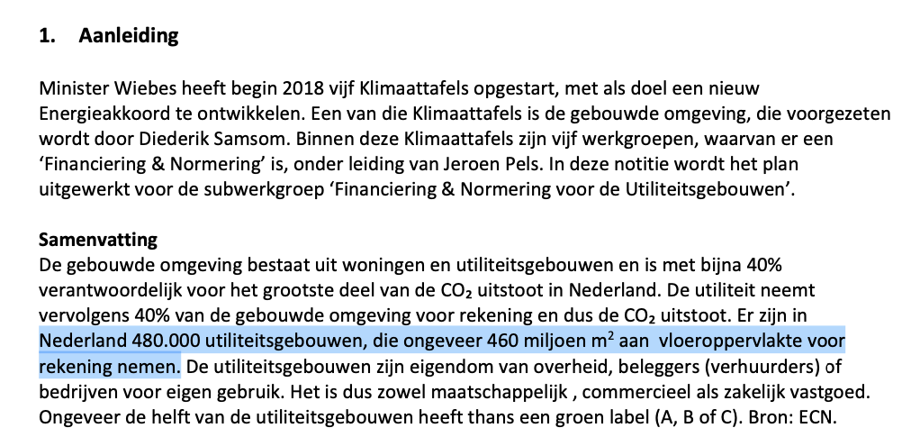
Note: this sheet details the infrastructure costs for block heating. The sheet distinguishes between heat network temperature ranges (low temperature, medium temperature, high temperature; LT, MT and HT) wherever possible and/or relevant.

 |  |  |  |  |  |  |  |  |  |  |  |  |  |  |  | Figure I: network definitions according to CE Delft (2022)
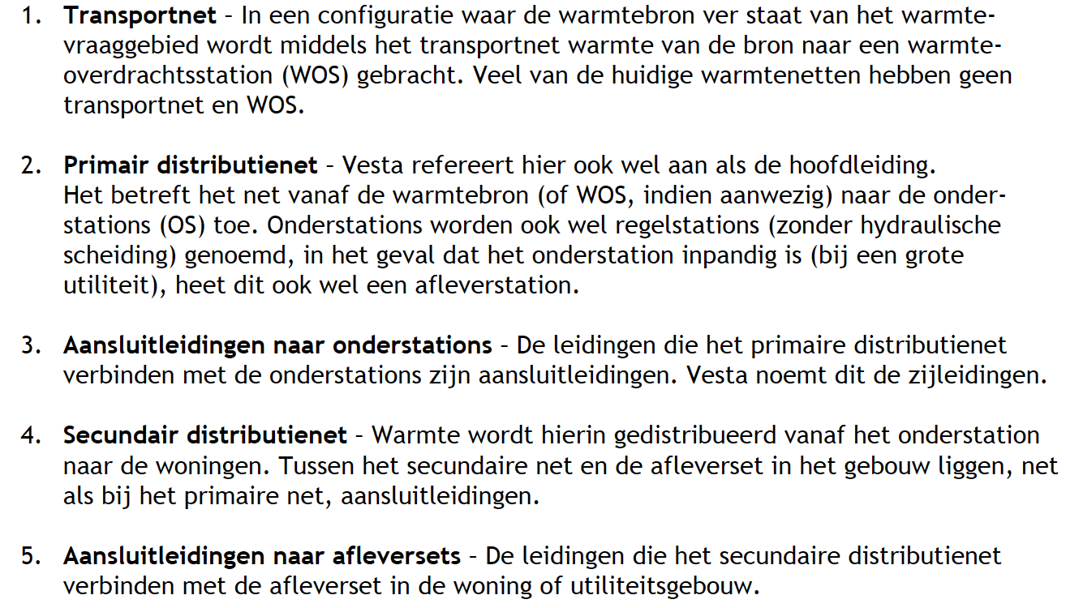

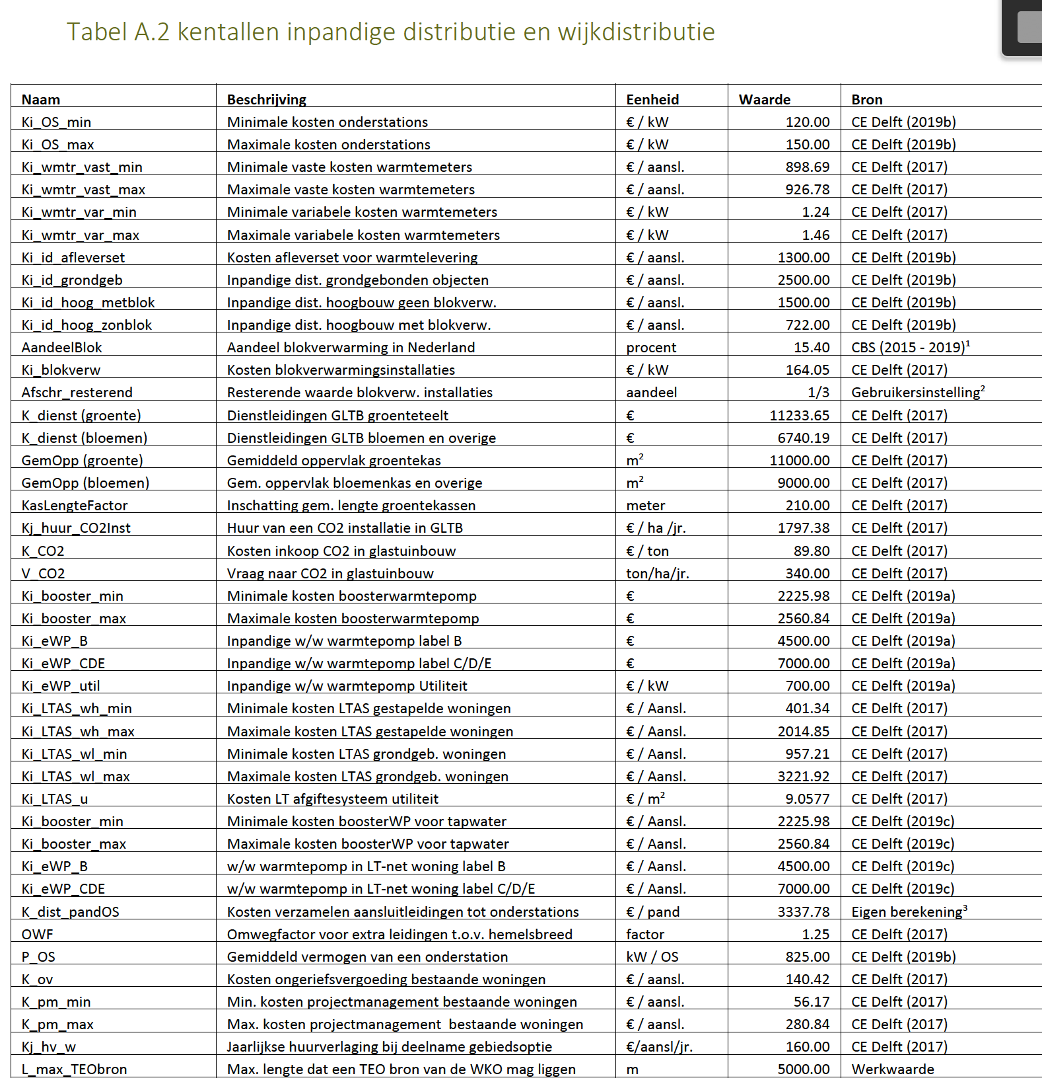
 |  |  |  |  |  |  |  |  |  |  |  |  |  |  | Figure A: table with key figures indoor distribution and neighborhood distribution
 |  |  |  |  | General assumptions | Dutch | English | Network type |  |  | Value | Unit | Data reference | Notes | Source: PBL, Functioneel ontwerp Vesta MAIS 5.0 (2021)
Proposed attributes | Network type | Unit | Value | Note |  | Aandeel blokverwarming in Nederland | Share of block heating in the Netherlands | All |  |  | 15.4 | % | Figure C
heat_share_of_apartments_with_block_heating |  | factor | 0.154 |  |  | Vloeroppervlak grondgebonden woning | Surface area ground level house | All |  |  | 140 | m2 | Figure B
 |  |  |  |  |  | Vloeroppervlak hoogbouw | Surface area apartment | All |  |  | 80 | m2 | Figure B
heat_length_of_distribution_pipelines_in_meter_per_residence_object_first_bracket | All | m/connection | 3.20 |  |  | Vloeroppervlak utiliteitsbouw | Surface area utility buildings | All |  |  | 958 | m2 | Figure R | Mentioned number of utility buildings differs from area attribute nl2019 by more than a factor of 2
heat_length_of_distribution_pipelines_in_meter_per_residence_object_second_bracket | All | m/connection | 4.60
heat_length_of_distribution_pipelines_in_meter_per_residence_object_third_bracket | All | m/connection | 5.8 |  | Quantity type | Dutch | English | Network type | Min costs | Max costs | Average costs | Unit
heat_length_of_distribution_pipelines_in_meter_per_residence_object_fourth_bracket | All | m/connection | 7.00 |  | Indoor distribution costs households | Inpandige distributiekosten hoogbouw geen blokverwarming | Indoor distribution costs apartments no block heating | All |  |  | € 1,500.00 | Euro/connection | Figure C
heat_length_of_distribution_pipelines_in_meter_per_residence_object_fifth_bracket | All | m/connection | 10.0 |  | Indoor distribution costs households | Inpandige distributiekosten hoogbouw met blokverwarming | Indoor distribution costs apartments with block heating | All |  |  | € 722.00 | Euro/connection | Figure C
 |  |  |  |  | Indoor distribution costs households | Inpandige distributiekosten grondgebonden objecten | Indoor distribution costs ground level houses | All |  |  | € 2,500.00 | Euro/connection | Figure C
heat_length_of_connection_pipelines_in_meter_per_residence_first_bracket | All | m/connection | 1.7 |  | Indoor distribution costs utility buildings | Inpandige distributiekosten utiliteit | Indoor distribution costs utility | All | 112.34 | 189.29 | € 150.82 | euro/kW | Figure O
heat_length_of_connection_pipelines_in_meter_per_residence_second_bracket | All | m/connection | 3.5 |  | Indoor costs | Warmtemeter | Heat meter | All | 898.69 | 926.78 | € 912.74 | Euro/connection | Figure C
heat_length_of_connection_pipelines_in_meter_per_residence_third_bracket | All | m/connection | 5 |  | Indoor costs | Variabele kosten warmtemeter | Variable costs heat meter | All | 1.24 | 1.46 | € 1.35 | Euro/kW | Figure C
heat_length_of_connection_pipelines_in_meter_per_residence_fourth_bracket | All | m/connection | 6.3 |  | Indoor costs | Afleverset | Heat delivery set | All |  |  | € 1,300.00 | Euro/connection | Figure C | This is higher than the number stated in the WIS subsity (figure P). For consistency with other attributes we use the same source as for the other attributes: CE Delft 2022. Note: the delivery set has a technical lifetime of 15 years, i.e. half that of the pipelines. The costs have nevertheless only been included once (rather than twice due to the lifetime difference), because the ETM uses the indoor investment costs both for depreciation and capital costs calculations.
heat_length_of_connection_pipelines_in_meter_per_residence_fifth_bracket | All | m/connection | 8.9 |  | Indoor construction costs | Bouwkundige kosten na afleverset grondgebonden objecten | Construction costs after heat delivery set ground level houses | All | € 350.00 | € 5,450.00 | € 2,900.00 | Euro/connection | Figure K
 |  |  |  |  | Indoor construction costs | Bouwkundige kosten na afleverset hoogbouw zonder blokverwarming | Construction costs after heat delivery set apartments without block heating | All | € 350.00 | € 4,050.00 | € 2,200.00 | Euro/connection | Figure K
heat_infrastructure_households_lt_indoor_investment_costs_apartments_without_block_heating_eur | LT | euro/connection | € 7,372 | Outdoor construction costs + heat delivery set + indoor distribution costs + fixed costs heat meter + (variable costs heat meter * power demand for heating) + indoor construction costs. This value is higher than the value of the WIS subsidy (Figure P). For consistency with other attributes we use the same source as for the other attributes: CE Delft 2022. | Indoor construction costs | Bouwkundige kosten na afleverset hoogbouw met blokverwarming | Construction costs after heat delivery set apartments with block heating | All | € 350.00 | € 1,500.00 | € 925.00 | Euro/connection | Figure K
heat_infrastructure_households_mt_indoor_investment_costs_apartments_without_block_heating_eur | MT | euro/connection | € 7,372 | Outdoor construction costs + heat delivery set + indoor distribution costs + fixed costs heat meter + (variable costs heat meter * power demand for heating) + indoor construction costs. This value is higher than the value of the WIS subsidy (Figure P). For consistency with other attributes we use the same source as for the other attributes: CE Delft 2022. | Power demand households | Vaste vermogensvraag ruimteverwarming laagbouw | Fixed part power demand heating ground level houses | All | 3.08 | 5.03 | 4.1 | kW/connection | Figure B
heat_infrastructure_households_ht_indoor_investment_costs_apartments_without_block_heating_eur | HT | euro/connection | € 7,372 | Outdoor construction costs + heat delivery set + indoor distribution costs + fixed costs heat meter + (variable costs heat meter * power demand for heating) + indoor construction costs. This value is higher than the value of the WIS subsidy (Figure P). For consistency with other attributes we use the same source as for the other attributes: CE Delft 2022. | Power demand households | Variabele vermogensvraag ruimteverwarming laagbouw | Flexible part power demand heating ground level houses | All | 0.03 | 0.04 | 0.035 | kW/m2 | Figure B
heat_infrastructure_households_lt_indoor_investment_costs_apartments_with_block_heating_eur | LT | euro/connection | € 4,069 | Outdoor construction costs + heat delivery set + indoor distribution costs + fixed costs heat meter + (variable costs heat meter * power demand for heating) + indoor construction costs. This value is higher than the value of the WIS subsidy (Figure P). For consistency with other attributes we use the same source as for the other attributes: CE Delft 2022. | Power demand households | Vaste vermogensvraag tapwater laagbouw | Fixed part power demand hot water ground level houses | All | 4 |  | 4.0 | kW/connection | Figure B
heat_infrastructure_households_mt_indoor_investment_costs_apartments_with_block_heating_eur | MT | euro/connection | € 4,069 | Outdoor construction costs + heat delivery set + indoor distribution costs + fixed costs heat meter + (variable costs heat meter * power demand for heating) + indoor construction costs. This value is higher than the value of the WIS subsidy (Figure P). For consistency with other attributes we use the same source as for the other attributes: CE Delft 2022. | Power demand households | Vaste vermogensvraag ruimteverwarming hoogbouw | Fixed part power demand heating appartments | All | 2 | 2.39 | 2.20 | kW/connection | Figure B | Costs for MT/HT system are added, because figure D show additional costs to replace HT and MT systems |  | Figure II: conversion of network components between CE Delft report (2022) and ETM
heat_infrastructure_households_ht_indoor_investment_costs_apartments_with_block_heating_eur | HT | euro/connection | € 4,069 | Outdoor construction costs + heat delivery set + indoor distribution costs + fixed costs heat meter + (variable costs heat meter * power demand for heating) + indoor construction costs. This value is higher than the value of the WIS subsidy (Figure P). For consistency with other attributes we use the same source as for the other attributes: CE Delft 2022. | Power demand households | Variabele vermogensvraag ruimteverwarming hoogbouw | Flexible part power demand heating appartments | All | 0.03 | 0.04 | 0.04 | kW/m2 | Figure B | Costs for MT/HT system are added, because figure D show additional costs to replace HT and MT systems
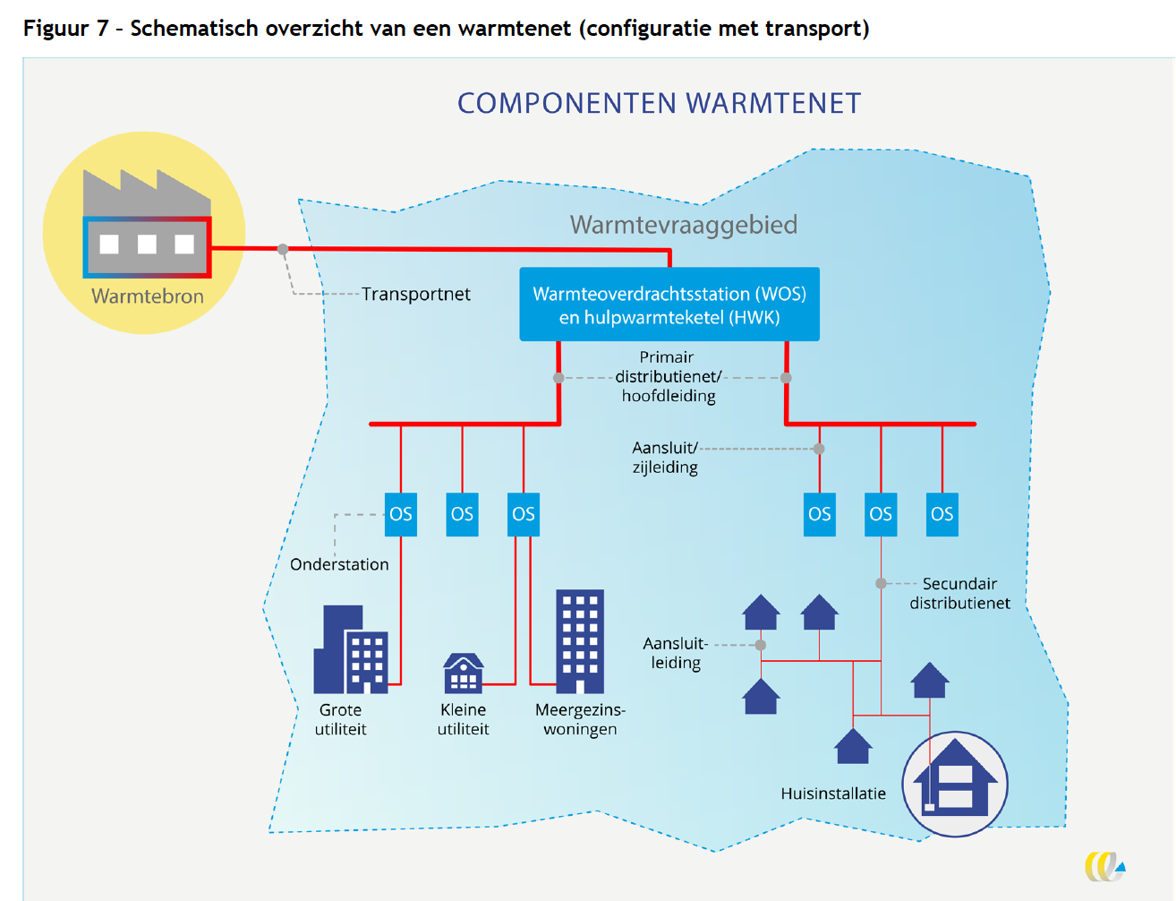
ETM: primary pipelines
ETM: (secundary) distribution pipelines
ETM: main distribution pipelines
ETM: connection pipelines (residences only)
heat_infrastructure_households_lt_indoor_investment_costs_ground_level_houses_eur | LT | euro/connection | € 10,080 | Outdoor construction costs + heat delivery set + indoor distribution costs + fixed costs heat meter + (variable costs heat meter * power demand for heating) + indoor construction costs. This value is higher than the value of the WIS subsidy (Figure P). For consistency with other attributes we use the same source as for the other attributes: CE Delft 2022. | Power demand households | Vaste vermogensvraag tapwater hoogbouw | Fixed part power demand hot water appartments | All | 2 |  | 2.0 | kW/connection | Figure B | Average costs for T>55 radiators for both HT and MT (code 64 in table)
heat_infrastructure_households_mt_indoor_investment_costs_ground_level_houses_eur | MT | euro/connection | € 10,080 | Outdoor construction costs + heat delivery set + indoor distribution costs + fixed costs heat meter + (variable costs heat meter * power demand for heating) + indoor construction costs. This value is higher than the value of the WIS subsidy (Figure P). For consistency with other attributes we use the same source as for the other attributes: CE Delft 2022. | Power demand households | Totale vermogensvraag ruimteverwarming + tapwater laagbouw | Total power demand space heating + hot water ground level houses | All |  |  | 13.0 | kW |  | Calculated based on values above
heat_infrastructure_households_ht_indoor_investment_costs_ground_level_houses_eur | HT | euro/connection | € 10,080 | Outdoor construction costs + heat delivery set + indoor distribution costs + fixed costs heat meter + (variable costs heat meter * power demand for heating) + indoor construction costs. This value is higher than the value of the WIS subsidy (Figure P). For consistency with other attributes we use the same source as for the other attributes: CE Delft 2022. | Power demand households | Totale vermogensvraag ruimteverwarming + tapwater hoogbouw zonder blokverwarming | Total power demand space heating + hot water apartments without block heating | All |  |  | 7.0 | kW |  | Calculated based on values above
 |  |  |  |  | Power demand households | Totale vermogensvraag ruimteverwarming + tapwater hoogbouw met blokverwarming | Total power demand space heating + hot water apartments with block heating | All |  |  | 7.0 | kW |  | Calculated based on values above
heat_buildings_indoor_investment_costs_eur_per_kw | All | euro/kW | € 152 |  | Power demand utility buildings | Gemiddelde vermogensvraag ruimteverwarming utiliteit | Average power demand heating utility buildings | All |  |  | 0.1 | kW/m2 | Figure M | See calculation table below
heat_buildings_indoor_investment_costs_eur_per_connection | All | euro/connection | € 7,563 |  | Power demand utility buildings | Vermogensvraag tapwater utiliteit | Power demand hot water utility buildings | All |  |  | 0.04 | kW/m2 | Figure M
 |  |  |  |  | Heat delivery system costs households | Afgiftesysteem LT gestapelde woningen | LT heat delivery system apartments | LT | € 1,575.05 | € 3,188.56 | € 2,381.81 | Euro/connection | Figure D + figure J | Adds LT costs from figure D to the average costs for T>55 radiators for both HT and MT (code 64 in table of figure J)
heat_exchanger_station_investment_costs_eur_per_kw | All | euro/kW | € 133 |  | Heat delivery system costs households | Afgiftesysteem MT gestapelde woningen | MT heat delivery system apartments | MT |  |  | € 1,173.71 | Euro/connection
heat_lt_sub_station_investment_costs_eur_per_kw | LT | euro/kW | € 100 |  | Heat delivery system costs households | Afgiftesysteem HT gestapelde woningen | HT home heating system apartments | HT |  |  | € 1,173.71 | Euro/connection |  | Costs for ground level houses scaled by surface area
heat_mt_sub_station_investment_costs_eur_per_kw | MT | euro/kW | € 50 |  | Heat delivery system costs households | Afgiftesysteem LT grondgebonden woningen | Heat distribution system ground level houses | LT | € 3,011.21 | € 5,275.92 | € 4,143.57 | Euro/connection | Figure D + figure J | Adds LT costs from figure D to the average costs for T>55 radiators for both HT and MT (code 64 in table of figure J)
heat_ht_sub_station_investment_costs_eur_per_kw | HT | euro/kW | € 50 |  | Heat delivery system costs households | Afgiftesysteem MT grondgebonden woningen | Heat distribution system ground level houses | MT |  |  | € 2,054.00 | Euro/connection | Figure J
heat_lt_distribution_pipelines_investment_costs_eur_per_meter | LT | euro/m | € 2,046 | Indoor distribution costs + heat meter variable costs | Heat delivery system costs households | Afgiftesysteem HT grondgebonden woningen | Heat distribution system ground level houses | HT |  |  | € 2,054.00 | Euro/connection | Figure J
heat_mt_distribution_pipelines_investment_costs_eur_per_meter | MT | euro/m | € 1,818 | Outdoor construction costs + heat delivery set + fixed costs heat meter + indoor construction costs ground level buildings | Heat delivery system costs utility | Afgiftesysteem utiliteit | Heat distribution system utility buildings | LT |  |  | € 25,386.20 | Euro/connection | Figure N | Costs mentioned in figure N are taken as costs additional to HT/MT system, because HT/MT heating systems are assumed present by default in Vesta/Hestia. Diminishing costs mentioned in the email are currently not taken into account
heat_ht_distribution_pipelines_investment_costs_eur_per_meter | HT | euro/m | € 1,416 |  | Heat delivery system costs utility | Afgiftesysteem utiliteit | Heat distribution system utility buildings | MT |  |  | € 16,705.71 | Euro/connection |  | Calculated by scaling the costs for HT home heating system in houses to utility and multiplying by average surface area of utility buildings
heat_lt_primary_pipelines_investment_costs_per_kw | LT | euro/kW | € 245 |  | Heat delivery system costs utility | Afgiftesysteem utiliteit | Heat distribution system utility buildings | HT |  |  | € 16,705.71 | Euro/connection |  | Calculated by scaling the costs for HT home heating system in houses to utility and multiplying by average surface area of utility buildings
heat_mt_primary_pipelines_investment_costs_per_kw | MT | euro/kW | € 245 |  | Outdoor construction costs | Bouwkundige kosten t/m afleverset laagbouw | Construction costs up to heat delivery set ground level houses | All | € 400.00 | € 4,500.00 | € 2,450.00 | Euro/connection | Figure K
heat_ht_primary_pipelines_investment_costs_per_kw | HT | euro/kW | € 216 |  | Outdoor construction costs | Bouwkundige kosten t/m afleverset hoogbouw zonder blokverwarming | Construction costs up to heat delivery set apartments without block heating | All | € 400.00 | € 2,500.00 | € 1,450.00 | Euro/connection | Figure K
heat_yearly_indoor_infrastructure_maintenance_costs_factor | All | factor | 0.025 |  | Outdoor construction costs | Bouwkundige kosten t/m afleverset hoogbouw met blokverwarming | Construction costs up to heat delivery set apartments with block heating | All | € 0.00 | € 400.00 | € 200.00 | Euro/connection | Figure K
heat_yearly_outdoor_infrastructure_maintenance_costs_factor | All | factor | 0.018 |  | Outdoor construction costs | Bouwkundige kosten t/m afleverset utiliteit | Construction costs up to heat delivery set utility buildings | All | € 400.00 | € 4,500.00 | € 2,450.00 | Euro/connection | Figure K

households_lt_heat_delivery_system_costs_apartments_eur_per_connection | LT | euro/connection | € 2,382 |  | Outdoor distribution costs | Transportnet (CE Delft) | Primary pipelines | LT |  |  | € 245.35 | euro/kW | Figure E | Assumes primary pipelines for LT networks effectively operate at medium temperatures | Figure B: table with current household power demand
households_mt_heat_delivery_system_costs_apartments_eur_per_connection | MT | euro/connection | € 1,174 |  | Outdoor distribution costs | Transportnet (CE Delft) | Primary pipelines | MT | € 184.73 | € 305.97 | € 245.35 | euro/kW | Figure E | Formula for dT50 used with assumed values from ETM; see calculation table below. | Source: CE Delft, Update kentallen installaties Vesta MAIS (2022)
households_ht_heat_delivery_system_costs_apartments_eur_per_connection | HT | euro/connection | € 1,174 |  | Outdoor distribution costs | Transportnet (CE Delft) | Primary pipelines | HT | € 152.03 | € 279.45 | € 215.74 | euro/kW | Figure E | Formula for dT70 used with assumed values from ETM; see calculation table below.
households_lt_heat_delivery_system_costs_ground_level_houses_eur_per_connection | LT | euro/connection | € 4,144 |  | Outdoor distribution costs | Primaire + secundaire distributienet (CE Delft) | Distribution pipelines | LT | € 1,757.35 | € 2,334.42 | € 2,045.88 | euro/m | Figure E | Formula for dT20 used with assumed values from ETM; see calculation table below. This is higher than the number stated in the WIS subsity (figure P). For consistency with other attributes we use the same source as for the other attributes: CE Delft 2022.
households_mt_heat_delivery_system_costs_ground_level_houses_eur_per_connection | MT | euro/connection | € 2,054 |  | Outdoor distribution costs | Primaire + secundaire distributienet (CE Delft) | Distribution pipelines | MT | € 1,510.74 | € 2,125.18 | € 1,817.96 | euro/m | Figure E | Formula for dT30 used with assumed values from ETM; see calculation table below. This is higher than the number stated in the WIS subsity (figure P). For consistency with other attributes we use the same source as for the other attributes: CE Delft 2022.
households_ht_heat_delivery_system_costs_ground_level_houses_eur_per_connection | HT | euro/connection | € 2,054 |  | Outdoor distribution costs | Primaire + secundaire distributienet (CE Delft) | Distribution pipelines | HT | € 1,037.75 | € 1,793.99 | € 1,415.87 | euro/m | Figure E | Formula for dT50 used with assumed values from ETM; see calculation table below. This is higher than the number stated in the WIS subsity (figure P). For consistency with other attributes we use the same source as for the other attributes: CE Delft 2022.
 |  |  |  |  | Outdoor distribution costs | Warmteoverdrachtsstation | Heat exchanger station | All | € 125.00 | € 140.00 | € 132.50 | euro/kW | Figure F
buildings_lt_heat_delivery_system_costs_eur_per_connection | LT | euro/connection | € 25,386 |  | Outdoor distribution costs | Onderstation | Sub station | LT |  |  | € 100.00 | euro/kW | Figure G | Assumes LT networks are used for new buildings (nieuwbouw). Note: the sub station costs in figure F's table are outdated according to the CE Delft report
buildings_mt_heat_delivery_system_costs_eur_per_connection | MT | euro/connection | € 16,706 |  | Outdoor distribution costs | Onderstation | Sub station | MT |  |  | € 50.00 | euro/kW | Figure G | Assumes MT and HT networks are used for existing buildings (bestaande bouw). Note: the sub station costs in figure F's table are outdated according to the CE Delft report.
buildings_ht_heat_delivery_system_costs_eur_per_connection | HT | euro/connection | € 16,706 |  | Outdoor distribution costs | Onderstation | Sub station | HT |  |  | € 50.00 | euro/kW | Figure G | Assumes MT and HT networks are used for existing buildings (bestaande bouw). Note: the sub station costs in figure F's table are outdated according to the CE Delft report.
 |  |  |  |  | Maintenance costs | Niet-inpandige onderhoudskosten | Outdoor infrastructure maintenance costs | All |  |  | 1.8 | % of investment costs | Figure H | This is in lower than the number stated in the WIS subsidy (see figure P). For consistency with other numbers we use the numbers from CE Delft 2022.
 |  |  |  |  | Maintenance costs | Inpandige onderhoudskosten | Indoor infrastructure maintenance costs | All |  |  | 2.5 | % of investment costs | Figure H | This is in agreement with the WIS subsidy (see figure Q)
 |  |  |  |  |  |  |  |  |  |  |  |  |  |  |  | Figure III: overview of connection and indoor costs
 |  |  |  |  |  |  |  |  |  |  |  |  |  |  |  | Source: CE Delft (2022)
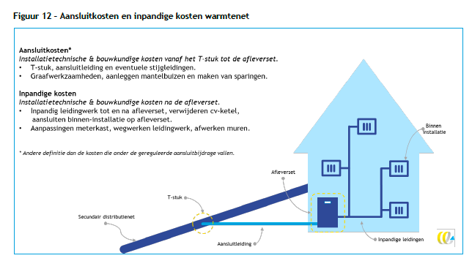
 |  |  |  |  | CALCULATIONS |  |  |  |  |  |  |  |  |  | Figure C: indoor costs for MT and HT heat networks
 |  |  |  |  | Quantity | Value | Unit | Note |  | Source |  |  |  |  | Source: CE Delft, Update kentallen installaties Vesta MAIS (2022)
 |  |  |  |  | Primary pipeline power | 10 | MW | See ETM documentation |  | https://docs.energytransitionmodel.com/main/heat-infrastructure-costs/#primary-pipelines
 |  |  |  |  | Primary pipeline network length | 1.5 | km | See ETM documentation
 |  |  |  |  | Kdt70 | n/a | €/m | Pipeline costs for input/out temperature difference of 70 degrees, dependant on input power P in MW |  | See figure E for formulas. Note: the max formula actually yields the min value and vice versa (mistake in the report)
 |  |  |  |  | Distribution pipeline power | 7 | MW | See ETM documentation |  | https://docs.energytransitionmodel.com/main/heat-infrastructure-costs/#secondary-distribution-pipelines

 |  |  |  |  | Total power demand ground level house | 12.955 | kW | Heating + hot water
 |  |  |  |  | Total power demand apartments | 6.995 | kW | Heating + hot water

 |  |  |  |  | Power demand heating - offices | 0.095
 |  |  |  |  | Power demand heating - shops | 0.055
 |  |  |  |  | Power demand heating - health care | 0.110
 |  |  |  |  | Power demand heating - accommodation | 0.075
 |  |  |  |  | Power demand heating - education | 0.050
 |  |  |  |  | Power demand heating - industry | 0.040 |  |  |  |  |  |  |  |  | Figure D: indoor costs for LT heat networks
 |  |  |  |  | Power demand heating - gathering | 0.120 |  |  |  |  |  |  |  |  | Source: CE Delft, Update kentallen installaties Vesta MAIS (2022)
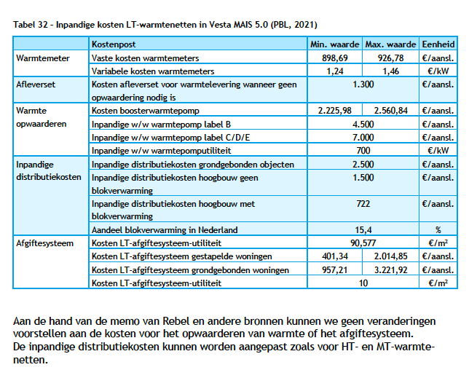
 |  |  |  |  | Power demand heating - sports | 0.080
 |  |  |  |  | Power demand heating - other | 0.020
 |  |  |  |  | Power demand heating - detainment | 0.115
 |  |  |  |  | Average power demand utility | 0.076

 |  |  |  |  |  |  |  |  |  |  |  |  |  |  | Figure E: temperature levels and corresponding costs formulas per network type
 |  |  |  |  |  |  |  |  |  |  |  |  |  |  | Source: CE Delft, Update kentallen installaties Vesta MAIS (2022)
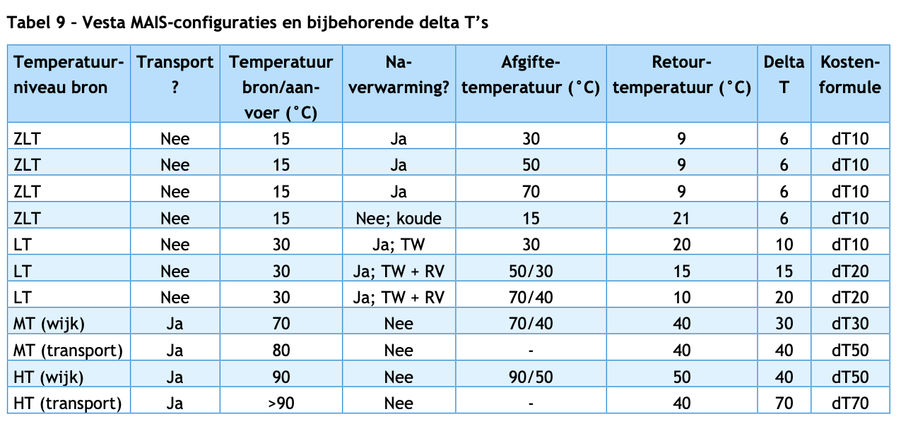
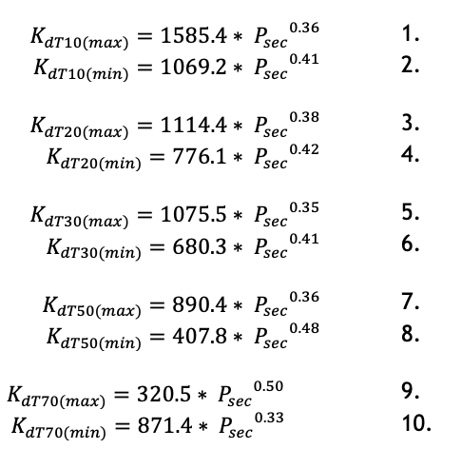

 |  |  |  |  |  |  |  |  |  |  |  |  |  |  | Figure F: investment costs for heat exchanger stations
 |  |  |  |  |  |  |  |  |  |  |  |  |  |  | Source: CE Delft, Update kentallen installaties Vesta MAIS (2022)
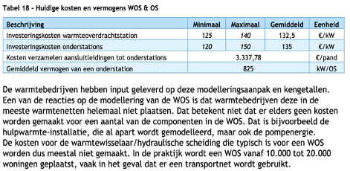

 |  |  |  |  |  |  |  |  |  |  |  |  |  |  | Figure G: investment costs for sub stations
 |  |  |  |  |  |  |  |  |  |  |  |  |  |  | Source: CE Delft, Update kentallen installaties Vesta MAIS (2022)

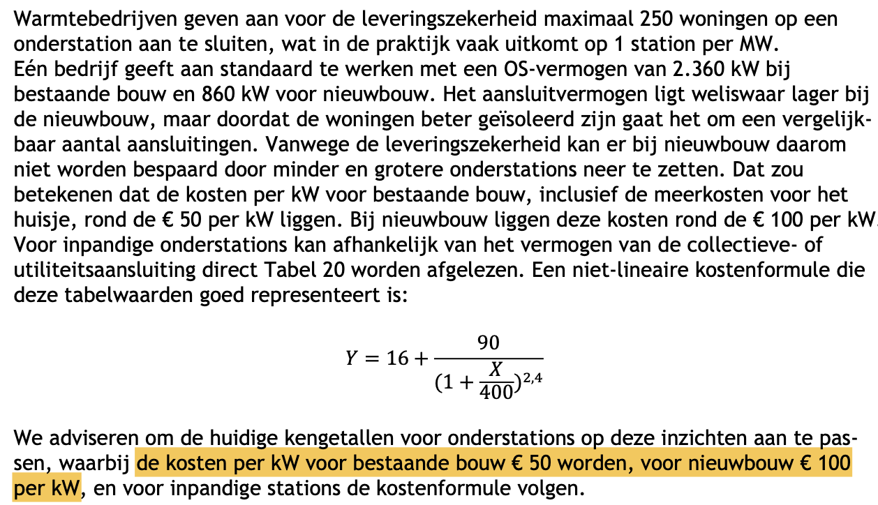

 |  |  |  |  |  |  |  |  |  |  |  |  |  |  | Figure H: maintenance costs in % of total investment costs
 |  |  |  |  |  |  |  |  |  |  |  |  |  |  | Source: CE Delft, Update kentallen installaties Vesta MAIS (2022)
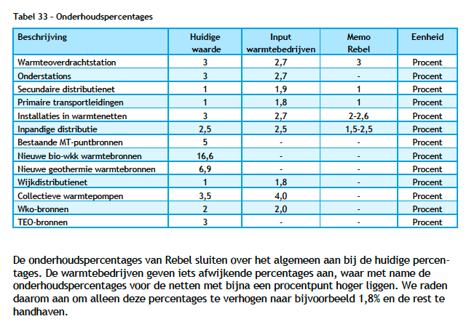

 |  |  |  |  |  |  |  |  |  |  |  |  |  |  | Figure J: home heating system costs for HT and MT systems
 |  |  |  |  |  |  |  |  |  |  |  |  |  |  | Source: , Actualisatie bouw- en investeringskosten energiebesparende maatregelen bestaande woningbouw 2021 (2021)
 |  |  |  |  |  |  |  |  |  |  |  |  |  |  | Note: letter I skipped for figures because of confusion with Roman numerals
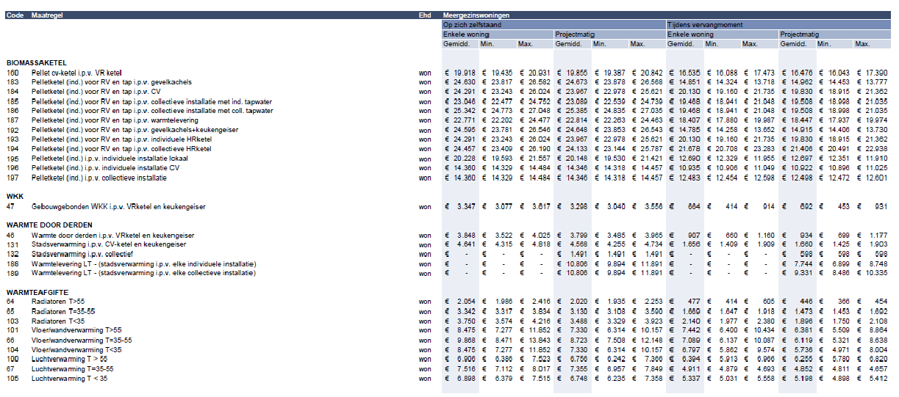

 |  |  |  |  |  |  |  |  |  |  |  |  |  |  | Figure K: outdoor construction costs
 |  |  |  |  |  |  |  |  |  |  |  |  |  |  | Source: CE Delft, Update kentallen installaties Vesta MAIS (2022)

 |  |  |  |  |  |  |  |  |  |  |  |  |  |  | Figure L: indoor construction costs
 |  |  |  |  |  |  |  |  |  |  |  |  |  |  | Source: CE Delft, Update kentallen installaties Vesta MAIS (2022)

 |  |  |  |  |  |  |  |  |  |  |  |  |  |  | Figure M: utility buildings power demand
 |  |  |  |  |  |  |  |  |  |  |  |  |  |  | Source: CE Delft, Update kentallen installaties Vesta MAIS (2022)
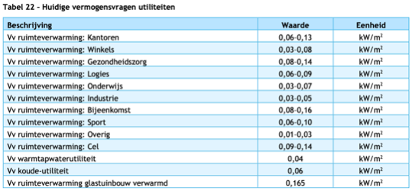

 |  |  |  |  |  |  |  |  |  |  |  |  |  |  | Figure N: personal communication with Folckert van der Molen (PBL) about LT heating system costs in Hestia
 |  |  |  |  |  |  |  |  |  |  |  |  |  |  | Source: personal communication

 |  |  |  |  |  |  |  |  |  |  |  |  |  |  | Figure O: indoor investment costs for utility buildings
 |  |  |  |  |  |  |  |  |  |  |  |  |  |  | Source: Functioneel ontwerp Vesta MAIS 4.0 (2019)
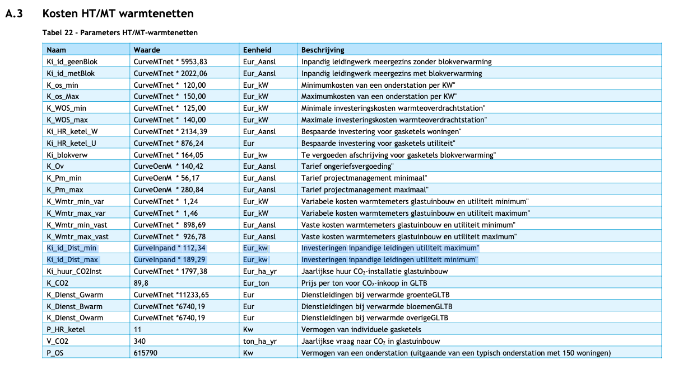

 |  |  |  |  |  |  |  |  |  |  |  |  |  |  | Figure P: maximum infrastructure costs according to get WIS subsidy
 |  |  |  |  |  |  |  |  |  |  |  |  |  |  | Source: Staatscourant 11052
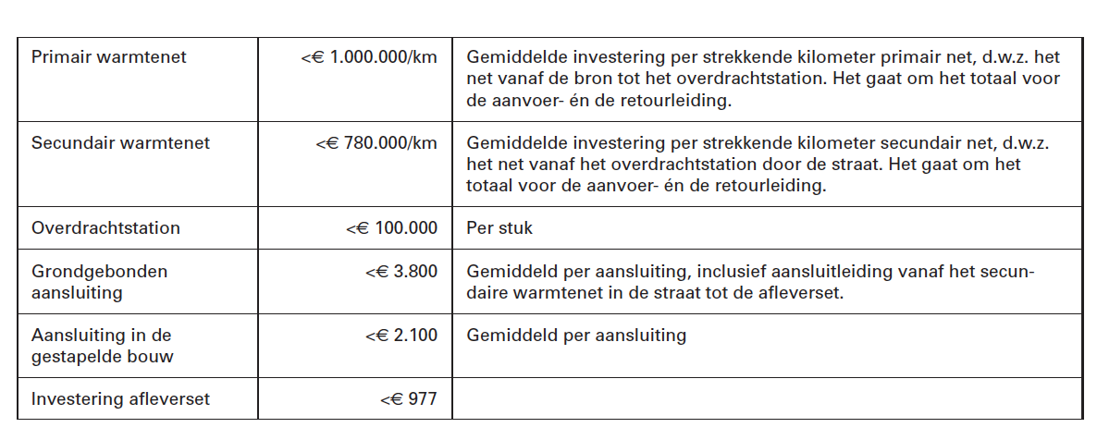

 |  |  |  |  |  |  |  |  |  |  |  |  |  |  | Figure Q: maintenance costs according to WIS subsidy
 |  |  |  |  |  |  |  |  |  |  |  |  |  |  | Source: Staatscourant 11052
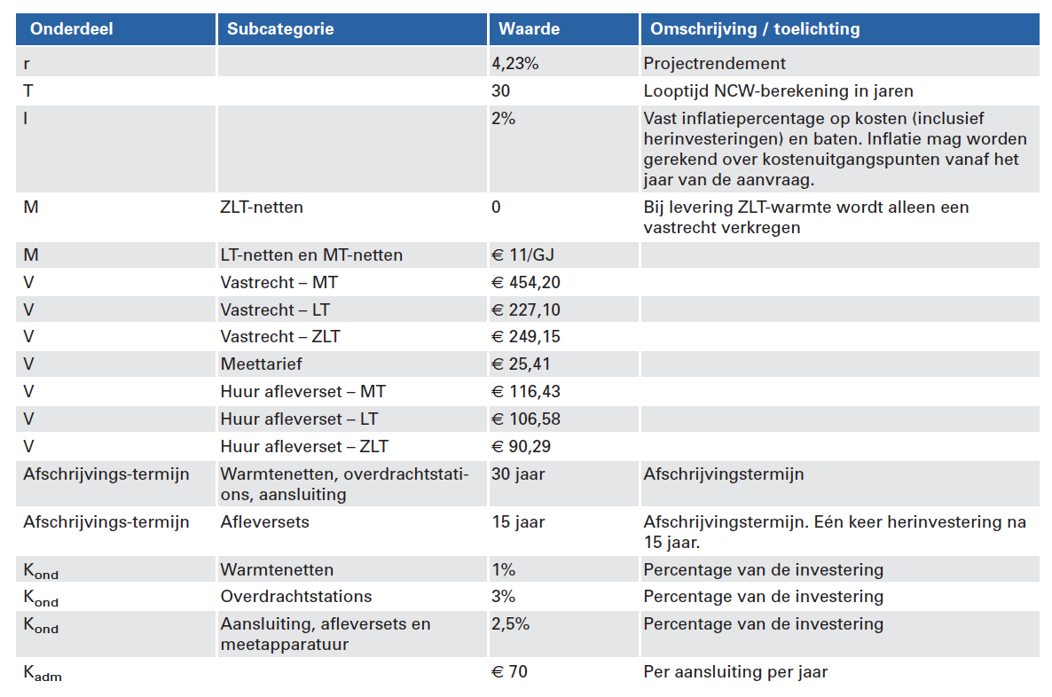

 |  |  |  |  |  |  |  |  |  |  |  |  |  |  | Figure R: average surface area utility buildings Netherlands
 |  |  |  |  |  |  |  |  |  |  |  |  |  |  | Source: Werkgroep Verduurzaming Utiliteitsbouw

