Output
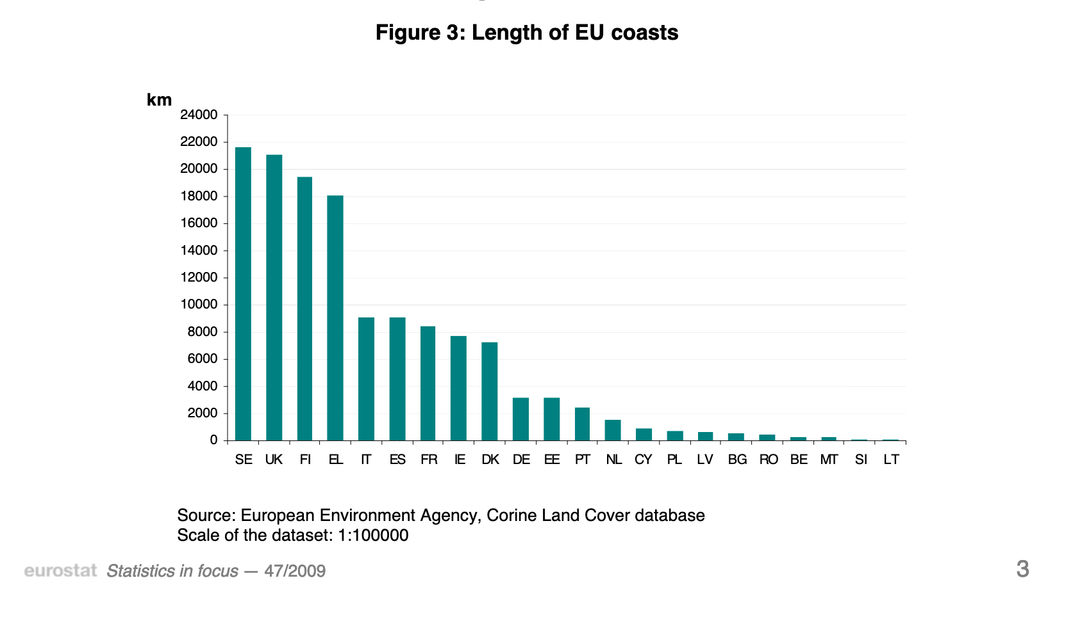
 | AT | CZ | HR | HU | LU | SK | SE | UK | FI | EL | IT | ES | FR | IE | DK | DE | EE | PT | NL | CY | PL | LV | BG | RO | BE | MT | SI | LT | EU | commit_AT | commit_CZ | commit_HR | commit_HU | commit_LU | commit_SK | commit_SE | commit_UK | commit_FI | commit_EL | commit_IT | commit_ES | commit_FR | commit_IE | commit_DK | commit_DE | commit_EE | commit_PT | commit_NL | commit_CY | commit_PL | commit_LV | commit_BG | commit_RO | commit_BE | commit_MT | commit_SI | commit_LT | commit_EU
coast_line | 0 | 0 | 0 | 0 | 0 | 0 | 21500 | 21000 | 19500 | 18000 | 900 | 900 | 8500 | 7500 | 7000 | 3000 | 3000 | 2500 | 1500 | 1000 | 700 | 700 | 500 | 500 | 200 | 200 | 100 | 100 | 97800 | Based (roughly) on Corine Land Cover database; Author: European Environment Agency; year: 2009 | Based (roughly) on Corine Land Cover database; Author: European Environment Agency; year: 2010 | Based (roughly) on Corine Land Cover database; Author: European Environment Agency; year: 2011 | Based (roughly) on Corine Land Cover database; Author: European Environment Agency; year: 2012 | Based (roughly) on Corine Land Cover database; Author: European Environment Agency; year: 2013 | Based (roughly) on Corine Land Cover database; Author: European Environment Agency; year: 2014 | Based (roughly) on Corine Land Cover database; Author: European Environment Agency; year: 2015 | Based (roughly) on Corine Land Cover database; Author: European Environment Agency; year: 2016 | Based (roughly) on Corine Land Cover database; Author: European Environment Agency; year: 2017 | Based (roughly) on Corine Land Cover database; Author: European Environment Agency; year: 2018 | Based (roughly) on Corine Land Cover database; Author: European Environment Agency; year: 2019 | Based (roughly) on Corine Land Cover database; Author: European Environment Agency; year: 2020 | Based (roughly) on Corine Land Cover database; Author: European Environment Agency; year: 2021 | Based (roughly) on Corine Land Cover database; Author: European Environment Agency; year: 2022 | Based (roughly) on Corine Land Cover database; Author: European Environment Agency; year: 2023 | Based (roughly) on Corine Land Cover database; Author: European Environment Agency; year: 2024 | Based (roughly) on Corine Land Cover database; Author: European Environment Agency; year: 2025 | Based (roughly) on Corine Land Cover database; Author: European Environment Agency; year: 2026 | Based (roughly) on Corine Land Cover database; Author: European Environment Agency; year: 2027 | Based (roughly) on Corine Land Cover database; Author: European Environment Agency; year: 2028 | Based (roughly) on Corine Land Cover database; Author: European Environment Agency; year: 2029 | Based (roughly) on Corine Land Cover database; Author: European Environment Agency; year: 2030 | Based (roughly) on Corine Land Cover database; Author: European Environment Agency; year: 2031 | Based (roughly) on Corine Land Cover database; Author: European Environment Agency; year: 2032 | Based (roughly) on Corine Land Cover database; Author: European Environment Agency; year: 2033 | Based (roughly) on Corine Land Cover database; Author: European Environment Agency; year: 2034 | Based (roughly) on Corine Land Cover database; Author: European Environment Agency; year: 2035 | Based (roughly) on Corine Land Cover database; Author: European Environment Agency; year: 2036 | Based (roughly) on Corine Land Cover database; Author: European Environment Agency; year: 2037

derived from https://ec.europa.eu/eurostat/documents/3433488/5281405/KS-SF-09-047-EN.PDF/121dae7c-a53c-464a-baca-a314e652f4e7

