Sheet1
GHG emissions, Gg CO2 equivalent | 1990 | 1998 | Source: UNFCCC --> https://unfccc.int/topics/mitigation/resources/registry-and-data/ghg-data-from-unfccc
Summary Total
CO2 emissions without LULUCF / LUCF | 62,970.0 | 50,604.6 |  | Given defiintion in the documentation : https://docs.energytransitionmodel.com/main/co2-1990-emissions .
CO2 net emissions/removals by LULUCF / LUCF | -6,665.0 | -8,661.0
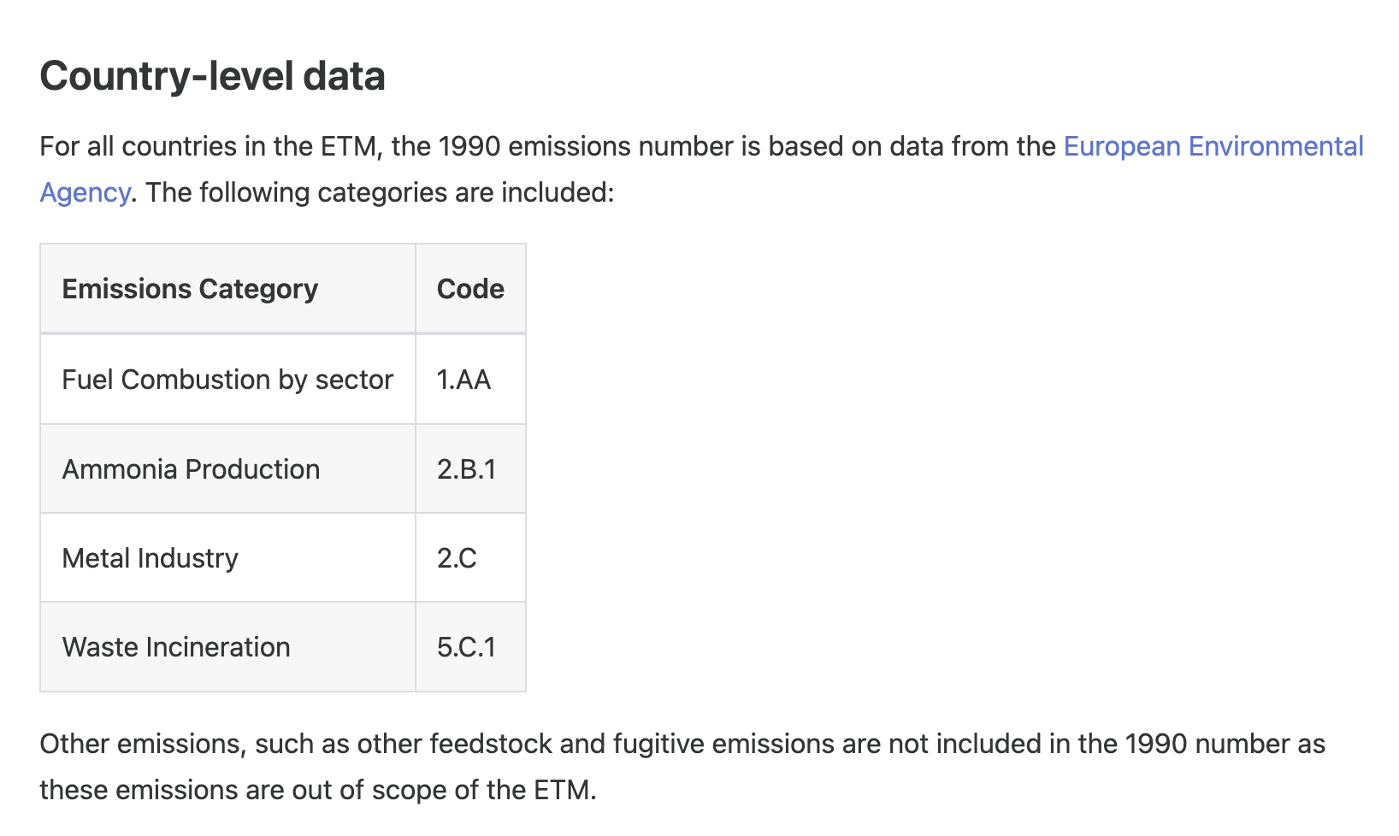
CO2 net emissions/removals with LULUCF / LUCF | 56,305.0 | 41,943.6
GHG emissions without LULUCF / LUCF | 80,802.9 | 66,342.4
GHG net emissions/removals by LULUCF / LUCF | -6,665.0 | -8,661.0
GHG net emissions/removals with LULUCF / LUCF | 74,137.9 | 57,681.4

Breakdown by sub-sectors
1. Energy | 62,775.9 | 50,545.7
1.A.1. Energy industries | 37,714.3 | 34,816.0
1.A.2. Manufacturing industries and construction | 6,333.5 | 3,444.7
1.A.3. Transport | 5,715.3 | 3,876.7
1.A.4. Other sectors | 9,990.4 | 5,626.7
1.A.5. Other
1.B. Fugitive emissions from Fuels | 3,022.3 | 2,781.5
2. Industrial Processes | 4,270.8 | 3,619.1
2.A. Mineral Products | 1,831.0 | 1,514.0
2.B. Chemical Industry | 827.8 | 701.1
2.C. Metal Production | 1,612.0 | 1,404.0
2.D. Other Production
2.E. Production of Halocarbons and SF6
2.F. Consumption of Halocarbons and SF6
2.G. Other | NE | NE
3. Solvents | NE | NE
4. Agriculture | 11,826.7 | 9,499.7
4.A. Enteric Fermentation | 3,332.3 | 2,842.8
4.B. Manure Management | 1,510.4 | 1,341.0
4.C. Rice Cultivation | NO | NO
4.D. Agricultural Soils | 6,770.4 | 5,121.2
4.E. Prescribed Burning of Savannas | NO | NO
4.F. Field Burning of Agricultural Residues | 213.6 | 194.8
4.G. Other
5bis. Land-Use Change and Forestry | -6,665.0 | -8,661.0
5bis.A. Changes in Forest and Other Woody Biomass Stocks | -6,764.0 | -8,661.0
5bis.B. Forest and Grassland Conversion | 99.0 | NE
5bis.C. Abandonment of Managed Lands | NE | NE
5bis.D. CO2 Emissions and Removals from Soil | NE | NE
5bis.E. Other | NE | NE
6. Waste | 1,929.5 | 2,677.9
6.A. Solid Waste Disposal on Land | 1,684.6 | 2,429.9
6.B. Wastewater Handling | 244.9 | 248.0
6.C. Waste Incineration
6.D. Other | NE | NE
7. Other | NE | NE

Deeper inspection international bunkers
Category | 1990
International Bunkers | 458.61 |  | co2_emission_1990 | 61,529.5 | Gg | =ton
Aviation | 458.61 |  | co2_emission_1990 | 0.062 | Mton
Marine | NE |  | co2_emission_1990_aviation_bunkers | 0.00046 | Mton
 |  |  | co2_emission_1990_marine_bunkers | 0 | Mton

Deeper inspection sector 2.B. Chemical industry Serbia
source: https://di.unfccc.int/detailed_data_by_party
Category | 1990
2.B Chemical Industry | 827.83
2.B.1 Ammonia Production | —
2.B.2 Nitric Acid Production | —
2.B.3 Adipic Acid Production | —
2.B.4 Carbide Production | —
2.B.5 Other | —

Deeper inspection sector 2.B. Chemical industry European Union
source: https://di.unfccc.int/detailed_data_by_party
Category | 1990
2.B Chemical Industry | 154,479.77
2.B.1 Ammonia Production | 30,593.13
2.B.2 Nitric Acid Production | 40,718.21
2.B.3 Adipic Acid Production | 33,480.62
2.B.4 Caprolactam, Glyoxal and Glyoxylic Acid Production | 3,673.73
2.B.5 Carbide Production | 1,805.17
2.B.6 Titanium Dioxide Production | 21.53
2.B.7 Soda Ash Production | 1,965.97
2.B.8 Petrochemical and Carbon Black Production | 11,119.03
2.B.9 Fluorochemical Production | 23,336.79
2.B.10 Other | 7,765.58

Share of ammonia production EU in 1990 | 0.19803970151
co2 by ammonia production Serbia in 1990 | 163.9432061

