Notes
Sources | Page |  | Notes

EU JRC_201111_Well-to-wheel analysis of future automotive fuels and powertrains in the European context (version 3c) WTT Appendix 1
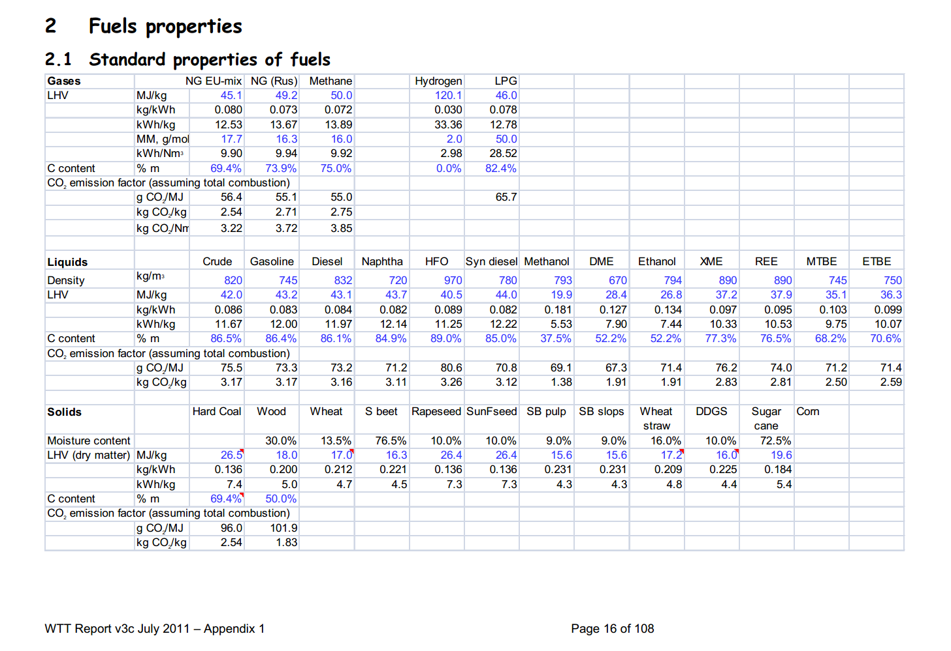

 | 16 |  | 890 | kg/m3 | Density
 |  |  | 37.2 | MJ/KG | LHV
 |  |  | 0.89 | kg/dm3 | transform to kg/Liter
 |  |  | 33.108 | MJ/L | LHV

Sources | Page |  | Notes

MinLenV Vlaanderen_2008_koolzaad van zaad tot olie

 | 17

 | 26
 | komt hier uit

 | 26

 |  | Opbrengst biodiesel
 |  |  | 1600 | liter/ha | winterkoolzaad
 |  | opbrengst | 4.5 | ton/ha | winterkoolzaad | 1485 | liter koolzaadolie
 |  | opbrengst | 3.25 | ton /ha | zomerkoolzaad

 |  |  | 160000 | L/km2
 |  |  | 5269465 | MJ/km2

Sources | Page |  | Notes
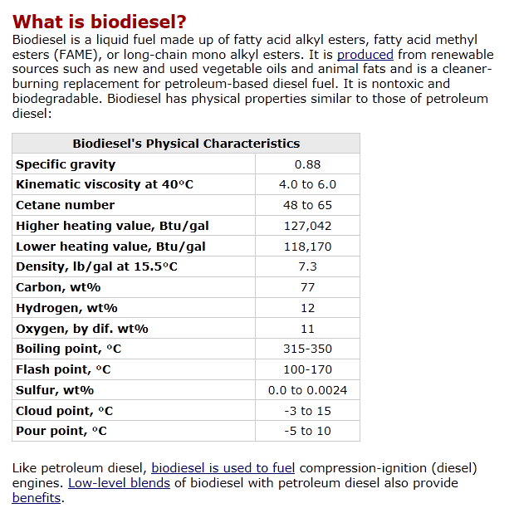
http://www.afdc.energy.gov/afdc/fuels/biodiesel_what_is.html
 |  |  | Energie dichtheid
 |  |  | 170000 | 200000 | BTU | per gallon
 |  |  | 1055 |  | 1 BTU in joules | per gallon |  | 3.78541178 | liter in Gallon
 |  |  | 179350000 |  | joules | per gallon
 |  |  | 179.35 |  | Mega joules | per gallon
 |  |  |  |  | MJ/L

 |  | Low heating value | 118170 | btu/gallon
 |  |  | 124669350 | joules per gallon
 |  |  | 124.66935 | MJ/gallon
 |  |  | 32.93415809 | MJ/L

 |  | High heating value | 127042 | btu/gallon
 |  |  | 134029310 | joules per gallon
 |  |  | 134.02931 | MJ/gallon
 |  |  | 35.406797936 | MJ/L

Sources | Page |  | Notes

Borjesson_2010_Agricultural crop-based biofuels.pdf

 | 111

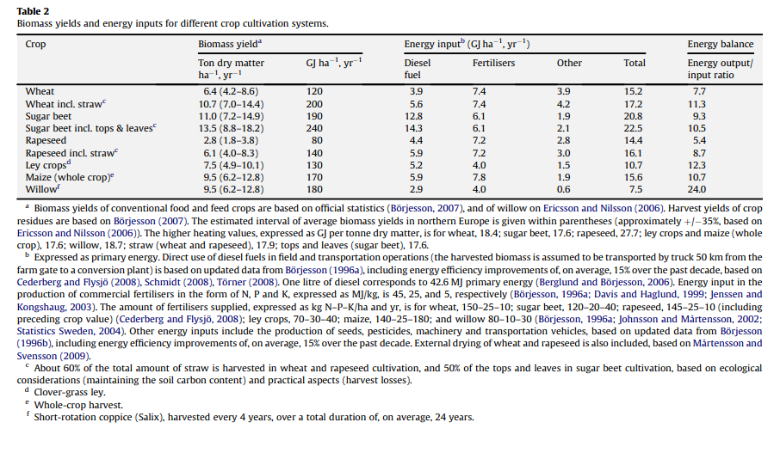

 | 111

 | 112

 | 113

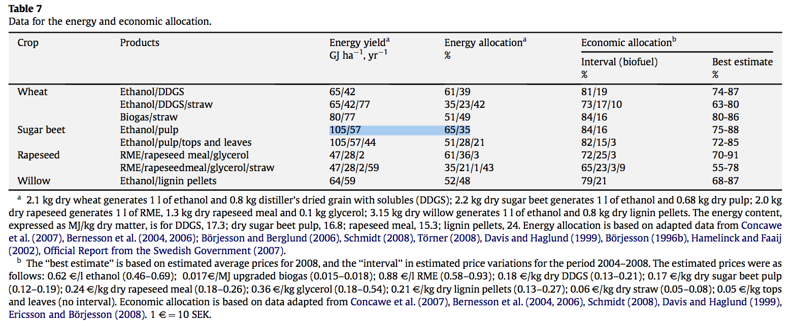
 | 114

 |  |  |  | GJ/ha/yr
 |  |  |  | MJ/ha/yr
 |  |  |  | MJ/km2/yr

Sources | Page |  | Notes
http://www.localenergy.org/pdfs/Document%20Library/Bioenergy%20conversion%20factors.pdf
 | 3
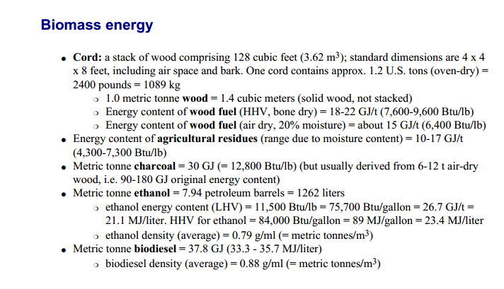
 |  | LHV |  | MJ/L
 |  | HHV |  | MJ/L

Sources | Page |  | Notes

CE_Delft_201109_Toelichting_ketenkentallen_incl_biodiesel_bio-ethanol_(LCA).pdf

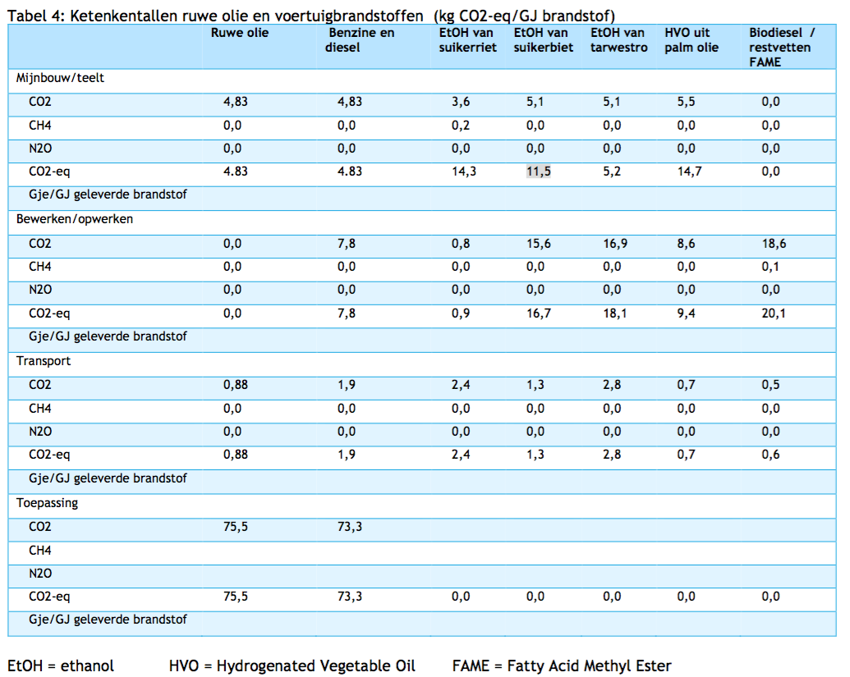

 | 12

 |  | from waste fats
 |  | co2_exploration_per_mj |  |  | 0 | kg CO2 eq/GJ |  | not relevant
 |  | co2_extraction_per_mj |  |  | 0 | kg CO2 eq/GJ
 |  | co2_treatment_per_mj |  |  | 20.1 | kg CO2 eq/GJ
 |  | co2_transportation_per_mj |  |  | 0.6 | kg CO2 eq/GJ
 |  | co2_conversion_per_mj |  |  | 0 | kg CO2 eq/GJ
 |  | co2_waste_treatment_per_mj |  |  | 0 | kg CO2 eq/GJ |  | not relevant

 |  | co2_exploration_per_mj |  |  | 0 | kg CO2 eq/GJ |  | not relevant
 |  | co2_extraction_per_mj |  |  | 0 | kg CO2 eq/GJ
 |  | co2_treatment_per_mj |  |  | 0.0201 | kg CO2 eq/GJ
 |  | co2_transportation_per_mj |  |  | 0.0006 | kg CO2 eq/GJ
 |  | co2_conversion_per_mj |  |  | 0 | kg CO2 eq/GJ
 |  | co2_waste_treatment_per_mj |  |  | 0 | kg CO2 eq/GJ |  | not relevant

 |  | from palm oil
 |  | co2_exploration_per_mj |  |  | 0 | kg CO2 eq/GJ |  | not relevant
 |  | co2_extraction_per_mj |  |  | 14.7 | kg CO2 eq/GJ
 |  | co2_treatment_per_mj |  |  | 9.4 | kg CO2 eq/GJ
 |  | co2_transportation_per_mj |  |  | 0.7 | kg CO2 eq/GJ
 |  | co2_conversion_per_mj |  |  | 0 | kg CO2 eq/GJ
 |  | co2_waste_treatment_per_mj |  |  | 0 | kg CO2 eq/GJ |  | not relevant

 |  | co2_exploration_per_mj |  |  | 0 | kg CO2 eq/GJ |  | not relevant
 |  | co2_extraction_per_mj |  |  | 0.0147 | kg CO2 eq/GJ
 |  | co2_treatment_per_mj |  |  | 0.0094 | kg CO2 eq/GJ
 |  | co2_transportation_per_mj |  |  | 0.0007 | kg CO2 eq/GJ
 |  | co2_conversion_per_mj |  |  | 0 | kg CO2 eq/GJ
 |  | co2_waste_treatment_per_mj |  |  | 0 | kg CO2 eq/GJ |  | not relevant

Sources | Page |  | Notes

Ecofys Abengoa_2007_ Blending ethanol in diesel

http://ec.europa.eu/energy/renewables/biofuels/doc/standard/lot3b.pdf

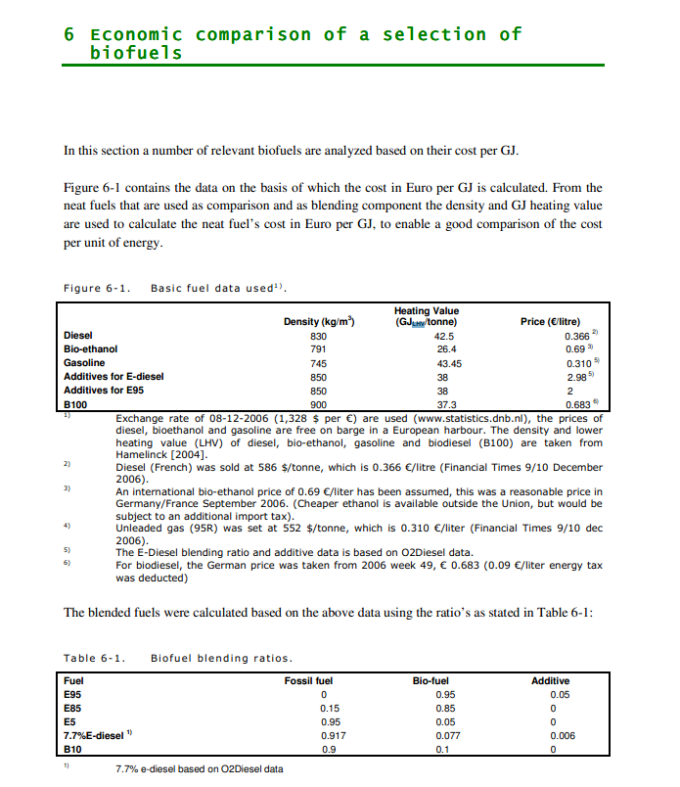

 | 27 | LHV biodiesel | 37.3 | GJ/tonne | Heating value
 |  |  | 37.3 | MJ/kg
 |  |  | 0.9 | kg/m^3 | Density
 |  |  | 33.57 | MJ/L

Sources | Page |  | Notes

http://www.ufop.de/biodiesel-und-co/biodiesel-preis/

 |  |  | For Germany, no price info available for NL

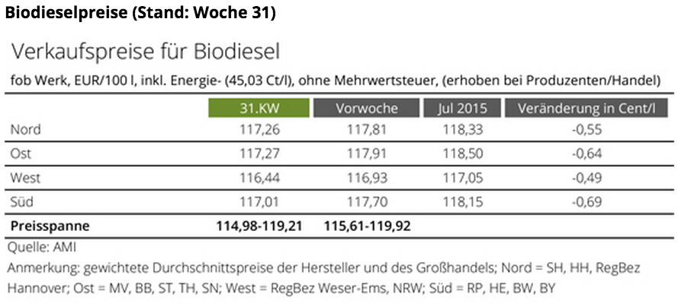

 |  |  | Price (EUR/100l) | Tax | Price -/- tax
 |  | North | 118.33 | 45.03 | 73.3
 |  | East | 118.5 | 45.03 | 73.47
 |  | West | 117.05 | 45.03 | 72.02
 |  | South | 118.15 | 45.03 | 73.12
 |  | Average | 118.0075 | 45.03 | 72.9775 | EUR/100 L
 |  |  |  |  | 0.729775 | EUR/L
 |  |  |  |  | 0.022042255648 | EUR/MJ

Sources | Page |  | Notes

European Commission - Weekly Oil Bulletin
http://ec.europa.eu/energy/observatory/oil/bulletin_en.htm

 | Calculate monthly average
 | NL |  |  |  | Date | ExchangeRateTo € | Gas oil automobileAutomotive gas oilDieselkraftstoff(I) excl tax | Gas oil automobileAutomotive gas oilDieselkraftstoff(I) incl tax
 | No taxes |  |  |  |  |  | 1000L | 1000L
 |  | diesel | 545.586 | EUR/1000L | 2017-11-20 |  | 550.71 | 1,264
 |  | diesel | 0.54559 | EUR/L | 2017-11-13 |  | 559.8 | 1,275
 |  |  |  |  | 2017-11-06 |  | 550.71 | 1,264
 | Incl taxes | diesel | 1257.800 | EUR/1000L | 2017-10-30 |  | 535.01 | 1,245
 |  | diesel | 1.25780 | EUR/L | 2017-10-23 |  | 531.7 | 1,241
 |  |  |  |  | 2016-02-08 | 1.00000 | 371.99 | 1,046
 | Taxes |  |  |  | 2016-02-01 | 1.00000 | 362.08 | 1,034
 | VAT | diesel | 21% | % | 2016-01-25 | 1.00000 | 355.46 | 1,026
 | Excise | diesel | 0.49391813223 | EUR/L | 2016-01-18 | 1.00000 | 373.65 | 1,048
 |  |  |  |  | 2016-01-11 | 1.00000 | 391.83 | 1,070
 |  |  |  |  | 2016-01-04 | 1.00000 | 391.83 | 1,070
 | Check | diesel | 1.25780 | EUR/L (inc tax) | 2015-12-14 | 1.00000 | 444.65 | 1,131
 |  |  |  |  | 2015-12-07 | 1.00000 | 467.79 | 1,159
 |  |  |  |  | 2015-11-30 | 1.00000 | 486.8 | 1,182
 |  |  |  |  | 2015-11-23 | 1.00000 | 491.76 | 1,188
 |  |  |  |  | 2015-11-16 | 1.00000 | 506.63 | 1,206
 |  |  |  |  | 2015-11-09 | 1.00000 | 503.33 | 1,202
 |  |  |  |  | 2015-11-02 | 1.00000 | 481.01 | 1,175
 |  |  |  |  | 2015-10-26 | 1.00000 | 478.54 | 1,172
 |  |  |  |  | 2015-10-19 | 1.00000 | 493.41 | 1,190
 |  |  |  |  | 2015-10-12 | 1.00000 | 501.68 | 1,200
 |  |  |  |  | 2015-10-05 | 1.00000 | 489.28 | 1,185
 |  |  |  |  | 2015-09-28 | 1.00000 | 490.11 | 1,186
 |  |  |  |  | 2015-09-21 | 1.00000 | 498.37 | 1,196
 |  |  |  |  | 2015-09-14 | 1.00000 | 502.5 | 1,201
 |  |  |  |  | 2015-09-07 | 1.00000 | 493.41 | 1,190
 |  |  |  |  | 2015-08-31 | 1.00000 | 466.06 | 1,156.91
 |  |  |  |  | 2015-08-24 | 1.00000 | 485.97 | 1,181
 |  |  |  |  | 2015-08-17 | 1.00000 | 496.72 | 1,194
 |  |  |  |  | 2015-08-10 | 1.00000 | 504.98 | 1,204
 |  |  |  |  | 2015-08-03 | 1.00000 | 518.2 | 1,220
 |  |  |  |  | 2015-07-27 | 1.00000 | 533.91 | 1,239
 |  |  |  |  | 2015-07-20 | 1.00000 | 547.13 | 1,255
Sources | Page |  | Notes |  | 2015-07-13 | 1.00000 | 568.62 | 1,281
 |  |  |  |  | 2015-07-06 | 1.00000 | 580.19 | 1,295
http://www.biotanken.nl/brandstoffen/biodiesel.html
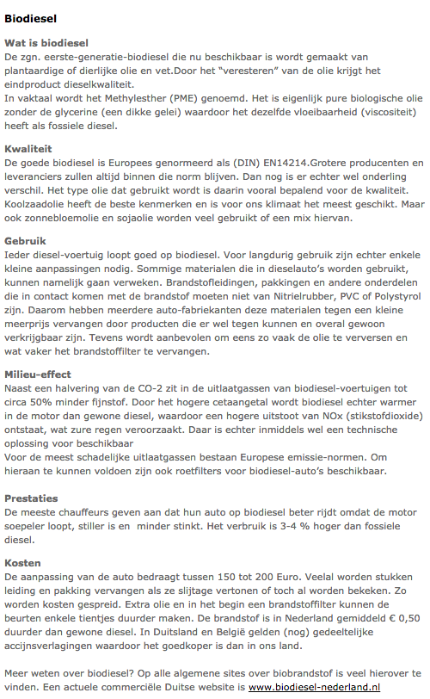

 | biodiesel
 | Price

 |  |  | 0.5 | EUR/L | price difference per liter biodiesel with normal diesel
 |  |  | 1.25780 | EUR/L | normal diesel, pump prices (incl tax)
 |  |  | 1.75780 | EUR/L | Biodiesel estimated pump price (incl tax)

 |  |  | 0.958809 | EUR/L
 |  |  | 0.028960044113 | EUR/MJ

 |  |  |  |  | Biodiesel estimated pump price (Excl tax)

Sources | Page |  | Notes

IPCC_2006_Guidelines for National Greenhouse Gas Inventories - Vol 2 Energy - Ch 1 Introduction.pdf

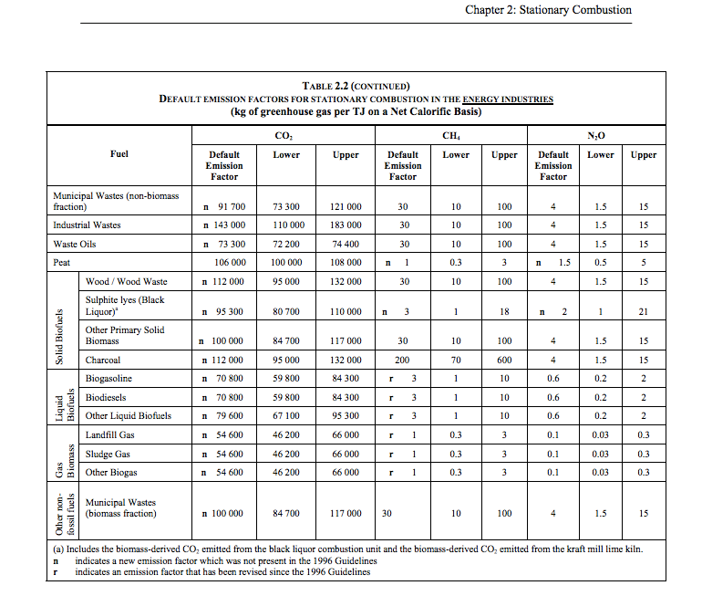

 | 1.24 |  |  | 70800
 |  |  |  | 1000000
 |  |  |  | 0.0708

 |  |  |  |  | kg CO2/TJ
 |  |  |  |  | TJ/MJ
 |  |  |  |  | kg CO2/TJ

