Notes
Sources | Page |  | Notes

EU JRC_201111_Well-to-wheel analysis of future automotive fuels and powertrains in the European context (version 3c) WTT Appendix 1
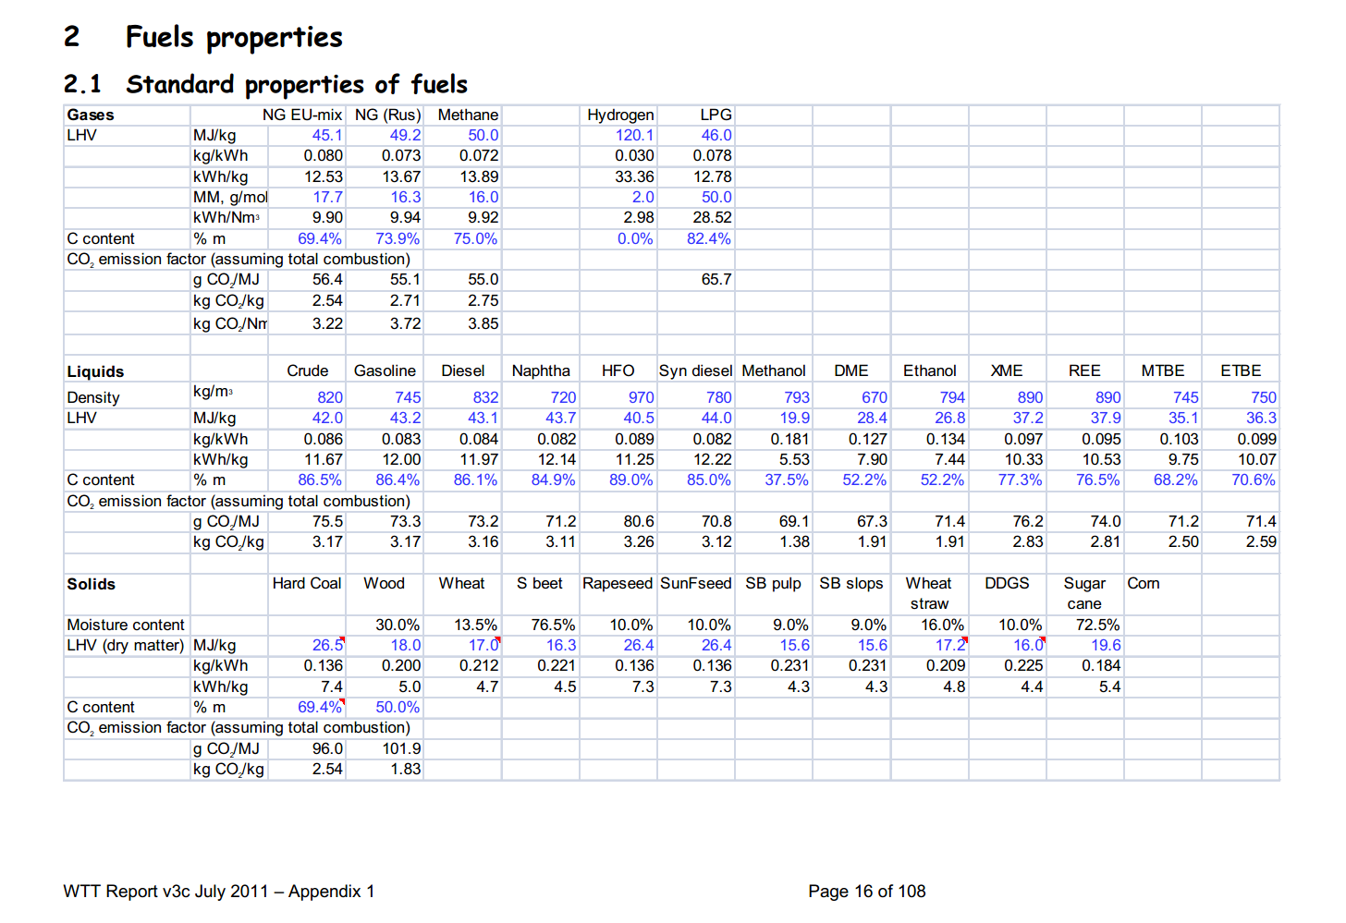

 | 16 | Crude | 820 | kg/m3 | Density
 |  |  | 42 | MJ/KG | LHV
 |  |  | 0.82 | kg/dm3 | transform to kg/Liter
 |  |  | 34.44 | MJ/L | LHV
 |  |  | 0.0733 | kg CO2/MJ | Co2 emission factor |  | source: RVO (see below)

 |  |  | RVO

 |  |  | https://www.rvo.nl/file/nederlandse-lijst-van-energiedragers-en-standaard-co2-emissiefactoren-2017pdf

Sources | Page |  | Notes

CE_Delft_201109_Toelichting_ketenkentallen_incl_biodiesel_bio-ethanol_(LCA).pdf

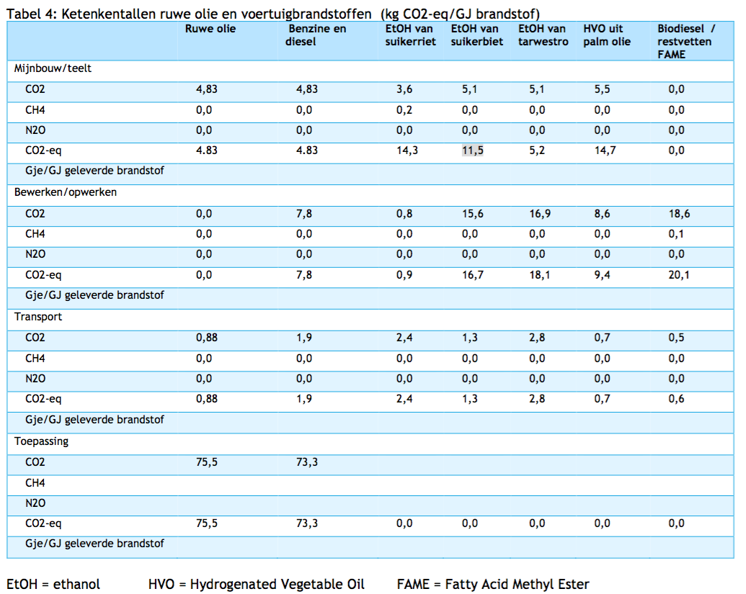

 | 12

 |  | Crude oil
 |  | co2_exploration_per_mj |  |  | 0 | kg CO2 eq/GJ | not relevant
 |  | co2_extraction_per_mj |  |  | 4.83 | kg CO2 eq/GJ
 |  | co2_treatment_per_mj |  |  | 0 | kg CO2 eq/GJ
 |  | co2_transportation_per_mj |  |  | 0.88 | kg CO2 eq/GJ
 |  | co2_conversion_per_mj |  |  | 75.5 | kg CO2 eq/GJ
 |  | co2_waste_treatment_per_mj |  |  | 0 | kg CO2 eq/GJ | not relevant

 |  | co2_exploration_per_mj |  |  | 0 | kg CO2 eq/GJ | not relevant
 |  | co2_extraction_per_mj |  |  | 0.00483 | kg CO2 eq/GJ
 |  | co2_treatment_per_mj |  |  | 0 | kg CO2 eq/GJ
 |  | co2_transportation_per_mj |  |  | 0.00088 | kg CO2 eq/GJ
 |  | co2_conversion_per_mj |  |  | 0.0755 | kg CO2 eq/GJ
 |  | co2_waste_treatment_per_mj |  |  | 0 | kg CO2 eq/GJ | not relevant

Sources | Page |  | Notes

http://www.euroinvestor.com/exchanges/gtis-energy/wti-oil/2327086/history

 |  |  | WTI oil prices
 |  |  |  |  |  |  |  | Date | Open Price | High | Low | Close Price | Volume
 |  |  |  | 45.192272727 | USD/barrel | Monthly average |  | 6/30/17 | 46.16 | 46.16 | 46.16 | 46.16 | 0
 |  |  |  | 158.987295 | L/barrel |  |  | 6/29/17 | 44.75 | 44.75 | 44.75 | 44.75 | 0
 |  |  |  | 0.28425084361 | USD/L |  |  | 6/28/17 | 44.71 | 44.71 | 44.71 | 44.71 | 0
 |  |  |  | 1.1719 | USD/EUR |  |  | 6/27/17 | 44.27 | 44.27 | 44.27 | 44.27 | 0
 |  |  |  | 0.24255554536 | EUR/L |  |  | 6/26/17 | 43.44 | 43.44 | 43.44 | 43.44 | 0
 |  |  |  | 34.44 | MJ/L |  |  | 6/23/17 | 43.01 | 43.01 | 43.01 | 43.01 | 0
 |  |  |  | 0.0070428439 | EUR/MJ |  |  | 6/22/17 | 42.74 | 42.74 | 42.74 | 42.74 | 0
 |  |  |  |  |  |  |  | 6/21/17 | 42.53 | 42.53 | 42.53 | 42.53 | 0
 |  |  |  |  |  |  |  | 6/20/17 | 43.45 | 43.45 | 43.45 | 43.45 | 0
 |  |  |  |  |  |  |  | 6/19/17 | 44.13 | 44.13 | 44.13 | 44.13 | 0
 |  |  |  |  |  |  |  | 6/16/17 | 44.72 | 44.72 | 44.72 | 44.72 | 0
 |  |  |  |  |  |  |  | 6/15/17 | 44.37 | 44.37 | 44.37 | 44.37 | 0
 |  |  |  |  |  |  |  | 6/14/17 | 44.77 | 44.77 | 44.77 | 44.77 | 0
 |  |  |  |  |  |  |  | 6/13/17 | 46.49 | 46.49 | 46.49 | 46.49 | 0
 |  |  |  |  |  |  |  | 6/12/17 | 46.11 | 46.11 | 46.11 | 46.11 | 0
 |  |  |  |  |  |  |  | 6/9/17 | 45.87 | 45.87 | 45.87 | 45.87 | 0
 |  |  |  |  |  |  |  | 6/8/17 | 45.63 | 45.63 | 45.63 | 45.63 | 0
 |  |  |  |  |  |  |  | 6/7/17 | 45.78 | 45.78 | 45.78 | 45.78 | 0
 |  |  |  |  |  |  |  | 6/6/17 | 48.16 | 48.16 | 48.16 | 48.16 | 0
 |  |  |  |  |  |  |  | 6/5/17 | 47.39 | 47.39 | 47.39 | 47.39 | 0
 |  |  |  |  |  |  |  | 6/2/17 | 47.68 | 47.68 | 47.68 | 47.68 | 0
 |  |  |  |  |  |  |  | 6/1/17 | 48.07 | 48.07 | 48.07 | 48.07 | 0

