Notes
Sources | Page |  | Notes

https://www.co2emissiefactoren.nl/lijst-emissiefactoren/

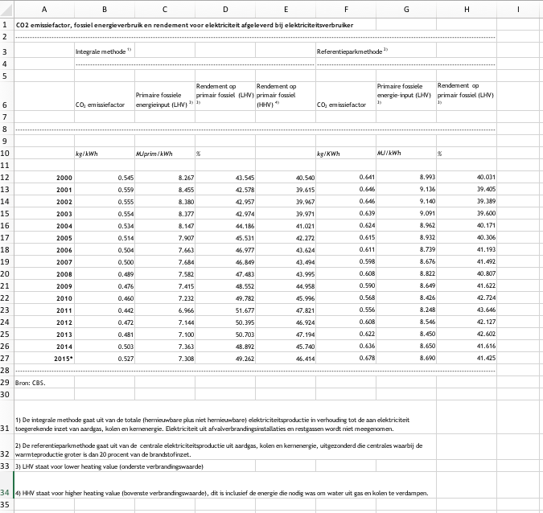
 | 35.97 | kg/GJ
 | 0.03597 | kg/MJ

Cegoia parameters + aanname over vollasturen
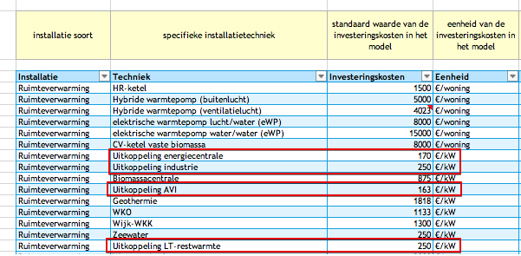
 | 208.25 | euro / kW

 | 5000 | vollasturen (aanname Quintel)
 |  | vollasturen zijn erg projectspecifiek

 | 5000 | kWh/jaar
 | 18000 | MJ/jaar

 | 0.011569444444 | euro/MJ

FCE-notes
To be able to update the CO2 emissions of imported heat in the start year, we have added the carrier to the FCE-module. With the FCE-module you can only update the shares between countries. Therefore we have chosen to model 'fossil heat' and 'renewable heat' and set the shares between these two forms with the input statement. Fossil heat has 100 kg/GJ CO2 emissions (same as the slider max). Renewable electricity has zero CO2 emissions.
- For the Netherlands we have assumed the CO2 emissions of heat originating from a gas STEG plant (source: https://www.co2emissiefactoren.nl/lijst-emissiefactoren/)
- For all other countries we have assumed the same CO2 emissions as for the Netherlands for now

 | kg/GJ | kg/MJ | FCE start_value renewable | FCE start_value fossil
Fossil electricity | 100 | 0.1
NL | 35.97 | 0.03597 | 0.6403 | 0.3597

