Notes
Sources | Page |  | Notes

Duinn_Well_to_wheel_analysis_of_future_trains_and fuels

 | 7 |  | 49.5 | MJ/KG | LHV
 |  |  | 432 | kg/m3 | density @ T
 |  |  | 0.432 | kg/L | density @ T
 |  |  | 21.384 | MJ/L | LHV
 |  |  | 55.9 | g/MJ | CO2 emission factor
 |  |  | 0.0559 | kg/MJ | CO2 emission factor

 |  | Note that due to methane slip the LNG composition changes, and with that energetic density and density.
 |  | This has NOT been accounted for in here

 |  |  | 295 | euro/ton
 |  |  | 1000 | kg
 |  |  | 49500 | MJ
 |  |  | 0.0059595959596 | euro/MJ

 |  |  |  | ton/MWh | CO2
 |  |  | 0 | ton/MJ
 |  |  | 0 | kg/MJ

 |  |  | 0.015 | 54000

 |  |  |  |  |  | Date | Japan | China | United Kingdom | Spain | Brazil
 |  |  |  |  |  | 2014-01-09 | 13.9 | 13.5 | 8.5 | 11.2 | 13.3
 |  | Average price | 8.32 | USD/Mmbtu |  | 2014-01-10 | 14.3 | 13.9 | 9 | 11.8 | 13.7
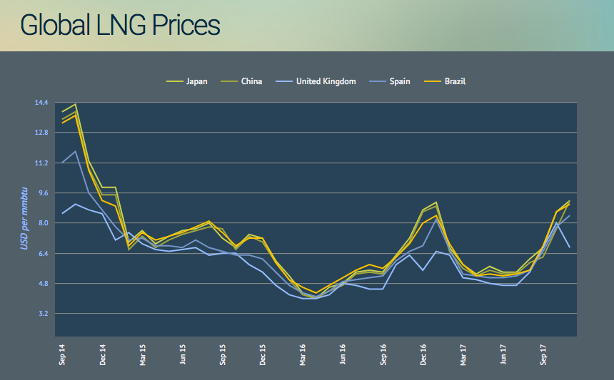
 |  |  | 1055.87 | Mmbtu per MJ |  | 2014-01-11 | 11.3 | 10.9 | 8.7 | 9.6 | 10.8
 |  |  | 0.0078797579247 | USD/mj |  | 2014-01-12 | 9.9 | 9.5 | 8.5 | 8.7 | 9.2
 |  |  | 1.1719 | USD/EUR |  | 2015-01-01 | 9.9 | 9.5 | 7.1 | 7.8 | 8.9
 |  |  | 0.0067239166522 | EUR/MJ |  | 2015-01-02 | 7 | 6.6 | 7.5 | 7.1 | 6.8
 |  |  |  |  |  | 2015-01-03 | 7.6 | 7.3 | 6.9 | 7.2 | 7.5
 |  |  |  |  |  | 2015-01-04 | 6.9 | 6.7 | 6.6 | 6.8 | 7.1
 |  |  |  |  |  | 2015-01-05 | 7.3 | 7.1 | 6.5 | 6.8 | 7.3
 |  |  |  |  |  | 2015-01-06 | 7.6 | 7.4 | 6.6 | 6.7 | 7.5
 |  |  |  |  |  | 2015-01-07 | 7.7 | 7.6 | 6.7 | 7.1 | 7.8
 |  |  |  |  |  | 2015-01-08 | 8 | 7.8 | 6.3 | 6.7 | 8.1
 |  |  |  |  |  | 2015-01-09 | 7.2 | 7.7 | 6.4 | 6.5 | 7.5
 |  |  |  |  |  | 2015-01-10 | 6.7 | 6.6 | 6.4 | 6.3 | 6.8
 |  |  |  |  |  | 2015-01-11 | 7.4 | 7.3 | 5.8 | 6.3 | 7.2
 |  |  |  |  |  | 2015-01-12 | 7.2 | 7 | 5.4 | 6.1 | 7.2
 |  |  |  |  |  | 2016-01-01 | 6 | 5.9 | 4.7 | 5.4 | 5.9
 |  |  |  |  |  | 2016-01-02 | 5.2 | 5 | 4.2 | 4.7 | 5
 |  |  |  |  |  | 2016-01-03 | 4.3 | 4.2 | 4 | 4.3 | 4.6
 |  |  |  |  |  | 2016-01-04 | 4 | 4 | 4 | 4.1 | 4.3
 |  |  |  |  |  | 2016-01-05 | 4.6 | 4.4 | 4.2 | 4.4 | 4.7
 |  |  |  |  |  | 2016-01-06 | 4.8 | 4.7 | 4.8 | 4.9 | 5.1
 |  |  |  |  |  | 2016-01-07 | 5.4 | 5.3 | 4.7 | 5 | 5.5
 |  |  |  |  |  | 2016-01-08 | 5.5 | 5.4 | 4.5 | 5.1 | 5.8
 |  |  |  |  |  | 2016-01-09 | 5.4 | 5.3 | 4.5 | 5.2 | 5.6
 |  |  |  |  |  | 2016-01-10 | 6.3 | 6.2 | 5.8 | 6 | 6.2
 |  |  |  |  |  | 2016-01-11 | 7.2 | 7 | 6.3 | 6.5 | 6.9
 |  |  |  |  |  | 2016-01-12 | 8.7 | 8.6 | 5.5 | 6.8 | 8
 |  |  |  |  |  | 2017-01-01 | 9.1 | 8.9 | 6.5 | 8.2 | 8.4
 |  |  |  |  |  | 2017-01-02 | 6.7 | 6.5 | 6.3 | 6.6 | 6.9
 |  |  |  |  |  | 2017-01-03 | 5.8 | 5.6 | 5.1 | 5.3 | 5.8
 |  |  |  |  |  | 2017-01-04 | 5.3 | 5.2 | 5 | 5.2 | 5.2
 |  |  |  |  |  | 2017-01-05 | 5.7 | 5.5 | 4.8 | 5.1 | 5.3
 |  |  |  |  |  | 2017-01-06 | 5.4 | 5.3 | 4.7 | 5.1 | 5.2
 |  |  |  |  |  | 2017-01-07 | 5.4 | 5.3 | 4.7 | 5.2 | 5.3
 |  |  |  |  |  | 2017-01-08 | 6.1 | 5.9 | 5.4 | 5.5 | 5.5
 |  |  |  |  |  | 2017-01-09 | 6.7 | 6.2 | 6.7 | 6.5 | 6.8
 |  |  |  |  |  | 2017-01-10 | 8.6 | 7.7 | 8 | 7.8 | 8.6
 |  |  |  |  |  | 2017-01-11 | 9.2 | 9.2 | 6.7 | 8.4 | 9

fce_notes
Country | Hydrocarbon | Unit | Composition | Carbon content (%) | mol C/kg | kg CO2/kg | kg CO2/MJ |  | Molar mass
 |  |  |  |  |  |  |  |  | C | 12
Trinidad |  |  |  |  |  |  |  |  | H | 1.008
 | methane | % | 96.780 |  |  |  |  |  | O | 16
 | ethane | % | 2.780
 | propane | % | 0.370 |  |  |  |  |  | Carbon content
* | butane | % | 0.060 |  |  |  |  |  | Methane | 0.748502994
 |  |  |  | 75.0124 | 62.5104 | 2.7505 | 0.0555647714 |  | Ethane | 0.798722045
 |  |  |  |  |  |  |  |  | Propane | 0.816993464
Norway |  |  |  |  |  |  |  |  | Butane | 0.826446281
 | methane | % | 92.030
 | ethane | % | 5.750 |  |  |  |  |  | Energy content
 | propane | % | 1.310 |  |  |  |  |  | 49.5 | MJ/kg
* | butane | % | 0.450
 |  |  |  | 74.9195 | 62.4330 | 2.7470 | 0.0554959589
 |  |  |  |  |  |  |  |  | Source LNG characteristics: GIIGNL

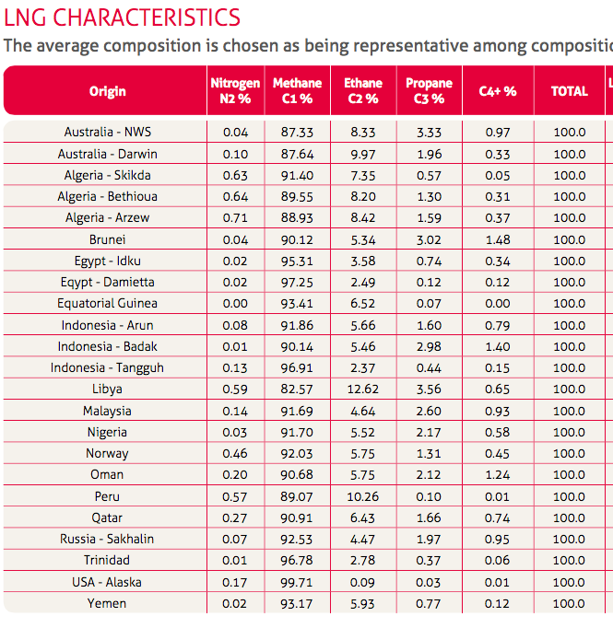
Qatar
 | methane | % | 90.910
 | ethane | % | 6.430
 | propane | % | 1.660
* | butane | % | 0.740 |  |  |  |  | Assumption: all C4+ is butane
 |  |  |  | 75.1500 | 62.6250 | 2.7555 | 0.0556666439

Algeria Skikda
 | methane | % | 91.400
 | ethane | % | 7.350
 | propane | % | 0.570
* | butane | % | 0.050 |  |  |  |  | Assumption: all C4+ is butane
 |  |  |  | 74.7908 | 62.3257 | 2.7423 | 0.0554005846

Algeria Bethioua
 | methane | % | 89.550
 | ethane | % | 8.200
 | propane | % | 1.300
* | butane | % | 0.310 |  |  |  |  | Assumption: all C4+ is butane
 |  |  |  | 74.8963 | 62.4135 | 2.7462 | 0.0554787065

Algeria Arzew
 | methane | % | 88.930
 | ethane | % | 8.420
 | propane | % | 1.590
* | butane | % | 0.370 |  |  |  |  | Assumption: all C4+ is butane
 |  |  |  | 74.8944 | 62.4120 | 2.7461 | 0.0554773449

Country | Attribute | Unit |  |  | kg CO2 / MJ

Trinidad | Distance to ROT | nautical miles | 4061.000 |  | 0.00158 |  | Note:
Norway | Distance to ROT | nautical miles | 1341.000 |  | 0.00052 |  | Emissions scaled to Qatar's
Qatar | Distance to ROT | nautical miles | 6411.000 |  | 0.00250
Algeria | Distance to ROT | nautical miles | 1694.235 |  | 0.00066

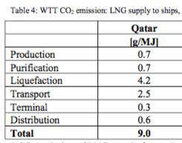

Source: TNO 18

 |  | 0.0025 | kg/MJ

Source: GIIGNL 22

 | T-NL | 4061 | n miles
 | N-NL | 1341 | n miles
 | Q-NL | 6411 | n miles
 | Q-UK | 6342 | n miles

 | A-UK | 1676 | n miles
 | A-NL | 1694.2346263 | n miles | scaled

Souce: GIIGNL 8

 | Start value
 | 2013

 | Trinidad | 0 | MT
 | Norway | 0.22 | MT
 | Qatar | 0.31 | MT
 | Algeria | 0 | MT
 | Total | 0.53 | MT

 | start_value

 | Trinidad | 0
 | Norway | 0.41509433962
 | Qatar | 0.58490566038
 | Algeria | 0

