Notes
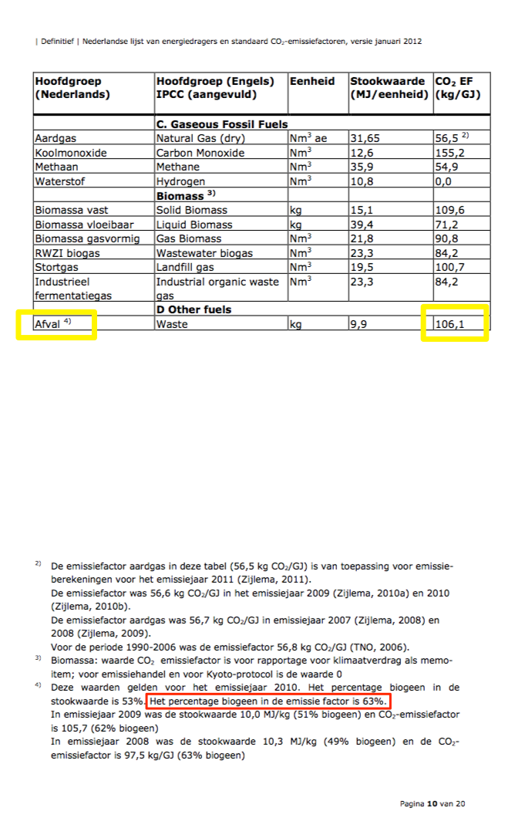
Sources | Page | Notes

Agentschap NL (RVO)
 | p.10
co2_conversion_per_mj |  | co2 per mj for waste (both biogenic and non-biogenic) | 106.1
 |  | Share non-biogenic in total waste emission factor | 0.37
 |  | Share non-biogenic in total waste energy content | 0.47
 |  | co2 per mj non-biogenic waste (kg/GJ) | 83.525531915
 |  | co2_conversion_per_mj | 0.083525531915 | kg per mj

 |  | Note: The source does NOT assume that the co2 emission factor of biogenic waste is 0. Instead, they estimate the actual emissions from burning biogenic waste

