Notes
 |  |  | P1.

Heat output capacity | 0.1 | MW
input hydrogen (by output = 100% heat) | 0.92
output.useable_heat | 1.0869565217
Other
Land use | 0 | km2
Constructiontime | 0 | years
Technical lifetime | 12.5 | years

Costs
Initial investment costs | 8940 | euro
Initial investment costs | 89.4 | euro/KWh
Fixed operational and maintenance costs | 420 | euro/year
Fixed operational and maintenance costs | 4.2 | euro/KW/year
Variable operational and maintenance costs | 0 | euro/FLH
Variable operational and maintenance costs | 0 | euro/MWh

full load hours | 1500 | hours

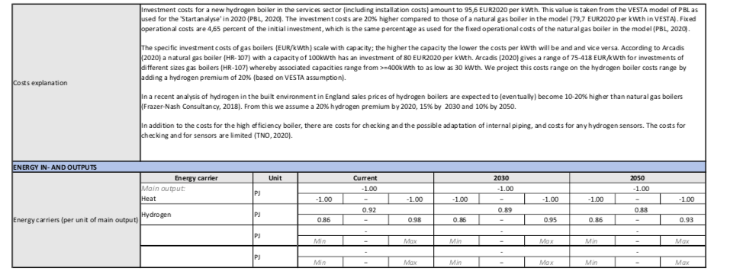
 |  |  | P2.

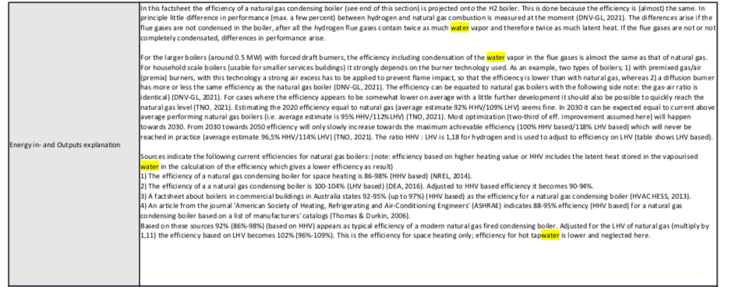
 |  |  | P3

 |  |  |  | TECHNOLOGY FACTSHEET

 |  |  |  | Hydrogen (H2) boiler services sector

 |  |  | Copied text | Date of factsheet | 2021-02-19

 |  |  |  | Author | Robin Niessink

 |  |  |  | Sector | Non-residential (services)

 |  |  |  | ETS / Non-ETS | Non-ETS

 |  |  |  | Type of Technology | Hydrogen

 |  |  |  | Description | The technology comprises a gas boiler fueled by 100% hydrogen gas (H2). It is analogous to the widely used natural gas condensing boiler. However, compared to a natural gas boiler, it would need adjustments in different components of its design (e.g. the burner, flame detection device) to be able to burn hydrogen (in a safe and efficient manner) (Frazer-Nash, 2018a). To be considered renewable, the hydrogen has to be produced from a renewable source, such as electrolysis using renewable electricity (i.e. green hydrogen). In this factsheet only the boiler itself is considered; not the hydrogen supply chain.

 |  |  |  |  | Technology description:
 |  |  |  |  | In the boiler hydrogen gas is burnt in a combustion section. The heat is transferred to water through water-cooled walls and through a water heat exchanger after the combustion section. In a condensing boiler, a second heat exchanger is placed before the flue gas exit to collect the latent heat contained in the flue gases. The hot water from the gas boiler is circulated in the radiators of the building (DAE, 2016).

 |  |  |  |  | As a consequence of its diffusive and buoyant properties hydrogen is more prone to leakage through joints, valves and the materials in some types of pipework compared to natural gas. A new odorant may need to be developed for hydrogen. Hydrogen will rise and dilute with ambient air and the odorant will therefore need to be detectable in low concentrations (Frazer-Nash, 2018b).

 |  |  |  |  | Due to a greater flammability range than natural gas (4-75% compared to 5-15%), there is an increased risk of unintentional combustion, but research so far has shown that the diffusive and buoyant properties cause the hydrogen to disperse before critical concentrations were reached (Frazer-Nash, 2018b).

 |  |  |  |  | For hydrogen boilers a new burner will need to be developed. A new Flame Detection Device (e.g. IR or UV) will be required for hydrogen as ionisation sensors currently used with natural gas are not appropriate for hydrogen. For visibility a colourant could either be added to the unburnt gas prior to combustion or added to the combustion section (Frazer-Nash, 2018b). It will also be necessary to select and test materials that are suitable for higher temperature combustion. Adapting natural gas boilers to hydrogen is, in theory, possible although given the lack of space inside the appliances this will be practically challenging. (Frazer-Nash, 2018a).

 |  |  |  | TRL level 2020 | TRL 8

 |  |  |  | Most progress (in the NL) regarding heating with pure hydrogen gas seems to occur in the residential sector. For instance in Rotterdam-Rozenburg there is a trial in which central heating boilers in an apartment complex (500 dwelling-equivalents) are tested for (green) hydrogen for the first time in the Netherlands (TKI Nieuw Gas, 2020a,b). Nine 'hydrogen for heating' projects in the built environment in the Netherlands are mentioned by TKI (among others: Stad aan ‘t Haringvliet, Hoogeveen and Lochem) (TKI Nieuw Gas, 2020b). Gasterra and DNV-GL have developed a new boiler that is a retrofit of an existing domestic natural gas boiler in which several components, such as the burner and flame guarding system are replaced. The boiler will be tested in a field demo in 2020-2021 (TKI Nieuw Gas, 2020b).

 |  |  |  | There appears to be less experience in the services sector but this is not necessarily indicating a low TRL. Small scale boilers for households (around 30kW) can also be applied in small service sector buildings. Scaling up boilers (the burners) to capacities required for the larger service sector buildings (>100kWth) does not seem to be a problem (TNO, 2021). The technology is not yet commercial, but the TRL can be estimated at 8 (at minimum) and maybe even 9 (TNO, 2021).

 |  |  |  | The very large hydrogen boilers for hot water supply (approx. 500kW) for building heating (and industry) are not yet commercially available. This means that they are not yet being sold and the majority of companies have no experience with this. However, such technology is currently in development through demo-projects. Manufacturers offer these boilers (burners) commercially at the instance there are customers. An estimate of the TRL is 8-9 (DNV-GL, 2021).

 |  |  |  | A review study by Frazer-Nash Consultancy in 2018 evaluated the TRL of key components of different hydrogen heating installations (Frazer-Nash, 2018; Table 2). The [TRL ranges] are: Spark ignitor auto/manual controls [8-9], Pipework [7-8], Flame detection device (boilers only) [4-5], Burners [2-4]. The burner technology presents possibly the largest challenge. Burning characteristics of hydrogen are known, but the most effective way of developing a safe and effective hydrogen burner is yet to be determined. Some manufacturers have developed burners that may be suitable for boilers. However, the testing of these appliances is at an early stage and is not yet sufficient to demonstrate solutions that provide the required performance, reliability and lifetime (note: status reported in 2018. The current TRL is already higher due to developments over the past years. This is just to indicate that different components can have different TRLs which are/have been the R&D focus points).

 |  |  |  | TECHNICAL DIMENSIONS

 |  |  |  | Capacity | Functional Unit | Value and Range

 |  |  |  | kWth;out | 100

 |  |  |  |  |  |  | 30 | - | 400

 |  |  |  | Potential | NL | PJ | Current | 2030 | 2050

 |  |  |  | - | - | 140

 |  |  |  | Min | − | Max | Min | − | Max | 140 | − | 140

 |  |  |  | Market share | Netherlands service sector | % | - | - | -

 |  |  |  | - | − | - | Min | − | Max | Min | − | Max

 |  |  |  | Capacity utlization factor | 1

 |  |  |  | Full-load running hours per year | 1,500

 |  |  |  | Unit of Activity | kWhth;out | 150,000

 |  |  |  | Technical lifetime (years) | 12.5

 |  |  |  | Progress ratio

 |  |  |  | Hourly profile

 |  |  |  | Explanation | Capacity: Since hydrogen boilers are in principle analogous to natural gas boilers, the technical properties of natural gas boilers are used to project the properties of hydrogen boilers. Natural gas boilers have capacities ranging from 30 to over 400 kWth (Arcadis, 2020) (for instance Arcadis indicates boilers of 30, 60, 70, 100, 130, 140, 200, 230 and >=400 kWth). Capacities of individual boilers in the services sector vary depending on heat demand of the building and boiler configuration (Is the boiler used for space heating only? Or also for hot tapwater? How many boilers are used? Is it a cascade boiler system?). Often hot tapwater demand (if applicable) is supplied using another device such as an electric boiler. A gas-fired combi-boiler might be preferable in other cases.

 |  |  |  |  | Potential & market share: In principle, the potential heat that could be provided by individual hydrogen boilers is similar to that of natural gas. The main challenges with this technology relate to the questions whether hydrogen gas as a heating fuel will be stimulated enough (e.g. by policy) to be competitive with other heating options in the built environment and if there will be actions to transform the natural gas network to a hydrogen network such that hydrogen can be delivered to individual buildings.

 |  |  |  |  | From the present Dutch annual heat balance it can be observed that 14% of the total Dutch final heat demand is the heat demand in the services sector (140 out of 985 PJ in 2019). Out of this 140 PJ, 115 PJ was provided by natural gas (CBS & TNO, 2020). In coming decades the non-residential sector will transition to other heating options (e.g. heat pumps, district heating, green gas, hydrogen). In theory hydrogen could take over the entire heat market for non-residential buildings (140 PJ) if the challenges are overcome. No hydrogen in the built environment by 2050 is also a possible scenario.

 |  |  |  |  | Typical full load hours for heating in the Netherlands generally range from 1000 to 2000 per year depending on the heat demand (profile) of the individual building and capacity of the heating installation.

 |  |  |  |  | The average technical lifespan of a gas boiler is 10-15 years (Frazer Nash Consultancy, 2018a).

 |  |  |  | COSTS

 |  |  |  | Year of Euro | 2015

 |  |  |  | Investment costs | Euro per Functional Unit

 |  |  |  | € / kWth;out | 89.4

 |  |  |  | Other costs per year | € / kWth;out

 |  |  |  | Min | −

 |  |  |  | Fixed operational costs per year (excl. fuel costs) | € / kWth;out | 4.2

 |  |  |  | Variable costs per year | € / kWh | - | - | -

 |  |  |  | Min | − | Max | Min | − | Max | Min | − | Max

 |  |  |  | Costs explanation | Investment costs for a new hydrogen boiler in the services sector (including installation costs) amount to 95,6 EUR2020 per kWth. This value is taken from the VESTA model of PBL as used for the 'Startanalyse' in 2020 (PBL, 2020). The investment costs are 20% higher compared to those of a natural gas boiler in the model (79,7 EUR2020 per kWth in VESTA). Fixed operational costs are 4,65 percent of the initial investment, which is the same percentage as used for the fixed operational costs of the natural gas boiler in the model (PBL, 2020).

 |  |  |  |  | The specific investment costs of gas boilers (EUR/kWth) scale with capacity; the higher the capacity the lower the costs per kWth will be and and vice versa. According to Arcadis (2020) a natural gas boiler (HR-107) with a capacity of 100kWth has an investment of 80 EUR2020 per kWth. Arcadis (2020) gives a range of 75-418 EUR/kWth for investments of different sizes gas boilers (HR-107) whereby associated capacities range from >=400kWth to as low as 30 kWth. We project this costs range on the hydrogen boiler costs range by adding a hydrogen premium of 20% (based on VESTA assumption).

 |  |  |  |  | In a recent analysis of hydrogen in the built environment in England sales prices of hydrogen boilers are expected to (eventually) become 10-20% higher than natural gas boilers (Frazer-Nash Consultancy, 2018). From this we assume a 20% hydrogen premium by 2020, 15% by 2030 and 10% by 2050.

 |  |  |  |  | In addition to the costs for the high efficiency boiler, there are costs for checking and the possible adaptation of internal piping, and costs for any hydrogen sensors. The costs for checking and for sensors are limited (TNO, 2020).

 |  |  |  | ENERGY IN- AND OUTPUTS

 |  |  |  | Energy carriers (per unit of main output) | Energy carrier | Unit | Current | 2030 | 2050

 |  |  |  | Main output: | PJ | -1 | -1 | -1

 |  |  |  | Heat

 |  |  |  | -1 | − | -1 | -1 | − | -1 | -1 | − | -1

 |  |  |  | Hydrogen | PJ | 0.92 | 0.89 | 0.88

 |  |  |  | 0.86 | − | 0.98 | 0.86 | − | 0.95 | 0.86 | − | 0.93

 |  |  |  |  | PJ | - | - | -

 |  |  |  | Min | − | Max | Min | − | Max | Min | − | Max

 |  |  |  |  | PJ | - | - | -

 |  |  |  | Min | − | Max | Min | − | Max | Min | − | Max

 |  |  |  | Energy in- and Outputs explanation | In this factsheet the efficiency of a natural gas condensing boiler (see end of this section) is projected onto the H2 boiler. This is done because the efficiency is (almost) the same. In principle little difference in performance (max. a few percent) between hydrogen and natural gas combustion is measured at the moment (DNV-GL, 2021). The differences arise if the flue gases are not condensed in the boiler, after all the hydrogen flue gases contain twice as much water vapor and therefore twice as much latent heat. If the flue gases are not or not completely condensated, differences in performance arise.

 |  |  |  |  | For the larger boilers (around 0.5 MW) with forced draft burners, the efficiency including condensation of the water vapor in the flue gases is almost the same as that of natural gas. For household scale boilers (usable for smaller services buildings) it strongly depends on the burner technology used. As an example, two types of boilers; 1) with premixed gas/air (premix) burners, with this technology a strong air excess has to be applied to prevent flame impact, so that the efficiency is lower than with natural gas, whereas 2) a diffusion burner has more or less the same efficiency as the natural gas boiler (DNV-GL, 2021). The efficiency can be equated to natural gas boilers with the following side note: the gas-air ratio is identical) (DNV-GL, 2021). For cases where the efficiency appears to be somewhat lower on average with a little further development it should also be possible to quickly reach the natural gas level (TNO, 2021). Estimating the 2020 efficiency equal to natural gas (average estimate 92% HHV/109% LHV) seems fine. In 2030 it can be expected equal to current above average performing natural gas boilers (i.e. average estimate is 95% HHV/112%LHV) (TNO, 2021). Most optimization (two-third of eff. improvement assumed here) will happen towards 2030. From 2030 towards 2050 efficiency will only slowly increase towards the maximum achievable efficiency (100% HHV based/118% LHV based) which will never be reached in practice (average estimate 96,5% HHV/114% LHV) (TNO, 2021). The ratio HHV : LHV is 1,18 for hydrogen and is used to adjust to efficiency on LHV (table shows LHV based).

 |  |  |  |  | Sources indicate the following current efficiencies for natural gas boilers: (note: efficiency based on higher heating value or HHV includes the latent heat stored in the vapourised water in the calculation of the efficiency which gives a lower efficiency as result)
 |  |  |  |  | 1) The efficiency of a natural gas condensing boiler for space heating is 86-98% (HHV based) (NREL, 2014).
 |  |  |  |  | 2) The efficiency of a a natural gas condensing boiler is 100-104% (LHV based) (DEA, 2016). Adjusted to HHV based efficiency it becomes 90-94%.

 |  |  |  |  | 3) A factsheet about boilers in commercial buildings in Australia states 92-95% (up to 97%) (HHV based) as the efficiency for a natural gas condensing boiler (HVAC HESS, 2013).
 |  |  |  |  | 4) An article from the journal 'American Society of Heating, Refrigerating and Air-Conditioning Engineers' (ASHRAE) indicates 88-95% efficiency (HHV based) for a natural gas condensing boiler based on a list of manufacturers' catalogs (Thomas & Durkin, 2006).
 |  |  |  |  | Based on these sources 92% (86%-98%) (based on HHV) appears as typical efficiency of a modern natural gas fired condensing boiler. Adjusted for the LHV of natural gas (multiply by 1,11) the efficiency based on LHV becomes 102% (96%-109%). This is the efficiency for space heating only; efficiency for hot tapwater is lower and neglected here.

 |  |  |  | MATERIAL FLOWS (OPTIONAL)

 |  |  |  | Material flows | Material | Unit | Current | 2030 | 2050

 |  |  |  |  |  | - | - | -

 |  |  |  | Min | − | Max | Min | − | Max | Min | − | Max

 |  |  |  |  |  | - | - | -

 |  |  |  | Min | − | Max | Min | − | Max | Min | − | Max

 |  |  |  | Material flows explanation

 |  |  |  | EMISSIONS (Non-fuel/energy-related emissions or emissions reductions (e.g. CCS)

 |  |  |  | Emissions | Substance | Unit | Current | 2030 | 2050

 |  |  |  |  |  | - | - | -

 |  |  |  | Min | − | Max | Min | − | Max | Min | − | Max

 |  |  |  |  |  | - | - | -

 |  |  |  | Min | − | Max | Min | − | Max | Min | − | Max

 |  |  |  |  |  | - | - | -

 |  |  |  | Min | − | Max | Min | − | Max | Min | − | Max

 |  |  |  |  |  | - | - | -

 |  |  |  | Min | − | Max | Min | − | Max | Min | − | Max

 |  |  |  | Emissions explanation | NOx is formed in high-temperature combustion as nitrogen in the air is oxidised. Since hydrogen is likely to burn hotter than natural gas NOx production is a legitimate concern for hydrogen heating installations. To give an order of magnitude of possible NOx emissions: The Ecodesign limit for gas boilers is 70 mg/kWh which is almost 20 g per GJ fuel (DAE, 2016). The NOx emissions can be lowered through application of low NOx burners (just as with natural gas boilers). These low NOx burners are already applied with hydrogen boilers to stay below the legal NOx emission level. (TNO, 2021; DNV-GL, 2021). For instance, one can apply flue gas recirculation with which the legal NOx requirements are met (DNV-GL, 2021). Current NOx levels of boilers being tested (in the UK) are already lower than those of natural gas boilers (TNO, 2021).

 |  |  |  | OTHER

 |  |  |  | Parameter | Unit | Current | 2030 | 2050

 |  |  |  |  |  | - | - | -

 |  |  |  | Min | − | Max | Min | − | Max | Min | − | Max

 |  |  |  |  |  | - | - | -

 |  |  |  | Min | − | Max | Min | − | Max | Min | − | Max

 |  |  |  |  |  | - | - | -

 |  |  |  | Min | − | Max | Min | − | Max | Min | − | Max

 |  |  |  |  |  | - | - | -

 |  |  |  | Min | − | Max | Min | − | Max | Min | − | Max

 |  |  |  | Explanation

 |  |  |  | REFERENCES AND SOURCES

 |  |  |  | 1 Frazer-Nash Consultancy (2018a). Appraisal of Domestic Hydrogen Appliances.

 |  |  |  | 2 Frazer-Nash Consultancy (2018b). Logistics of hydrogen conversion.

 |  |  |  | 3 DAE (2016). Technology Data for heating installations. Technology descriptions and projections for long-term energy system planning. First published 2016 by the Danish Energy Agency and Energinet.

 |  |  |  | 4 Arcadis (2020). Kostenkengetallen energiebesparende maatregelen bestaande utiliteitsbouw. Kosten kengetallen EPA maatwerkadvies utiliteitsbouw (update for 2020).

 |  |  |  | 5 CBS and TNO (2020). Warmtemonitor 2019.

 |  |  |  | 6 PBL (2020). Functioneel ontwerp Vesta MAIS 5.0 (Concept)- achtergronddocument (Appendix B tabel B1).

 |  |  |  | 7 DNV-GL (2021). Pers. comm. hydrogen expert.

 |  |  |  | 8 TNO (2021). Pers. comm. hydrogen expert.

 |  |  |  | 9 TKI Nieuw Gas (2020a). Waterstof voor de energietransitie - Een programmatische aanpak voor innovaties op het thema waterstof in Nederland voor de periode 2020 - 2030.

 |  |  |  | 10 TKI Nieuw Gas (2020b). Overview of Hydrogen Projects in the Netherlands.

 |  |  |  | Others TNO(2020).Waterstofalsoptievooreenklimaatneutralewarmtevoorzieningindebestaandebouw.
 |  |  |  | NREL (2014). Condensing Boilers Evaluation: Retrofit and New Construction Applications.
 |  |  |  | HVAC HESS (2013). Heating, Ventilation & Air-Conditioning High Efficiency Systems Strategy. Factsheet Boiler Effiency.
 |  |  |  | Thomas & Durkin (2006). Boiler System Efficiency. © 2006 American Society of Heating, Refrigerating and Air-Conditioning Engineers, Inc. (www.ashrae.org). Published in ASHRAE Journal (Vol. 48, July 2006).

