Notes
Sources | Notes
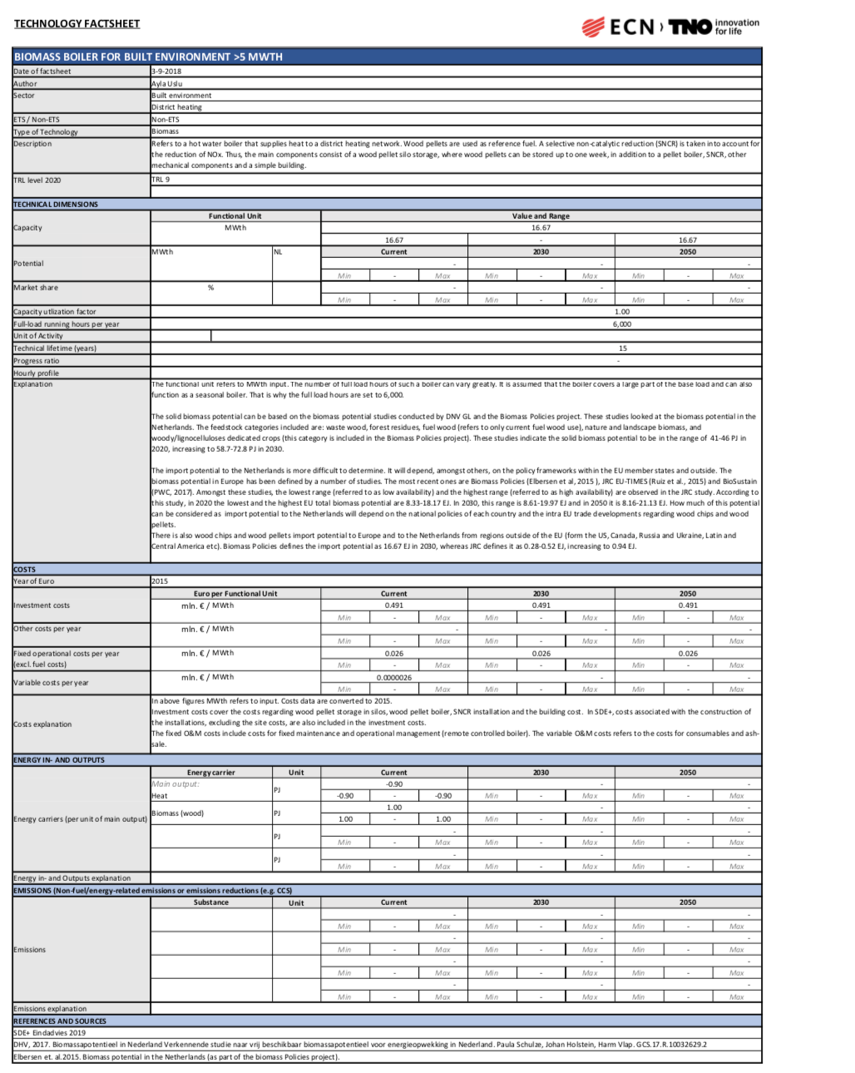
TNO-ECN

MWth | 16.67 | MW
Availlability | 1
Eficciency | 0.9

Initial investment | 0.491 | mln/MWth
Initial investment | 491 | euro/KW

O&M | 0.026 | mln/MWth
O&M | 26 | euro/KW
Variable (ex fuel) | 0.0000036 | mln/MWth
Variable (ex fuel) | 0.0036 | euro/KW

Lifetime | 15 | yr

