Notes
Source | Notes

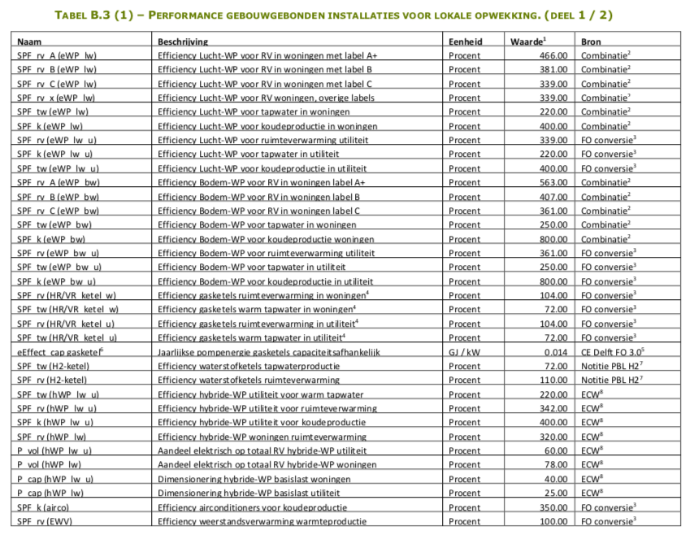
Vesta Functioneel Ontwerp 4.0

investment_costs |  | 2075.845 | euro

Heat output capacity |  | 0.014 | MW

Output useable heat space heating |  | 1.1 | (1=100%)
Output useable heat water heating |  | 0.72 | (1=100%)

Fixed operational and maintenance costs |  | 96.5

 |  |  |  |  | name | RVb | RVp | TWb | TWp | Kb | Kp | Dak | LeerCurve | Ki_asl_min_w | Ki_asl_max_w | Ki_asl_min_u | Ki_asl_max_u | Ki_cap_min_w | Ki_cap_max_w | Ki_cap_min_u | Ki_cap_max_u | Ki_opp_min_w | Ki_opp_max_w | Ki_opp_min_u | Ki_opp_max_u | R_OH | R_Adm | AT30 | AT20
 |  |  |  |  | H2R | 1.0000 | 1.0000 | 1.0000 | 1.0000 | 0.0000 | 0 | 0 | Waterstof | 1792.19 | 2359.5 | 0 | 0 | 0 | 0 | 95.59 | 95.59 | 0 | 0 | 0 | 0 | 0.0465 | 0 | 0 | 0

 |  |  |  |  | https://github.com/RuudvandenWijngaart/VestaDV/blob/Vesta50/installaties/Installatie.csv

 |  |  |  |  | Installatie_name | schillabel_name | ProductType_name | AS_Name | Input_name | P_vol | P_cap | SPF_b | SPF_p | eEffect_cap | eEffect_vol | Pdak_opp
 |  |  |  |  | H2R | x | RV | MTAS | H2 | 0.7 | 0.6 | 1.1 | 1.1 | 0.014 | 0 | 0
 |  |  |  |  | H2R | x | TW | geen | H2 | 0.7 | 0.6 | 0.72 | 0.72 | 0.014 | 0 | 0

 |  |  |  |  | https://github.com/RuudvandenWijngaart/VestaDV/edit/Vesta50/installaties/Performance.csv

Fixed operational and maintenance costs |  | 4.65%
 |  |  |  | Onderhoud: p. 139

