Notes
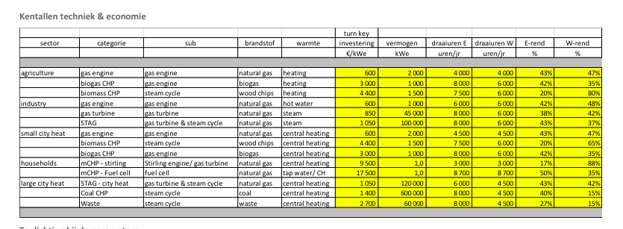
Sources |  | Notes
Energymatters
p.1

 |  | 600000 | kWe
 |  | 600 | MWe
 |  | 1400 | euro/KW
 | Electrical output efficiency | 40 | %
 | Heat output efficiency | 15 | %
 | FLH as CHP | 4500 | hrs

Correction on Energymatters data
https://github.com/quintel/etdataset/issues/275 |  |  |  | CHPs with steam cycle should have technical efficiencies instead of 'year-averaged' ones
 |  |  |  | The CHPs mentioned in #233 should just get technical efficiencies. Now that we use IEA statistics we have to let go of the concept of 'machine statistics and specs' and just look at the CHP as a simultaneous producer of power and heat. Any power produced when no heat is produced will come from a proper power plant.
 |  |  |  | The EnergyMatters specs were provided with a 'machine statistics' approach. The CHPs mentioned therefore have the wrong efficiencies.

 |  |  |  | New efficiencies are cited in this comment on GitHub: https://github.com/quintel/etdataset/issues/275#issuecomment-27776298
 | Corrected El. efficiency | 40 | % | Agriculture: 20% / 85%
 | Corrected heat efficiency | 15 | % | Industry STAG: 42% / 40%
 |  |  |  | Small city heat: 20% / 75%
 |  |  |  | Large city heat STAG: 42% / 43%
 |  |  |  | De rendementen van Coal en Waste blijven staan, want een hoger vermogen aan warmte is niet realistische vanwege de schaalgrootte

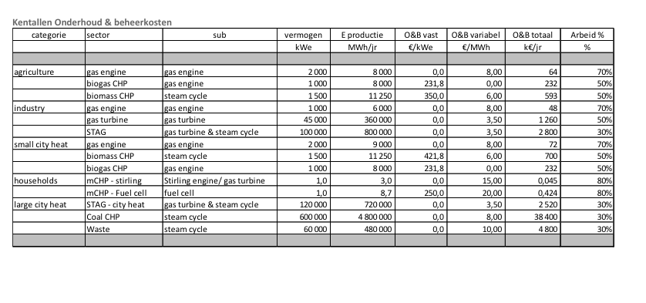

p.5

 | Total O&M cost | 38400000 | euro/yr
 | Fixed O&M | 25600000 | euro/yr
 | Var O&M | 12800000 | euro/yr

Correction on Energymatters data
https://github.com/quintel/etsource/issues/272 |  |  |  | EnergyMatters data requires some interpretation. We have settled on following the advice given in this comment from EnergyMatters specialist
 |  |  |  | https://github.com/quintel/etsource/issues/272#issuecomment-17880519

 | O&M split fixed | 0.667 |  | Correspondence with EnergyMatters got the following reply from Peter Goudswaard:
 | O&M split variable | 0.333 |  | De O&M kosten van gasgestookte WKK zijn voor een groot deel variabel, maar dit verschilt wel per type. Je kunt uitgaan van:
 |  |  |  | Gasmotoren: 100% variabel
 |  |  |  | Gasturbine & STEG:2/3 variabel; 1/3 vast
 |  |  |  | Voor biowkk’s hebben we dit in de tabel al opgesplitst
 |  |  |  | Voor kolencentrales en AVI’s is het grootste deel van de O&M-kosten juist weer vast.
 |  |  |  | Also see: https://github.com/quintel/etsource/issues/272#issuecomment-18286997


Harvard

p.32

Construction time | 4 | yr
Lifetime | 40 | yr

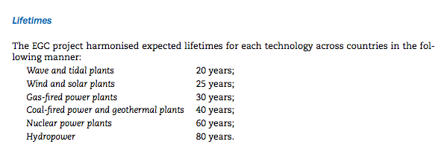
IEA
p.43

Lifetime | 40 | yr

p.44

Construction time | 4 | yr

