Sheet1
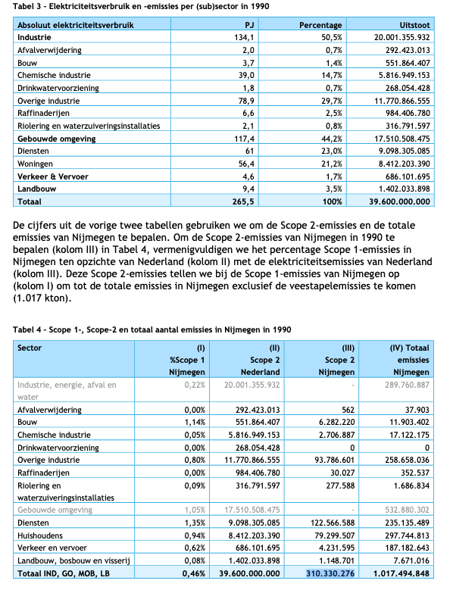
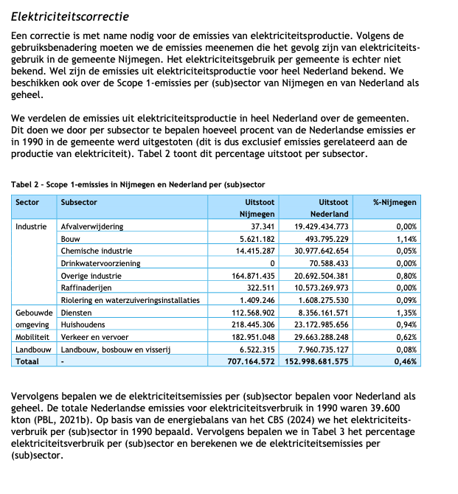
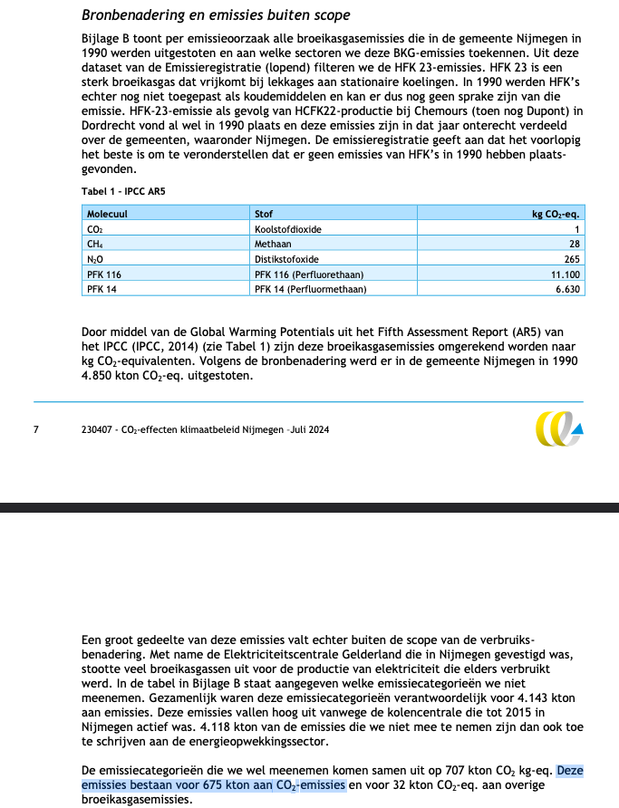
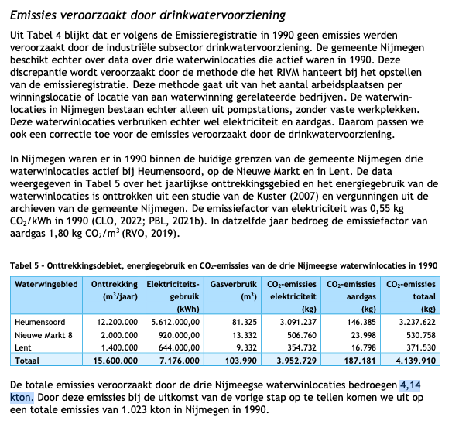
 | value | unit | comment
co2_emission_1990 | 989.4 | kton | Taken from CE Delft (2024), Klimaatdoorrekening Nijmegen (achtergrondrapport). Available via the municipality of Nijmegen. See relevant screenshots.
 | 0.9894 | Mton

