Introduction
In this excel biomass and wind potentials are calculated.
The source for biomass potentials is derived from the report 'The JRC-EU-TIMES model: Bioenergy potentials for EU and neighbouring countries.'
For wind potentials the study 'Europe's onshore and offshore wind energy potential' was used.

Input_EEA_wind
Key | AT | BE | BG | CY | CZ | DE | DK | EE | ES | FI | FR | UK | EL | HR | HU | IE | IT | LT | LU | LV | NL | PL | PT | RO | SE | SI | SK | MT | EU | commit_AT | commit_BE | commit_BG | commit_CY | commit_CZ | commit_DE | commit_DK | commit_EE | commit_ES | commit_FI | commit_FR | commit_UK | commit_EL | commit_HR | commit_HU | commit_IE | commit_IT | commit_LT | commit_LU | commit_LV | commit_NL | commit_PL | commit_PT | commit_RO | commit_SE | commit_SI | commit_SK | commit_MT | commit_EU
 | Austria | Belgium | Bulgaria | Cyprus | Czechia | Germany | Denmark | Estonia | Spain | Finland | France | United Kingdom | Greece | Croatia | Hungary | Ireland | Italy | Lithuania | Luxembourg | Latvia | Netherlands | Poland | Portugal | Romania | Sweden | Slovenia | Slovakia | Malta | Europe
offshore_suitable_for_wind | 0 | 2000 | 3000 | 2000 | 0 | 48000 | 65000 | 22000 | 25000 | 50000 | 45000 | 117000 | 52000 | 26000 | 0 | 28000 | 38000 | 5000 | 0 | 17000 | 60000 | 16000 | 9000 | 8000 | 60000 | 500 | 0 | 1000 | 699500 | Derived from the study 'Europe's onshore and offshore wind energy potential'; year: 2009; author: European Environment Agency | Derived from the study 'Europe's onshore and offshore wind energy potential'; year: 2009; author: European Environment Agency | Derived from the study 'Europe's onshore and offshore wind energy potential'; year: 2009; author: European Environment Agency | Derived from the study 'Europe's onshore and offshore wind energy potential'; year: 2009; author: European Environment Agency | Derived from the study 'Europe's onshore and offshore wind energy potential'; year: 2009; author: European Environment Agency | Derived from the study 'Europe's onshore and offshore wind energy potential'; year: 2009; author: European Environment Agency | Derived from the study 'Europe's onshore and offshore wind energy potential'; year: 2009; author: European Environment Agency | Derived from the study 'Europe's onshore and offshore wind energy potential'; year: 2009; author: European Environment Agency | Derived from the study 'Europe's onshore and offshore wind energy potential'; year: 2009; author: European Environment Agency | Derived from the study 'Europe's onshore and offshore wind energy potential'; year: 2009; author: European Environment Agency | Derived from the study 'Europe's onshore and offshore wind energy potential'; year: 2009; author: European Environment Agency | Derived from the study 'Europe's onshore and offshore wind energy potential'; year: 2009; author: European Environment Agency | Derived from the study 'Europe's onshore and offshore wind energy potential'; year: 2009; author: European Environment Agency | No sufficient European data found, as the available sea surface is similar to the Netherlands the same potential was adopted; year:2009; author:Quintel | Derived from the study 'Europe's onshore and offshore wind energy potential'; year: 2009; author: European Environment Agency | Derived from the study 'Europe's onshore and offshore wind energy potential'; year: 2009; author: European Environment Agency | Derived from the study 'Europe's onshore and offshore wind energy potential'; year: 2009; author: European Environment Agency | Derived from the study 'Europe's onshore and offshore wind energy potential'; year: 2009; author: European Environment Agency | Derived from the study 'Europe's onshore and offshore wind energy potential'; year: 2009; author: European Environment Agency | Derived from the study 'Europe's onshore and offshore wind energy potential'; year: 2009; author: European Environment Agency | Derived from the study 'Europe's onshore and offshore wind energy potential'; year: 2009; author: European Environment Agency | Derived from the study 'Europe's onshore and offshore wind energy potential'; year: 2009; author: European Environment Agency | Derived from the study 'Europe's onshore and offshore wind energy potential'; year: 2009; author: European Environment Agency | Derived from the study 'Europe's onshore and offshore wind energy potential'; year: 2009; author: European Environment Agency | Derived from the study 'Europe's onshore and offshore wind energy potential'; year: 2009; author: European Environment Agency | Derived from the study 'Europe's onshore and offshore wind energy potential'; year: 2009; author: European Environment Agency | Derived from the study 'Europe's onshore and offshore wind energy potential'; year: 2009; author: European Environment Agency | Derived from the study 'Europe's onshore and offshore wind energy potential'; year: 2009; author: European Environment Agency | Summation of all EU27 countries, derived from the study 'Europe's onshore and offshore wind energy potential'; year: 2009; author: European Environment Agency

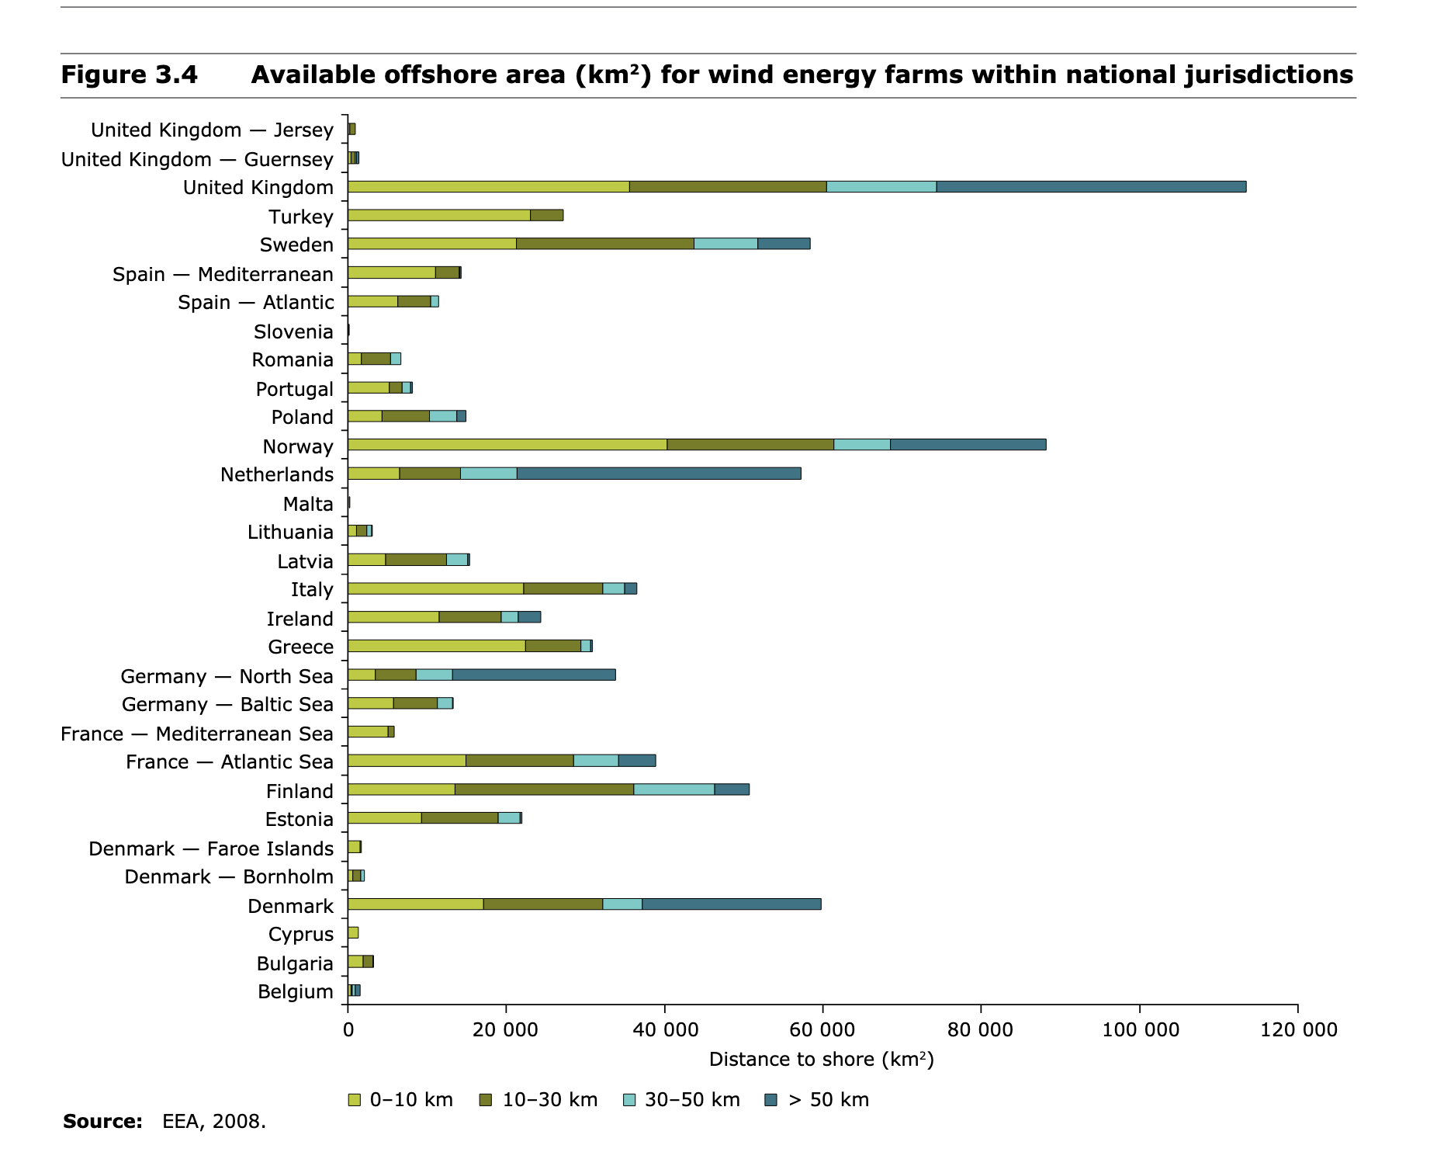

https://www.eea.europa.eu/publications/europes-onshore-and-offshore-wind-energy-potential

