Notes
Source | Parameter | Value | Unit | Comments

TNO
 | Electricity output capacity | 1600 | MW
 | Heat output capacity | 0 | MW | Only carrier input is uranium, only carrier output is electricity: no heat output is reported
 | Full load hours | 8000 | h/y
 | Technical lifetime | 60 | y
 | Availability | 0.92 | - | Capacity utilization factor

 | Electrical efficiency | 0.37 | - | Not the uranium efficiency but the thermal efficiency is used

 | Initial investment costs | 4.37 | mln euro/MW | Current costs
 | Total initial investment costs | 6992000000 | euro | Given the electricity output capacity

 | Installation costs | 0 | euro | CAPEX includes civil and structural costs

JRC
 | Relative fixed operation and maintenance costs | 0.021 | - | Of total CAPEX
 | Total fixed operation and maintenance costs per year | 146832000 | euro/y

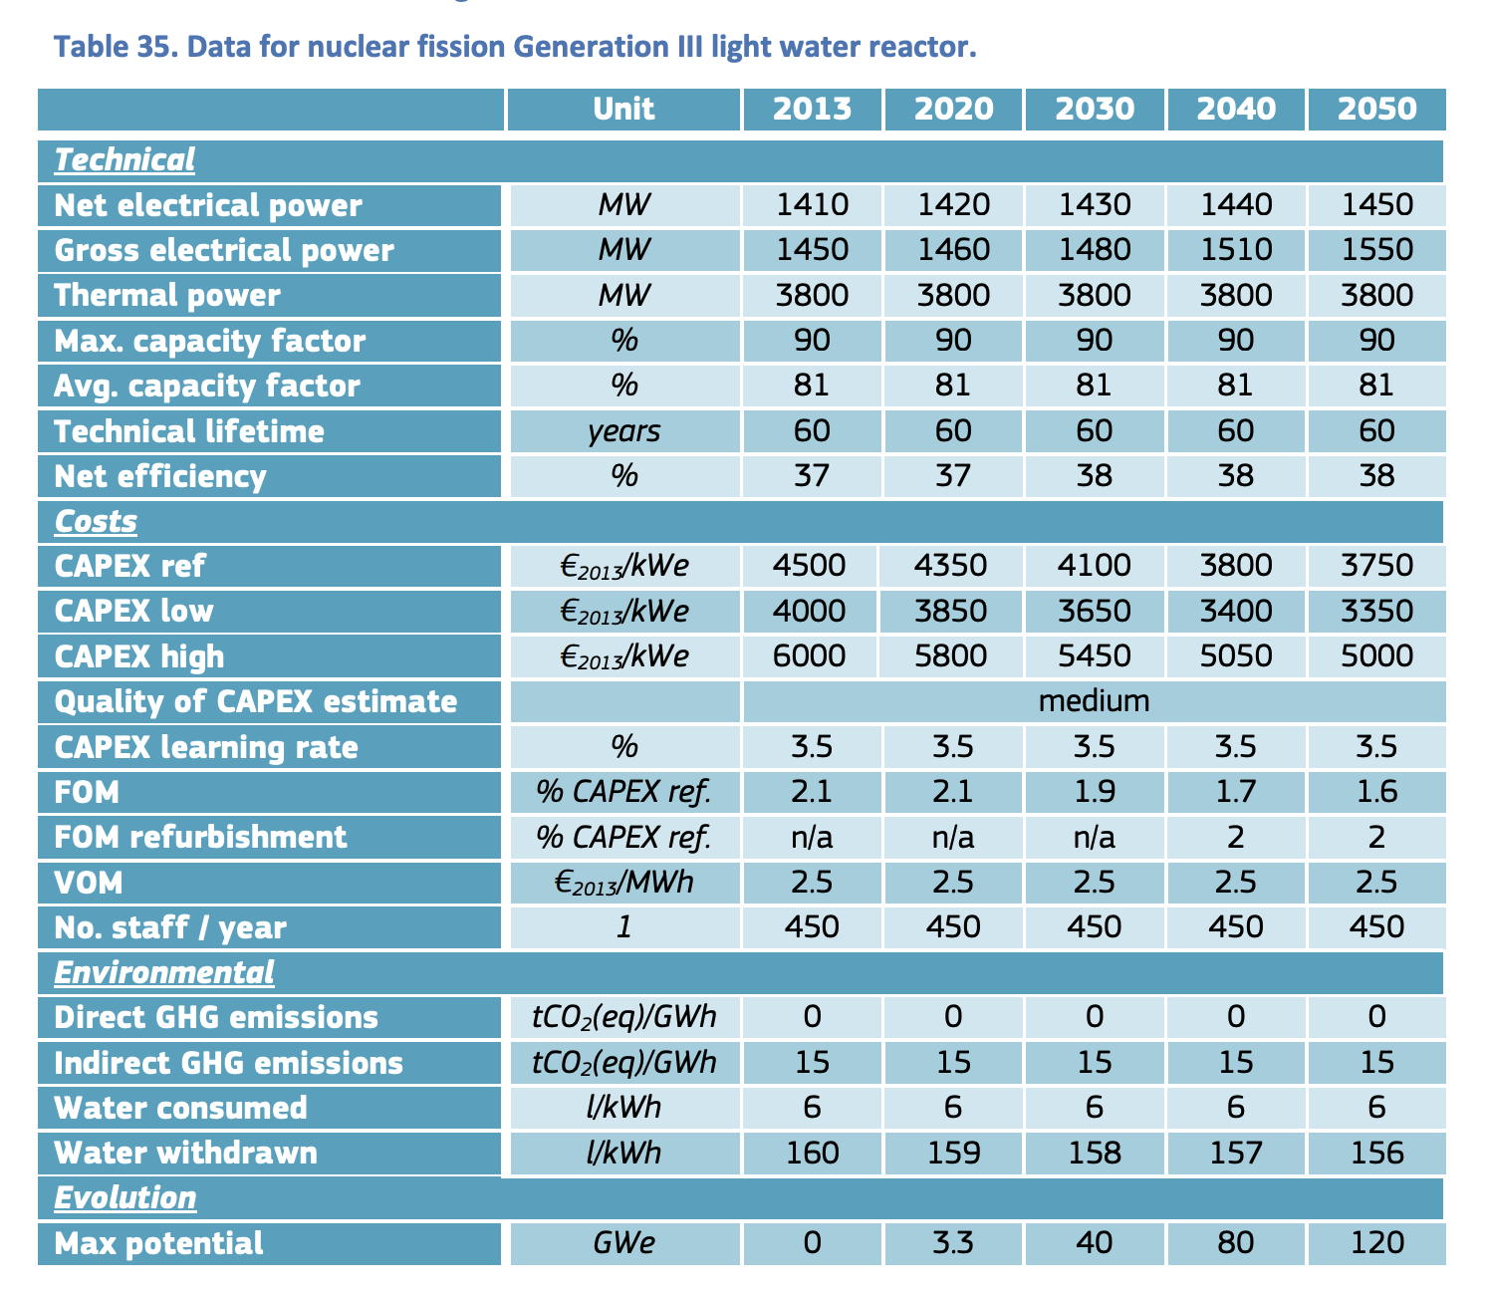

 | Variable operation and maintenance costs | 2.5 | euro/MWh
 | Variable operation and maintenance costs per flh | 4000 | euro/h

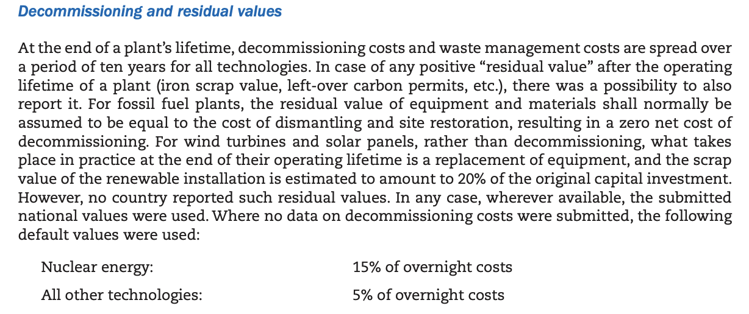
IEA & NEA
 | Relative decommissioning costs | 0.15 | - | Of total CAPEX
 | Decommissioning costs | 1048800000 | euro

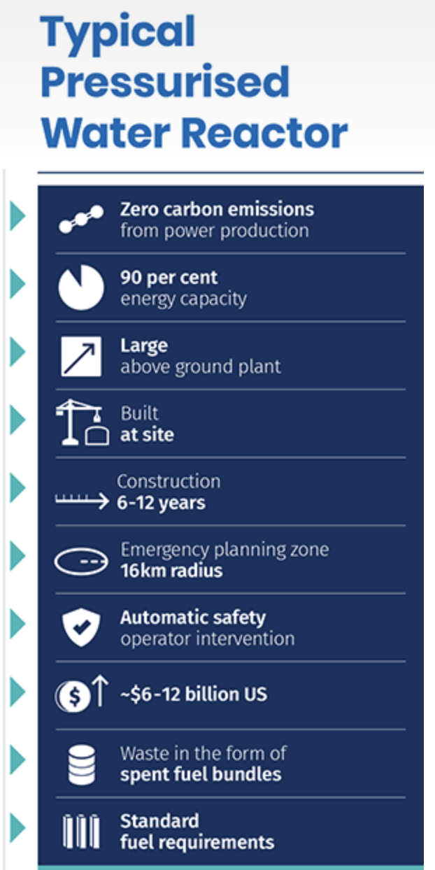
ANSTO
 | Construction time | 9 | y

