Notes
Source | Parameter | Value | Unit | Comments

TNO
 | Electricity output capacity | 225 | MW
 | Heat output capacity | 0 | MW | Only carrier input is uranium, only carrier output is electricity: no heat output is reported
 | Full load hours | 8322 | h/y
 | Technical lifetime | 60 | y

 | Electrical efficiency | 0.28 | - | Not the uranium efficiency but the thermal efficiency is used

 | Initial investment costs | 6.46 | mln euro/MW | Current costs
 | Total initial investment costs | 1453500000 | euro | Given the electricity output capacity

 | Relative fixed operation and maintenance costs | 0.02 | - | Of total CAPEX
 | Total fixed operation and maintenance costs per year | 29070000 | euro/y

 | Installation costs | 0 | euro | CAPEX includes civil and structural costs

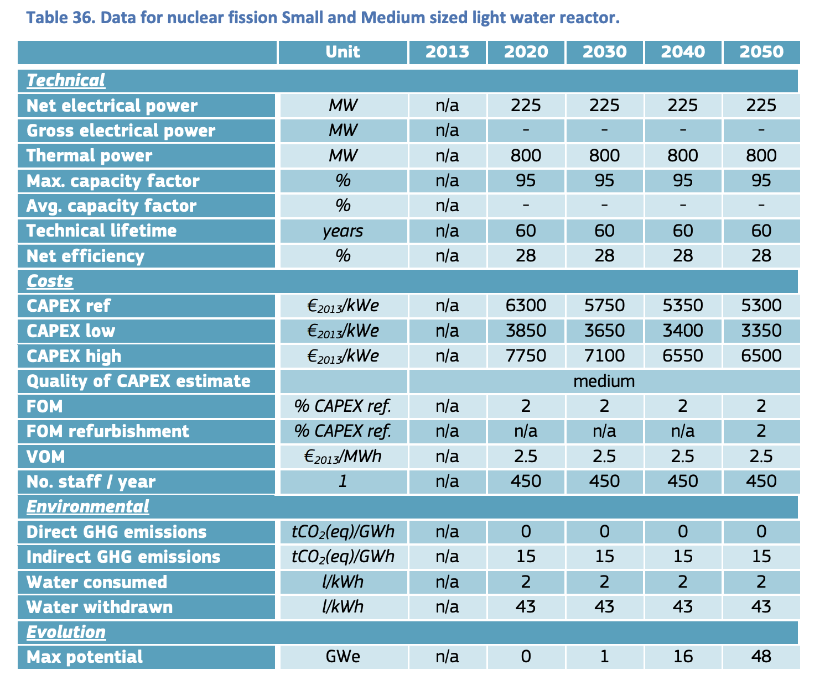
JRC
 | Variable operation and maintenance costs | 2.5 | euro/MWh
 | Variable operation and maintenance costs per flh | 562.5 | euro/h

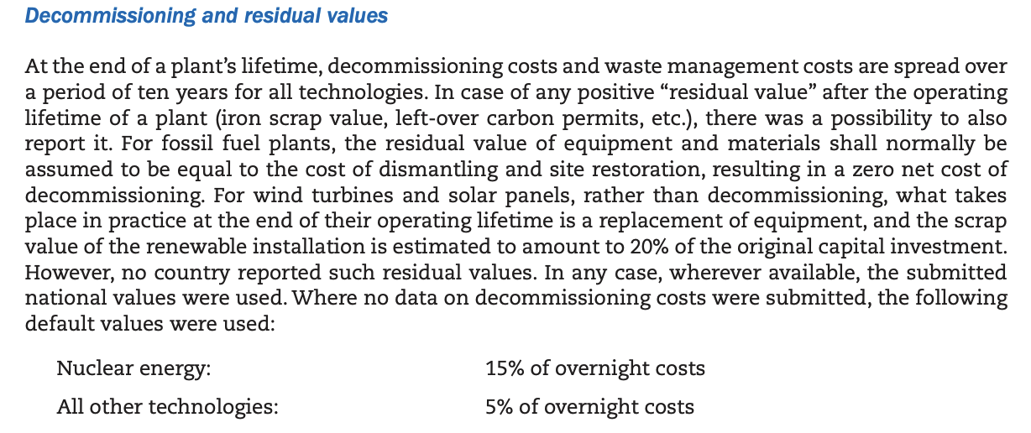
IEA & NEA
 | Relative decommissioning costs | 0.15 | - | Of total CAPEX
 | Decommissioning costs | 218025000 | euro


ANSTO
 | Construction time | 4 | y
 | Availability | 0.9 | -

