Notes
Sources | Page | Notes

http://www.statoilaviation.com/en_EN/pg1332347009500/ar1334072083204/SFRAviation/fuel_jeta1.html

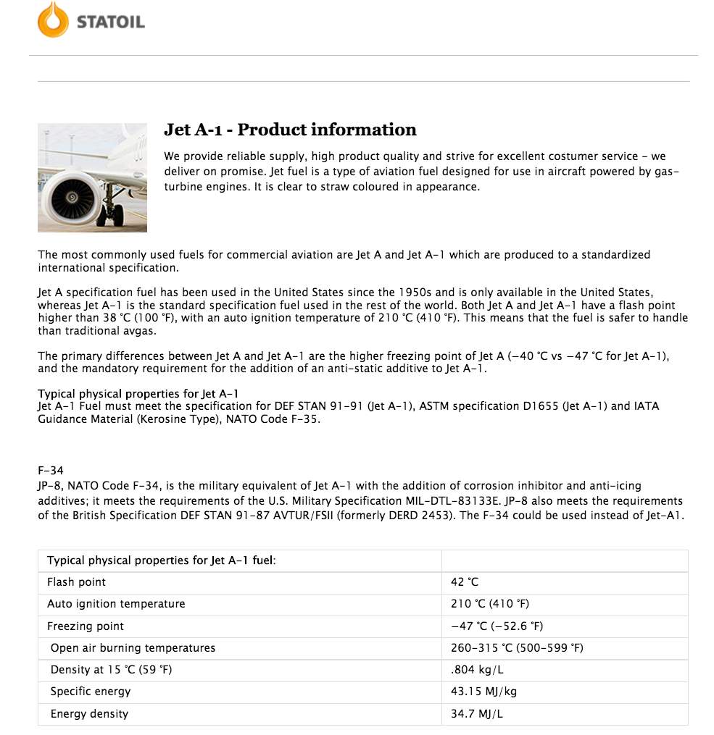
 |  | Product information
 |  | Jet A-1

 |  | 0.804 | kg/L
 |  | 43.15 | MJ/kg
 |  | 34.6926 | MJ/L

Sources | Page | Notes

http://www.indexmundi.com/commodities/?commodity=jet-fuel&currency=eur
 |  | Fuel price

 |  |  |  |  | EUR/Gallon
 |  |  |  |  | Month | Price
 |  | 1.324 | EUR/US Gallon | 5 month average | Jun-17 | 1.15 | -9.75%
 |  | 3.78541 | L/US Gallon |  | Jul-17 | 1.23 | 6.68%
 |  | 0.34976396216 | EUR/L |  | Aug-17 | 1.32 | 7.47%
 |  | 0.010081803098 | EUR/MJ |  | Sep-17 | 1.51 | 14.26%
 |  |  |  |  | Oct-17 | 1.41 | -6.76%

Sources | Page | Notes
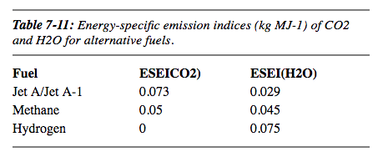
https://www.ipcc.ch/ipccreports/sres/aviation/110.htm

 |  | 0.073 | kg/MJ

