Notes
Sources | Page |  | Notes
Quintel
 |  |  | woody_biomass refers to woody biomass residues.
 |  |  | There is no bio-footpint associated with it therefore.

Sources | Page |  | Notes

EU JRC_201111_Well-to-wheel analysis of future automotive fuels and powertrains in the European context (version 3c) WTT Appendix 1
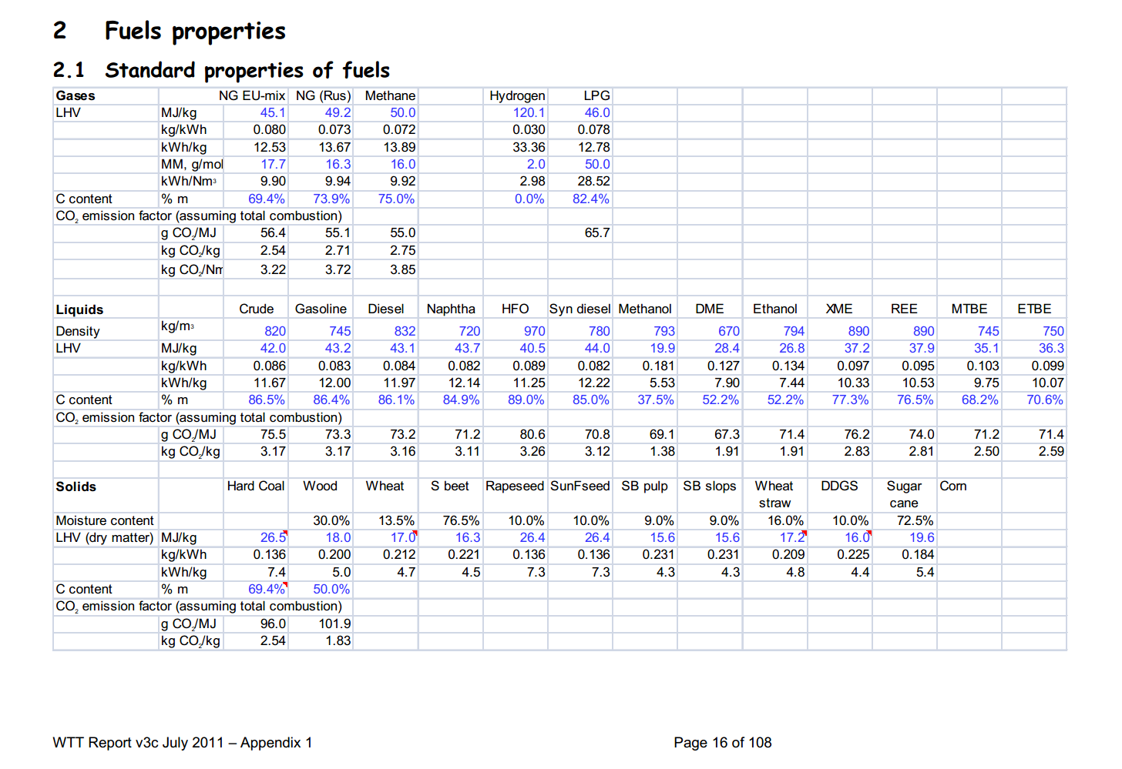

 | 16 | Wood
 |  |  | 18 | MJ/KG | LHV
 |  |  |  | kg/dm3 | transform to kg/Liter
 |  |  |  | MJ/L | LHV

Sources | Page |  | Notes

ECN_Uslu_2008_Pre-treatment technologies, and their effect on international bioenergy supply chain logistics. Techno-economic evaluation of torrefaction fast pyrolysis and pelletisation_ Energy33_2008_p1206-1223

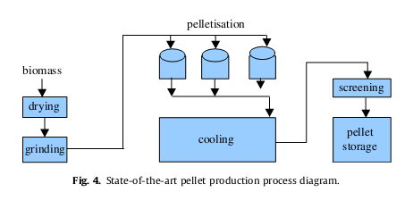
 | 1210-1211 |  | Yield
 |  |  |  |  | 87%

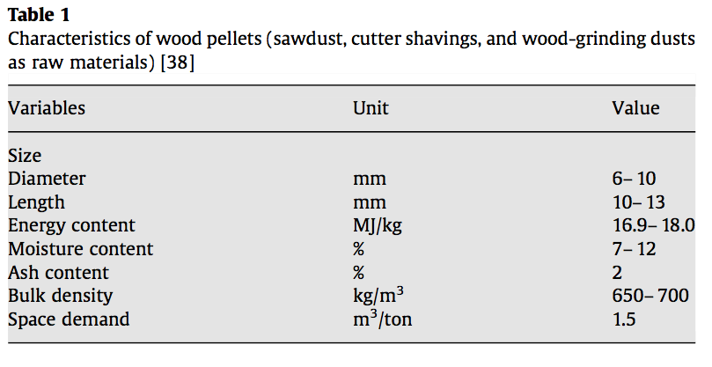
 | 1211
 |  |  | Energy content |  | 16.9 | MJ/kg | Lower
 |  |  |  |  | 18 | MJ/kg | Upper
 |  |  | Moisture content |  | 12% |  | Corresp. to lower energy content
 |  |  |  |  | 7% |  | Corresp. to upper energy content

 | 1212
 |  |  | Energy content |  | 17.7 | MJ/kg

 |  |  | Net efficiency |  | 84%

 | 1216 |  | Energy content

 |  |  |  |  | 17.7 | MJ/kg | LHV

 |  |  | yield |  | 22.4 | ton/ha/yr
 |  |  |  |  | 22400 | kg/ha
 |  |  |  |  | 2240000 | kg/km2

 |  |  |  |  | 39,648,000 | MJ/km2/yr
 |  |  | net yield |  | 33,304,320 | MJ/km2/yr

 | 1222 |  | Energy content |  | 17.7 | MJ/kg | LHV

Sources | Page |  | Notes

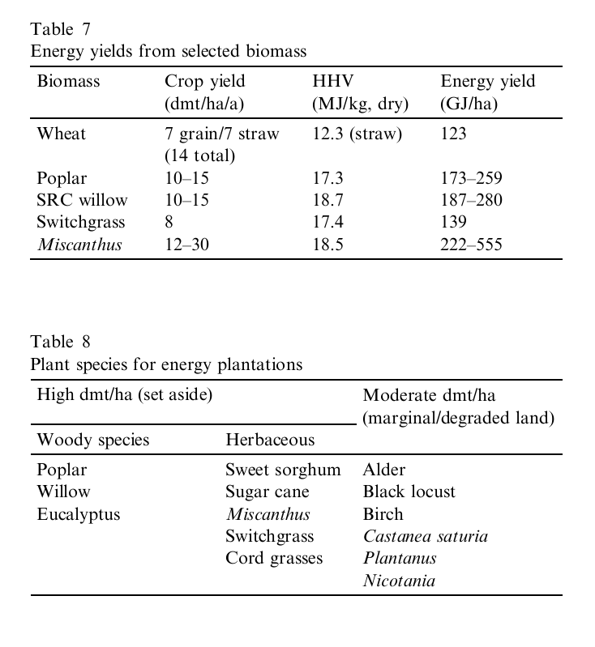
McKendry_2002_Energy production from biomass (part 1): overview of biomass_bioresource Technology 83_2002_p37-46
 | 48 |  | biomass yield per Ha

 |  |  | biomass yield per Ha

 |  |  |  |  | GJ/Ha | GJ/Ha
 |  |  | Poplar |  | 173 | 259
 |  |  | SRC Willow |  | 187 | 280
 |  |  |  |  | MJ/HA | MJ/HA
 |  |  | Poplar |  | 173000 | 259000
 |  |  | SRC Willow |  | 187000 | 280000
 |  |  |  |  | MJ/km2 | MJ/km2 |  | averages
 |  |  | Poplar |  | 17,300,000 | 25,900,000 |  | 21,600,000
 |  |  | SRC Willow |  | 18,700,000 | 28,000,000 |  | 23,350,000
 |  |  |  |  |  |  |  | 22,475,000
 |  |  | net yield |  | 18,879,000 | MJ/km2 |  | 22,475,000

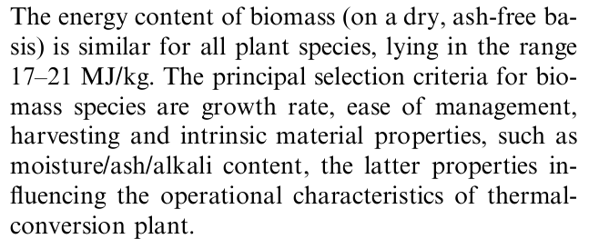

Sources | Page |  | Notes

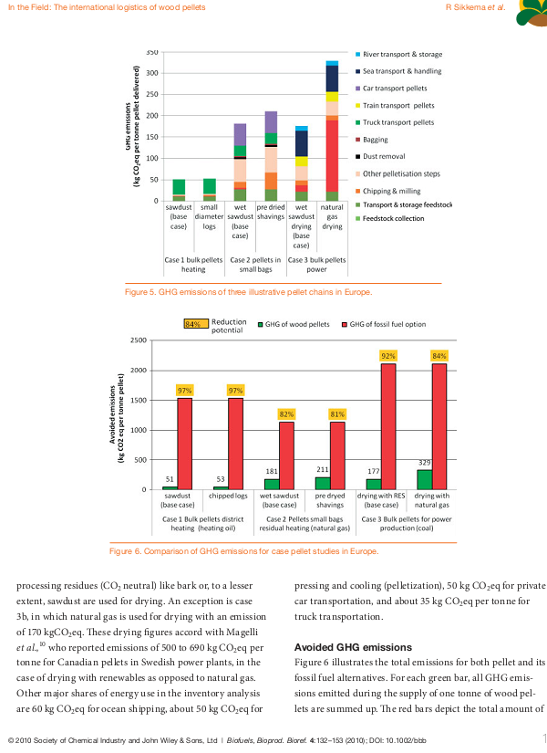
Sikkema_2010_The international logistics of wood pellets for heating and power production in Europe, energy input and greenhouse gas balances of pellets consumption in italy, Swede and the Netherlands
 |  |  | CO2 emissions conversion per MJ
 |  |  | 0.014285714286
 | 144-145
 |  |  | Energy content | 17.6 | a tonne of woodpellets has 17,6 GJ
 |  |  |  |  | kg CO2e per tonne woodpellets
 |  |  |  | 50 | District Heating
 |  |  |  | 200 | Residential use
 |  |  |  | 170-330 | large scale industrial
 |  |  |  | kg CO2e per MJ woodpellets |  |  | Averages
 |  |  | District Heating | 0.0028571428571 |  |  | 0.0028571428571
 |  |  | Residential use | 0.011428571429 |  |  | 0.011428571429
 |  |  | large scale industrial | 0.0097142857143 | 0.018857142857 | 0.014285714286 | 0.014285714286

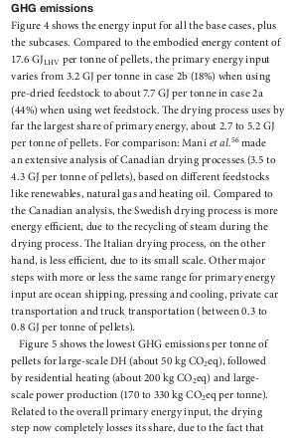

Sources | Page |  | Notes

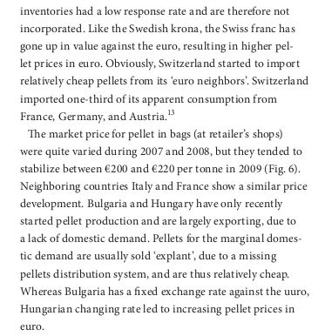
Sikkema_2010_The European wood pellet markets. Current status and prospects for 2020
 | 10
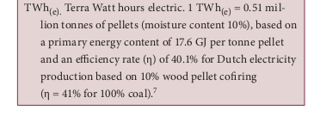
 |  | industrial wood pellets price |  | 0.0076704545455 | € cost per MJ
 |  | residential wood pellets price |  | 0.0125 | € cost per MJ

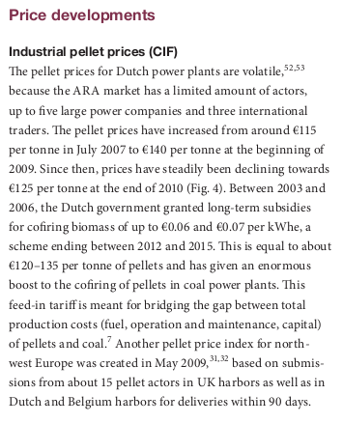

 |  |  |  |  |  |  | 17,6 GJ per tonne with tonne costing 135 | Industrial |  | 17,6 GJ per tonne with tonne costing 220 | Residential
 |  |  |  |  |  |  | 135 | price per tonne |  | 220 | price per tonne
 |  |  |  |  |  |  | 17600 | GJ to MJ |  | 17600 | GJ to MJ
 |  |  |  |  |  |  | 0.0076704545455 | cost per MJ |  | 0.0125 | cost per MJ

 |  |  |  |  |  |  | efficiency rate | 40.10%

Sources | Page |  | Notes

CE_Delft_201109_Toelichting_ketenkentallen_incl_biodiesel_bio-ethanol_(LCA).pdf

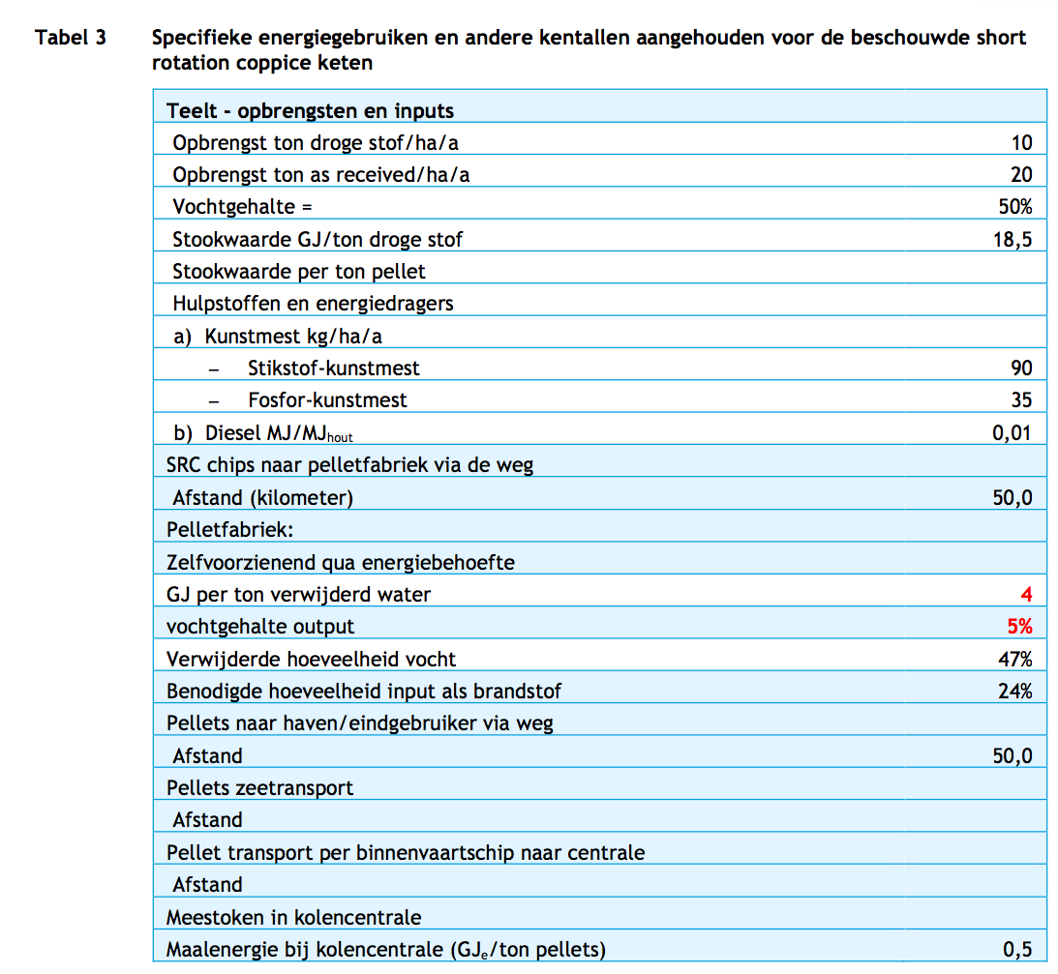
 | 9
 |  |  | Yield |  | 10 | ton ds/ha
 |  |  |  |  | 185,000 | MJ/ha
 |  |  |  |  | 18,500,000 | MJ/km2 | biomass
 |  |  |  |  | 16,095,000 | MJ/km2 | pellets

 |  |  | Stookwaarde GJ/ton ds |  | 18.5 | GJ/ton
 |  |  |  |  | 18500 | MJ/ton

 |  |  |  |  |  |  |  |  |  |  |  | Maïs vergisten voor groen gas op MD net | SRC voor meestook of industriële ondervuring, bemest | Import pellets | Elektriciteitgebruik (GJe/GJ brandstof) | Maïs vergisten voor groen gas op MD net | SRC voor meestook of industriële ondervuring, bemest | Import pellets
 |  |  |  |  |  |  |  |  |  |  | Mijnbouw/teelt |  |  |  | Mijnbouw/teelt
 |  |  | co2_exploration_per_mj |  |  | kg/MJ | 0 |  |  |  | CO2 | 7.99 | 1.7 | 1.15 | Buitenlands
 |  |  | co2_extraction_per_mj |  |  | kg/MJ | 0.00114704171551667 |  |  |  | CH4 | 0.05 |  |  | Nederlands
 |  |  | co2_treatment_per_mj |  |  | kg/MJ | 0.0 |  |  |  | N2O | 0.03 | 0.018 | 0.00
 |  |  | co2_transportation_per_mj |  |  | kg/MJ | 0.00808119813549124 |  |  |  | CO2-eq | 17.83 | 7.2 | 1.1
 |  |  | co2_conversion_per_mj |  |  | kg/MJ | 0.00000000000000000 |  |  |  | Gje/GJ geleverde brandstof
 |  |  | co2_waste_treatment_per_mj |  |  | kg/MJ | 0 |  |  |  | Bewerken/opwerken/pelletiseren |  |  |  | Bewerken/opwerken/pelletiseren
 |  |  |  |  |  |  |  |  |  |  | CO2 |  |  |  | Buitenlands
 |  |  |  |  |  |  |  |  |  |  | CH4 | 0.07 |  |  | Nederlands | 0.06
 |  |  |  |  |  |  |  |  |  |  | N2O
 |  |  |  |  |  |  |  |  |  |  | CO2-eq | 1.66 | 0.0 | 0.0
 |  |  |  |  |  |  |  |  |  |  | Gje/GJ geleverde brandstof | 0.06
 |  |  |  |  |  |  |  |  |  |  | Transport |  |  |  | Transport
 |  |  |  |  |  |  |  |  |  |  | CO2 |  | 0.8 | 8.1 | Buitenlands
 |  |  |  |  |  |  |  |  |  |  | CH4 |  |  |  | Nederlands
 |  |  |  |  |  |  |  |  |  |  | N2O
 |  |  |  |  |  |  |  |  |  |  | CO2-eq | 0.00 | 0.8 | 8.1
 |  |  |  |  |  |  |  |  |  |  | Gje/GJ geleverde brandstof
 |  |  |  |  |  |  |  |  |  |  | Omzetten/meestoken |  |  |  | Omzetten/meestoken
 |  |  |  |  |  |  |  |  |  |  | CO2 |  |  |  | Buitenlands
 |  |  |  |  |  |  |  |  |  |  | CH4 |  |  |  | Nederlands |  | 0.03 | 0.03
 |  |  |  |  |  |  |  |  |  |  | N2O
 |  |  |  |  |  |  |  |  |  |  | CO2-eq | 0.00 | 0.0 | 0.0
 |  |  |  |  |  |  |  |  |  |  | Gje/GJ geleverde brandstof |  | 0.03 | 0.03
 |  |  |  |  |  |  |  |  |  |  | Restproducten |  |  |  | Restproducten
 |  |  |  |  |  |  |  |  |  |  | CO2 |  |  |  | Buitenlands
 |  |  |  |  |  |  |  |  |  |  | CH4 |  |  |  | Nederlands
 |  |  |  |  |  |  |  |  |  |  | N2O
 |  |  |  |  |  |  |  |  |  |  | CO2-eq
 |  |  |  |  |  |  |  |  |  |  | Gje/GJ geleverde brandstof

Sources | Page |  | Notes

ECN Basisbedragen SDE+ 2017
 |  |  | Price B-hout | 50 | euro/tonne
 |  |  | Energy | 9 | GJ/tonne
 |  |  |  | 0.0055555555556 | eur/mj

 |  |  |  |  |  |  |  |  | 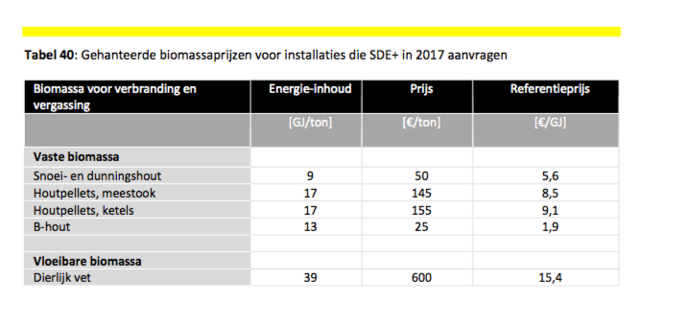

Sources | Page |  | Notes

IPCC_2006_Guidelines for National Greenhouse Gas Inventories - Vol 2 Energy - Ch 1 Introduction.pdf

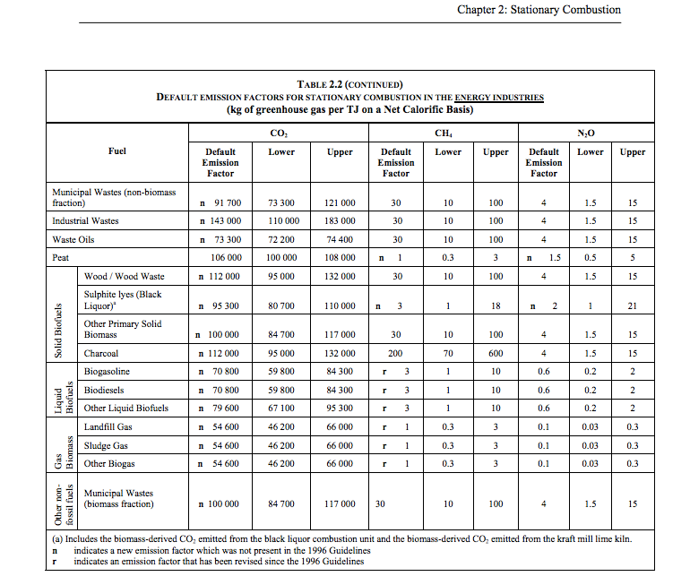

 | 1.24 |  |  | 112000 | kg CO2/TJ | wood
 |  |  |  | 1000000 | TJ/MJ
 |  |  |  | 0.112 | kg CO2/TJ

