Notes
Source |  | Notes

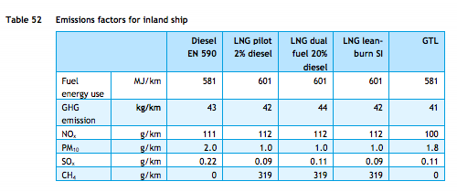
TNO, ECN, CE Delft

Efficiency |  | 581 | MJ/km
 |  | 0.0017211703959 | km/MJ

 |  | dual fuel ship,
 |  | hence dual fuel efficiency

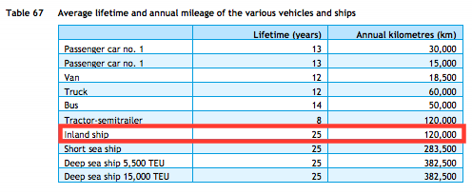
TNO, ECN, CE Delft

Lifetime |  | 25 | years

TNO, ECN, CE Delft

Investment costs Inland ship
Estimate |  |  | euro

Eurostat | km | 20714 | thousand vessel km
 |  | 20,714,000 | vessel km
 | tonne km | 12174 | mln tonne km
 |  | 12,174,000,000 | tonne km

 |  | 587.71845129 | tonne km/vessel km

 | tkm/MJ | 1.0115635995 | tonne km/MJ | cedelft-ecn-tno

