Notes
Sources | Notes

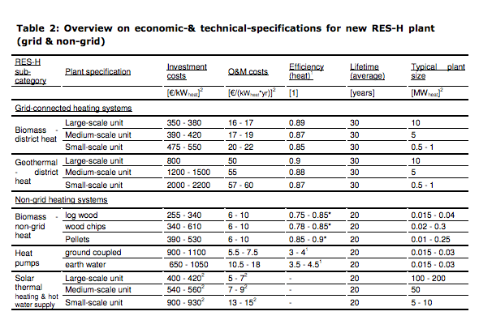
Ecofys-ISI
p.14

 | 10 | MW
Initial investment | 800 | euro/KW
O&M | 50 | euro/KW
Lifetime | 30 | yr

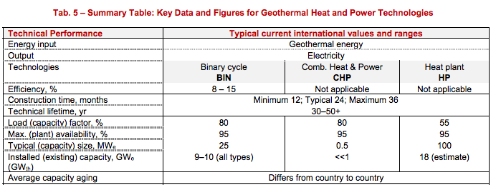
iea-etsap
p.5

construction time | 24 | months
Lifetime | 30 | yr

