Notes
Sources |  |  | Notes
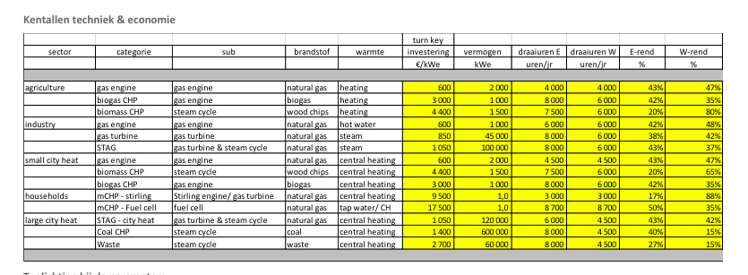
Energymatters
p.1

 |  | 3000 | euro/KW
 | El. efficiency | 42 | %
 | H. efficiency | 35 | %
 | E. FLH | 8000 | hrs
 | H FLH | 6000 | hrs

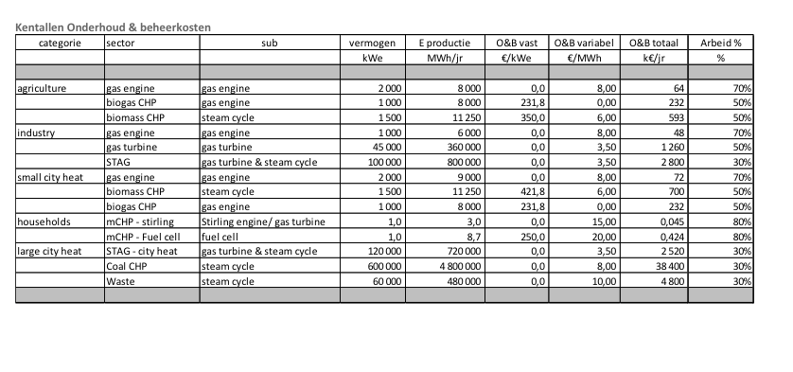
p.5

 |  | 1 | MW

 |  | 231.8 | euro/KW
 |  | 0 | euro/KW

MWM

 |  | 0.8 | MW

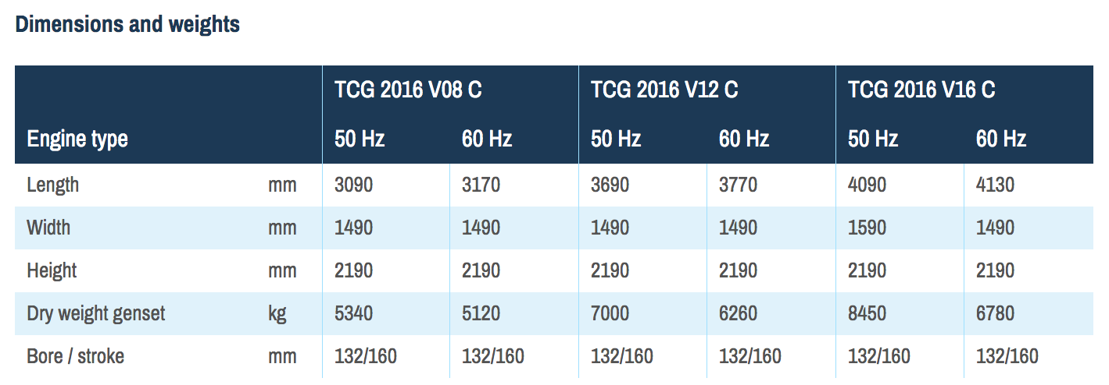

 |  | 4130 | mm
 |  | 1490 | mm

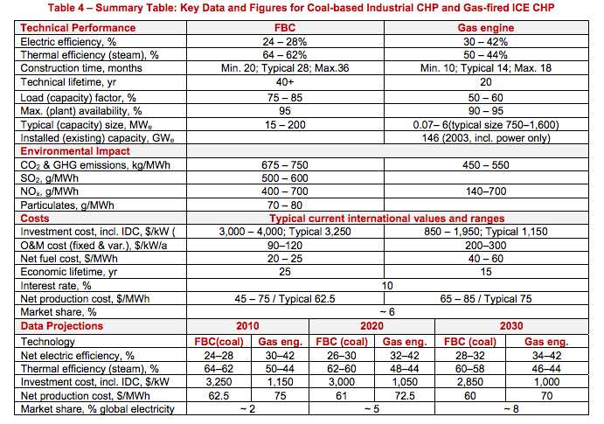
IEA ETSAP
p.5

 | Construction time | 1.1 | yr
 | Technical lifetime | 20 | yr

