Notes
Source | Notes

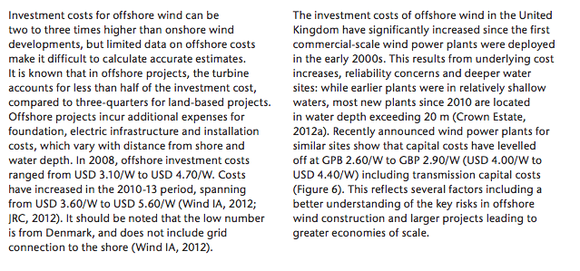
IEAa
p.15

 | 3.6-5.6 | $/W
Average | 4.6 | $/W

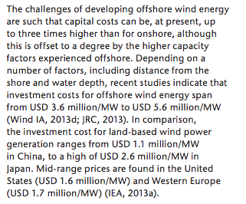
IEAb
p.7

 | 3.6-5.6 | $m/MW
Average | 4.6 | $m/MW
 | 3444 | euro/KW

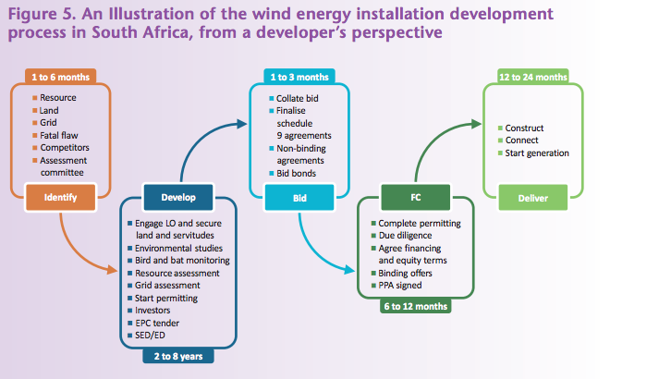
p.15

 | 12 to 24 | months
 | 18

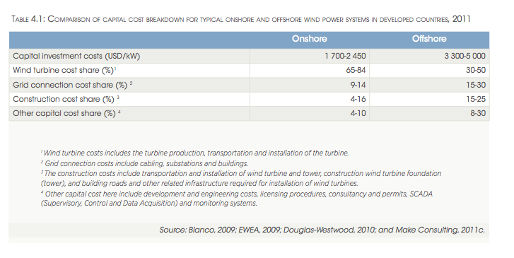

IRENA
p.19

 | 15-25 | %
Average | 20%

p.51

 | 20 | yr

NREL
p.24

 | 20 | yr

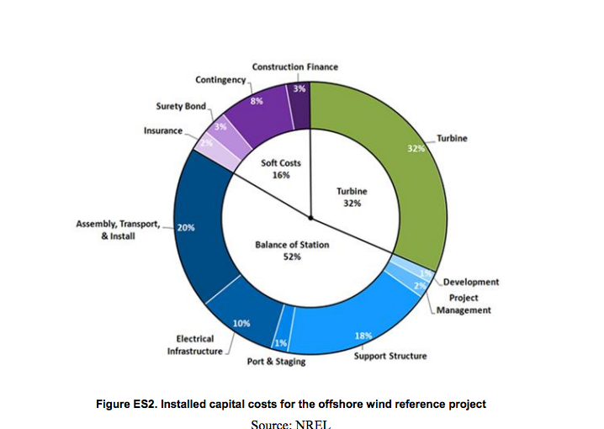
p.viii

 | 20%

ISE
p.10

 | 3400 | euro/KW
 | 4500 | euro/kW
Average | 3950 | euro/kW

p.11

 | 20 | yr

worldenergy
p.17

 | 4.29-6.08 | $m/MW
Average | 5185 | $/KW
 | 4218 | euro/KW
 | 100-160 | $/KW
Average | 130 | $/KW
 | 101 | euro/KW

rwe
p.10

 | 350-1000 | m
Average | 700 | m

