Notes
Sources | Notes
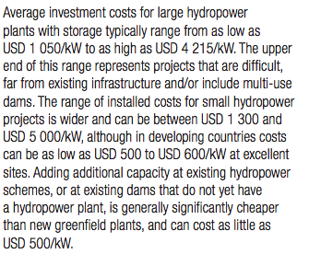
Irena
p.19

small scale plant
investment cost | 1300-5000 | $/KW
Average | 3700 | $/KW
 | 2688 | euro/KW

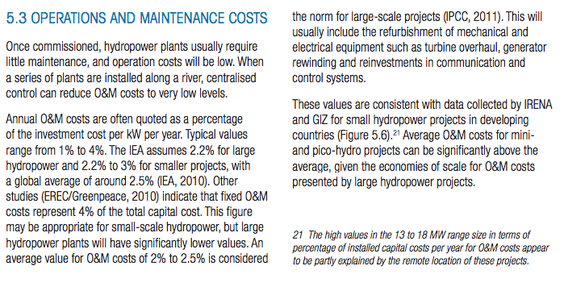

O&M cost | 2.5%

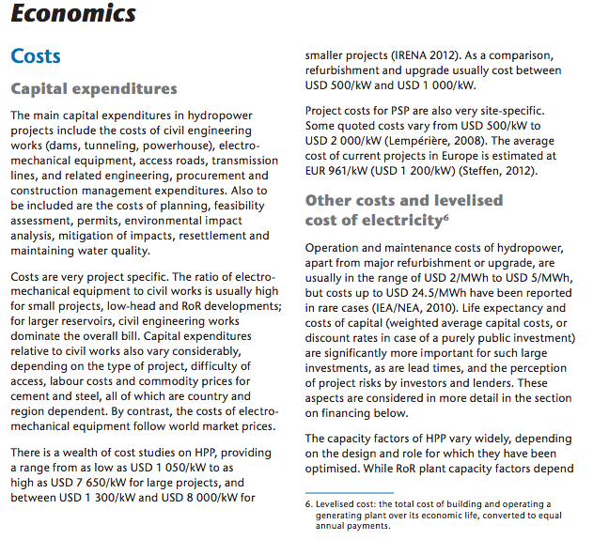
IEA
p.38

 | small scale plant
 | 1300-8000 | $/KW
Average | 4500 | $/KW
 | 3341 | euro/kW

 | 50 | yr

 | 2.50%

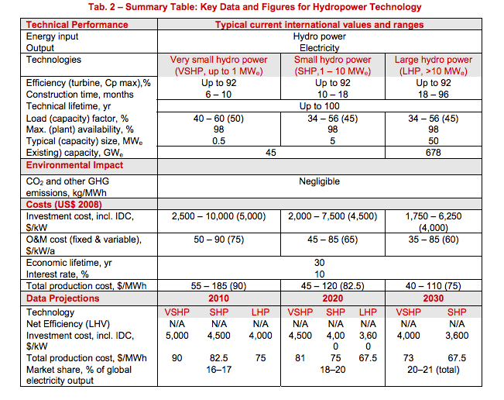
iea-etsap
p.5

construction time | 18 | months

small hydro power
investment cost | 4500 | $/KW
 | 3387 | euro/KW

O&M | 65 | $/KW
 | 45.29 | euro/KW

