Notes
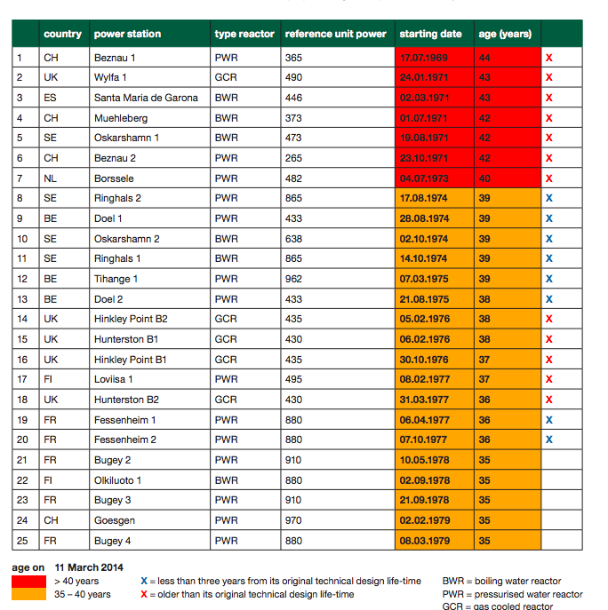
Source |  | Notes
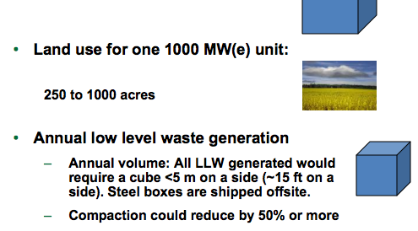
US.Department of Energy
p.36

 |  | 1000 | MW

 | Land use | 250-1000 | acres
 | medium value | 700 | acres

komanoff
p.4

 |  | 1500 | MW
 |  | 13460 | FF/KW
 |  | 2052 | euro/KW

iiasa
p.12

 |  | 6 | yr

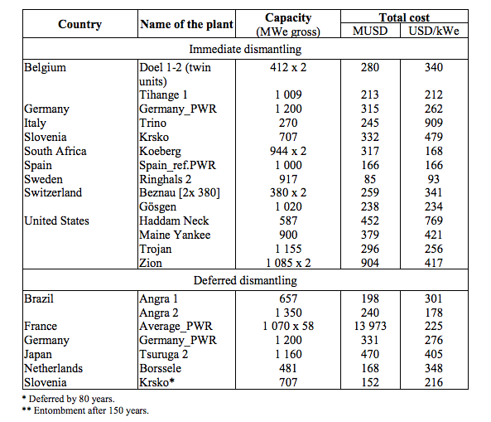
NEA
p.59

 |  | 348 | $/KW

greenpeace
p.10

 |  | 40 | yr

