Notes
Source | Notes
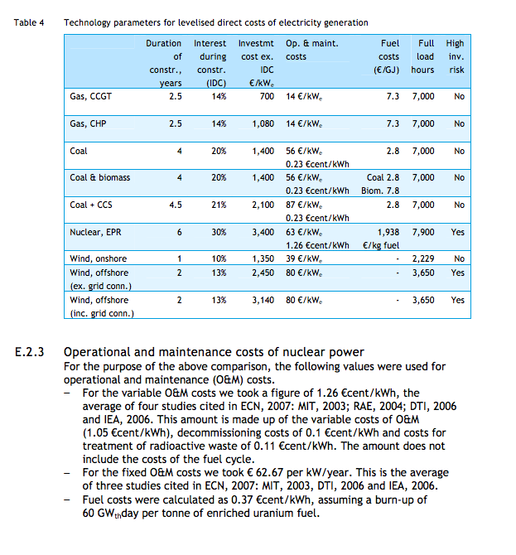
Delft
p.89

construction time | 6 | yr
Initial investment | 3400 | euro/KW
Fixed O&M | 63 | euro/KW
Variable O&M | 1.26 | eurocent/KWh
 | 12.6 | euro/MWh

Decommissioning cost | 0.1 | eurocent/KWh
 | 1 | euro/MWh

p.74

 | Lifetime | 60 | yr

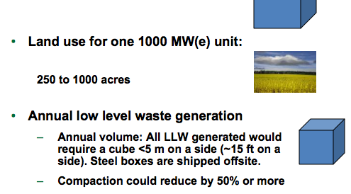

US.Department of Energy
p.36

 |  | 1000 | MW

 | Land use | 250-1000 | acres
 | medium value | 700 | acres

