Notes
Source | Page | Notes

This high-temperature heat pump was based on the thermea.SG heat pump, which produces steam from waste heat. Specs are placed on the right.

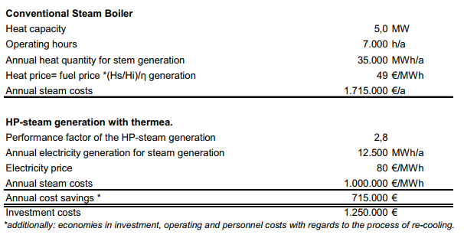
r744
 |  | 7000 | hrs |  |  | page 5

 |  |  | Units | Attribute | In source
 |  | 1.79 | MW | Compressor power
 |  | 5 | MW | heat_output_capacity | heat capacity

 |  |  | Units | Attribute | In source
 |  | 2.8 |  | output.useable_heat | Performance facotr of HP-steam generation
 |  | 0.74 |  | input.ambient_heat
 |  | 0.26 |  | input.electricity

 |  | 700 | euro/kWe
 |  | 1,250,000.00 | euro | initial_investment

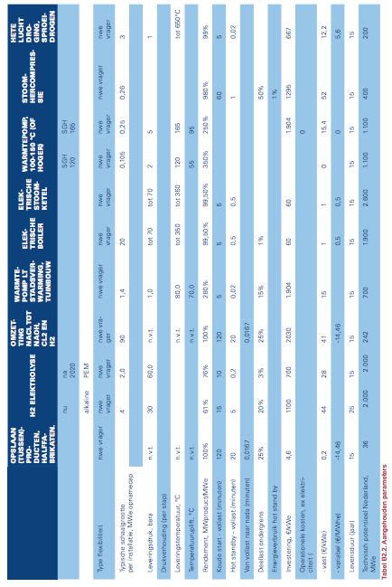
Berenschot, ECN, ISPT |  |  | Units | Attribute |  | page 89
 |  | 15.4 | euro/kWe
 |  | 27500 | euro | fixed o&m
 |  | 0 | euro/MWhe
 |  | 0 | euro | variable o&m

 |  | 15 | yrs | technical_lifetime

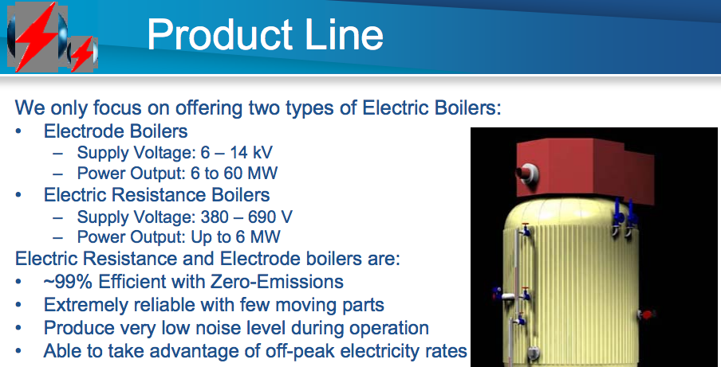

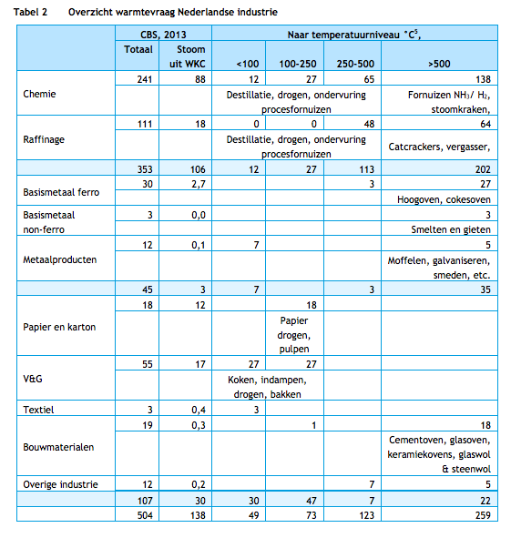
CE Delft | 14

 |  | Able to meet all heat demand
 |  | of the food industry
 |  | based on the temperature split

