Notes
Source | Notes

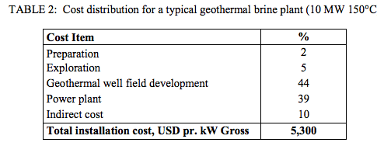
verkis
p.3

 | 10 | MW

 | 5300 | $/KW
 | 4184 | euro/KW

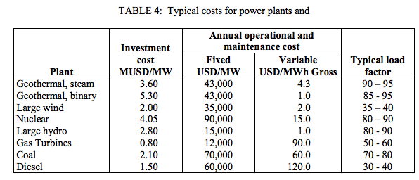

p.5

 | 43 | $/KW
 | 33.9 | euro/KW

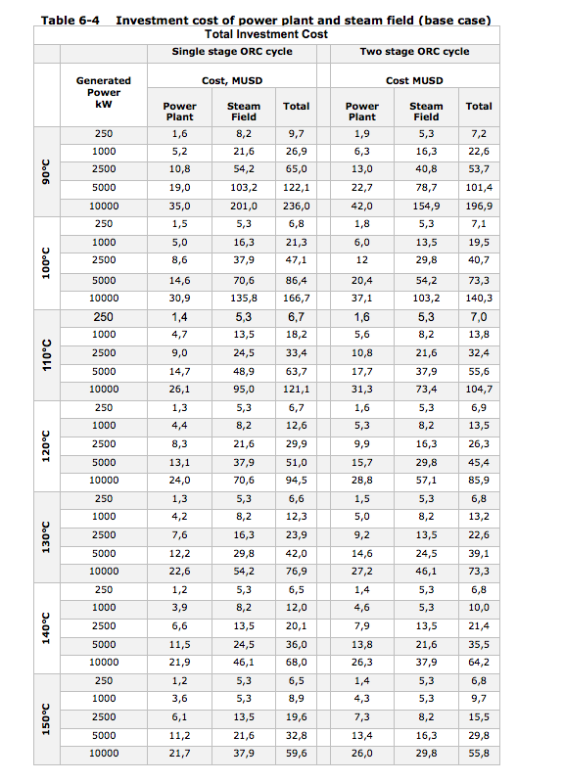
Verkis-Iceida
p.43

 | 10 | MW
 | 59.6 | M$
 | 5960 | $/KW
 | 4700 | euro/KW

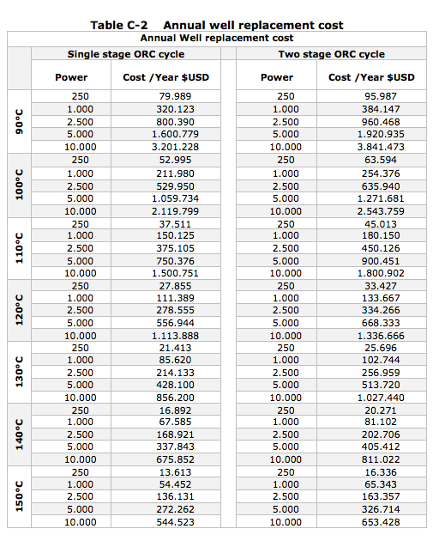
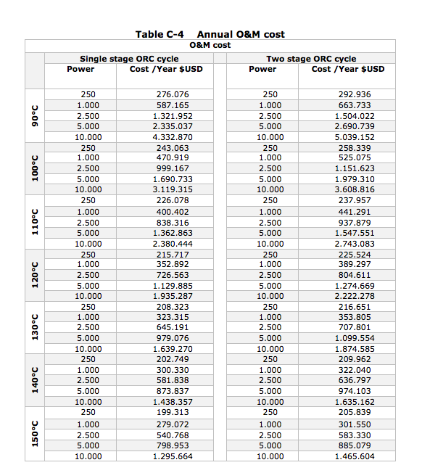

 |  | 10 | MW
O&M cost |  | 544523 | $
excl. insuramces, share parts etc. |  | 54.5 | $/KW
 |  | 42.29 | euro/KW

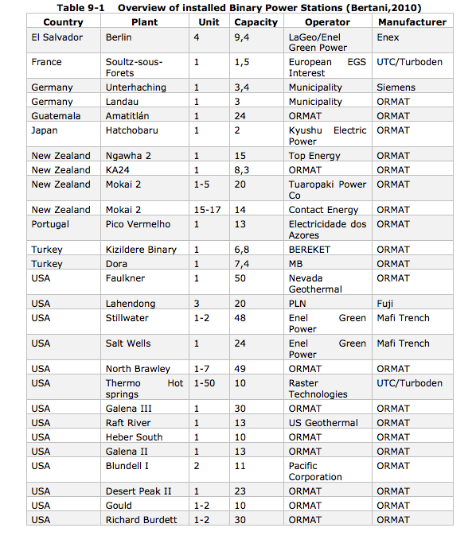

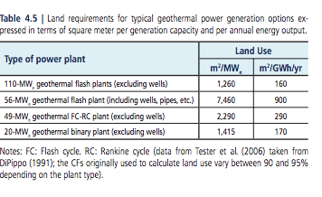
IPCC
p.420

 |  | 20 | MW
 |  | 1415 | m2/MW

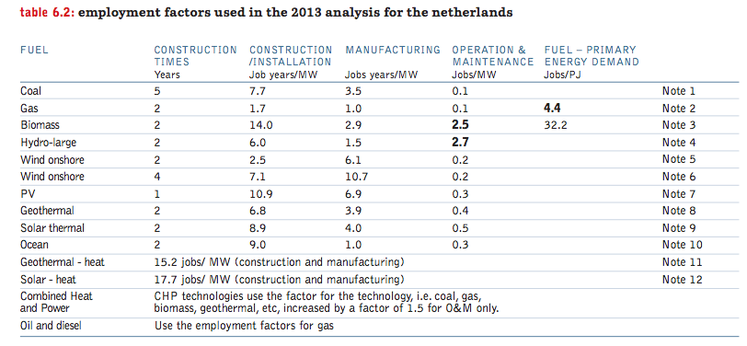
greenpeace
p.69

 |  | 2 | yr

geoelec
p.8

 |  | 30 | yr

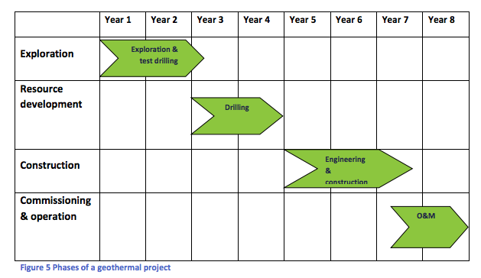
p.14

 |  | 3 | yr

