Notes
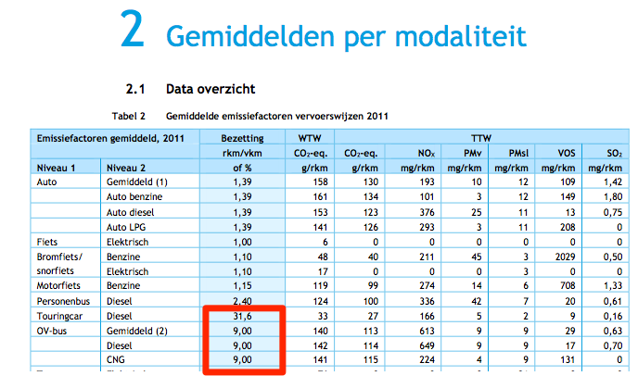
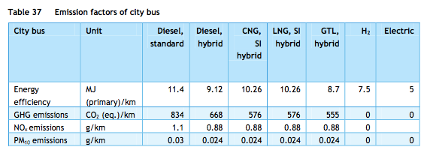
Sources | Notes

cedelft-ecn-tno |  | diesel | 11.4 | MJ/km
Assumption: | gasoline is 10.2153281% less efficient than diesel (based on truck analysis)
 | 1.102153281

cedelft-ecn-tno |  | 12.564547403 | MJ/km
p.66 |  | 0.07958901884 | km/MJ

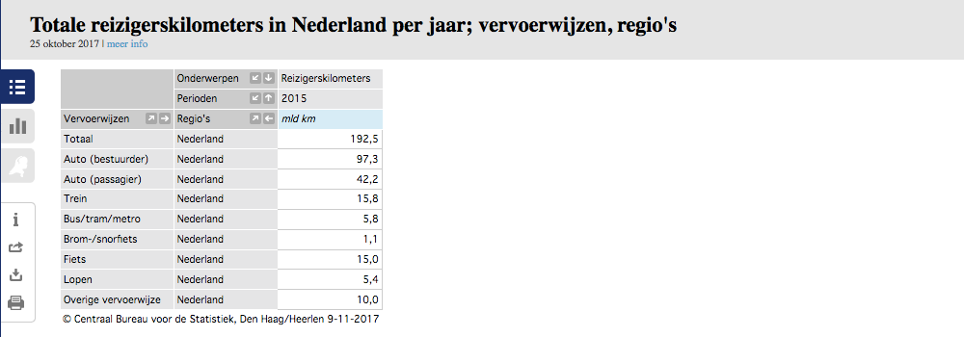

Eurostat | vehicle km | 624.8 | mln vehicle km
 |  | 624800000 | vehicle km
 | passenger km | 8.86 | mld passenger km
 |  | 8860000000.00 | passenger km
 |  |  |  |  |  | Reizigerskilometers: | 5.8 mld voor bus/tram/metro
 |  | 14.181 | passenger km/vehicle km |  |  |  | min 0.9 mld voor bus/tram.
 |  |  |  |  |  |  | Touringcars zitten hier nog niet bij, die vallen onder de categorie overige vervoerwijze bij CBS.
 |  |  |  |  |  |  | Schatting: dit gaat om 3.96 mld reizigerskilometers
 |  |  |  |  |  |  | Aanname is gebaseerd op: Totaal aantal touringcarkilometers is ongeveer 23% van het totaal aantal buskilometers (CBS). De bezettingsgraad van touring cars is ongeveer 3.5 keer hoger dan van lijnbussen (CE Delft). Dus we tellen 80% van de lijnbusreizigerskilometers op bij het totaal (+3.96)
 | output.passenger_kms | 1.1286150879 | passenger km/MJ |  | cedelft-ecn-tno

