Notes
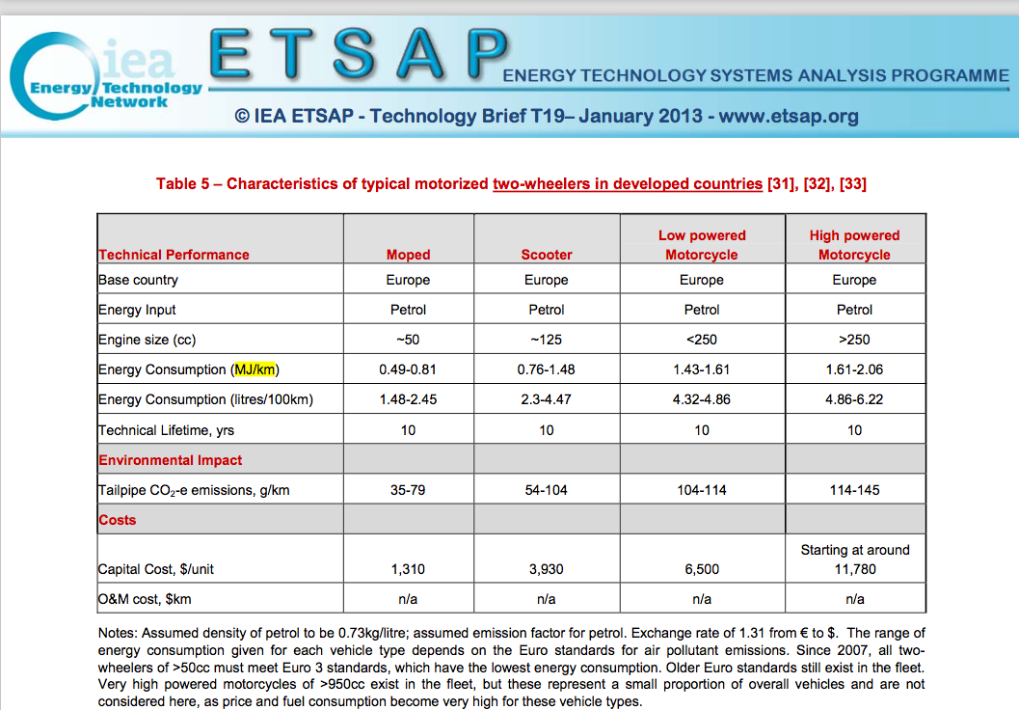
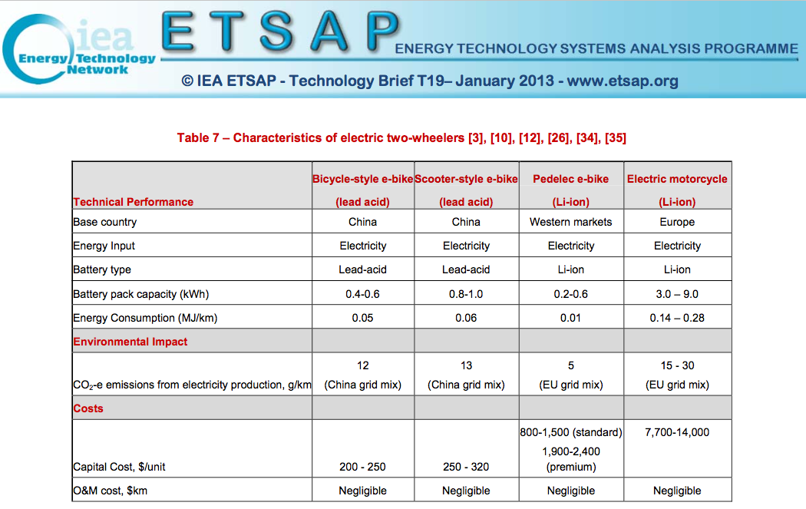
Sources | Notes
 |  | Efficiency |  | Kilometers |  | pkm/vkm
IEA (efficiencies) | Moped | 0.045 | MJ/km | 2348 | km | 1.1 | Note: IEA, took efficiency to be 0.045 instead of 0.06 because numbers are based on Chinese market, not Europe
CBS (vehicle kms) | Motorcycle | 0.21 | MJ/km | 2127 | km | 1.15
CE Delft (pkm/vkm)

 | Weighted average | 0.12342569832 | MJ/km
 |  | 8.1020404468 | km/MJ

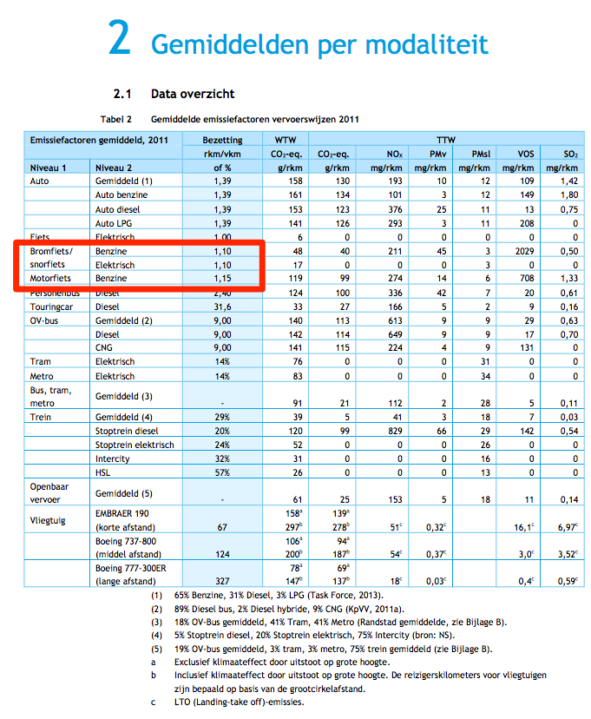
 |  |  |  |  |  | 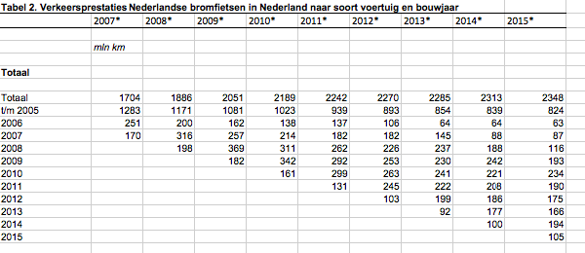
 |  |  |  |  |  |  | Note: CBS reports 1,1 mld passenger kilometers for mopeds/scooters but 2,3 mld vehicle kilometers. Therefore, we calculate passenger kms by multiplying motorcycle and moped vehicle kms (CBS) by their respective occupancy rates (CE Delft)
CBS | vehicle km | 4475 | mln vehicle km
CE Delft |  | 4475000000 | vehicle km
 | passenger km | 5028.85 | mln passenger km
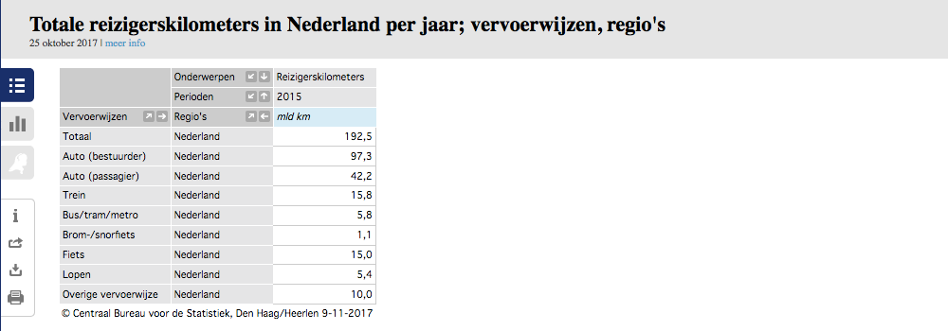
 |  | 5028850000.00 | passenger km

 |  | 1.124 | passenger km/vehicle km

 | output.passenger_kms | 9.1047924248 | passenger km/MJ

