Notes
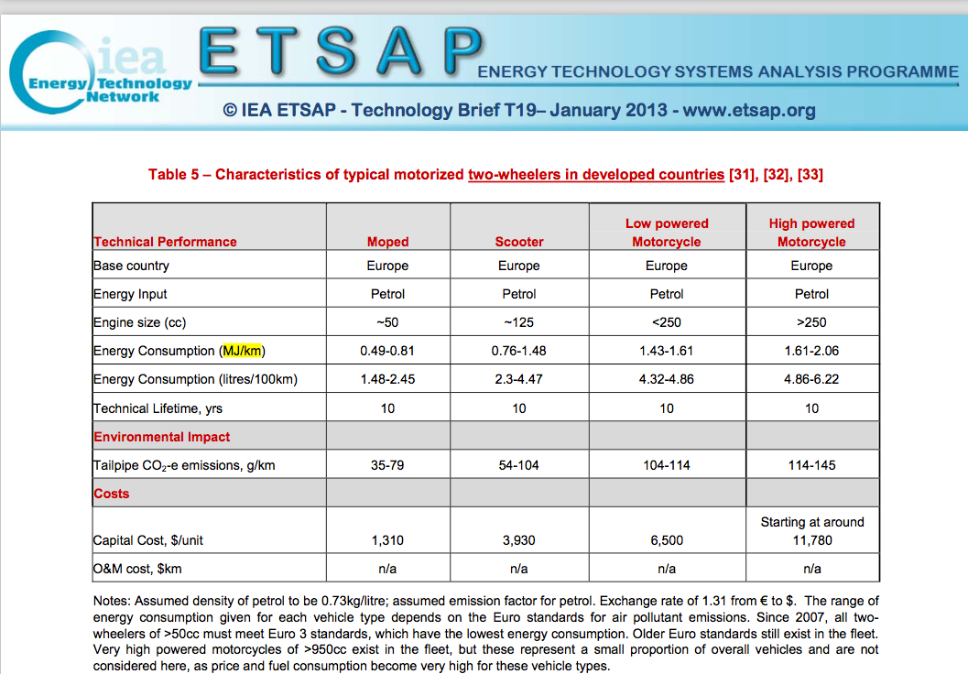
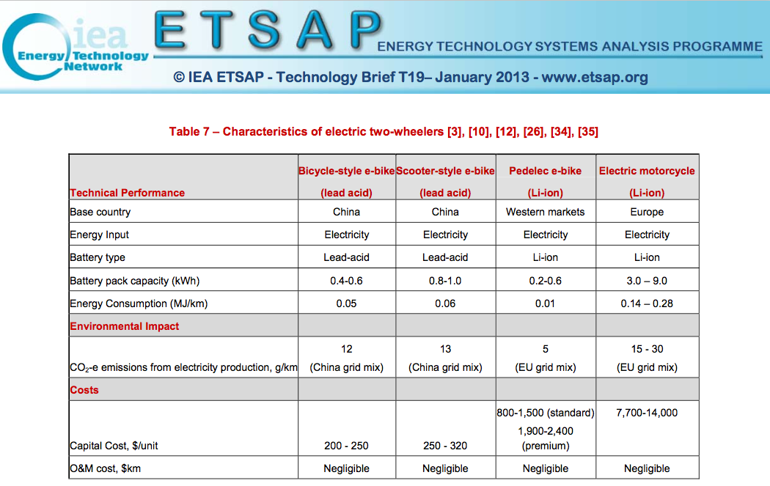
Sources | Notes
 |  | Efficiency |  | Kilometers |  | pkm/vkm
IEA (efficiencies) | Moped | 0.65 | MJ/km | 2348 | km | 1.1
CBS (vehicle kms) | Scooter | 1.12 | MJ/km
CE Delft (pkm/vkm) | Low powered motorcycle | 1.52 | MJ/km | 2127 | km | 1.15
 | High powered motorcycle | 1.835 | MJ/km

 | Weighted average | 1.2616810056 | MJ/km
 |  | 0.79259336993 | km/MJ

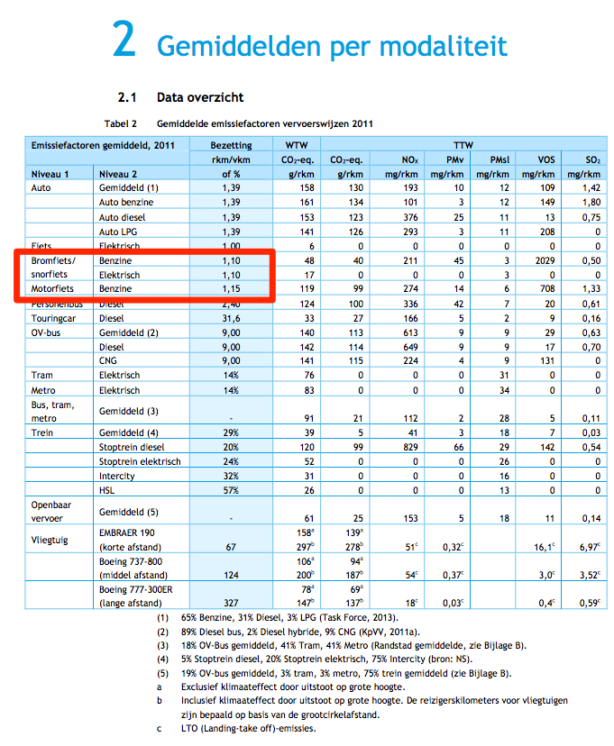
 |  |  |  |  |  | 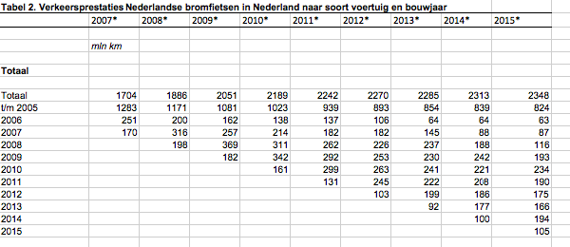
 |  |  |  |  |  |  | Note: CBS reports 1,1 mld passenger kilometers for mopeds/scooters but 2,3 mld vehicle kilometers. Therefore, we calculate passenger kms by multiplying motorcycle and moped vehicle kms (CBS) by their respective occupancy rates (CE Delft)
CBS | vehicle km | 4475 | mln vehicle km
CE Delft |  | 4475000000 | vehicle km
 | passenger km | 5028.85 | mln passenger km
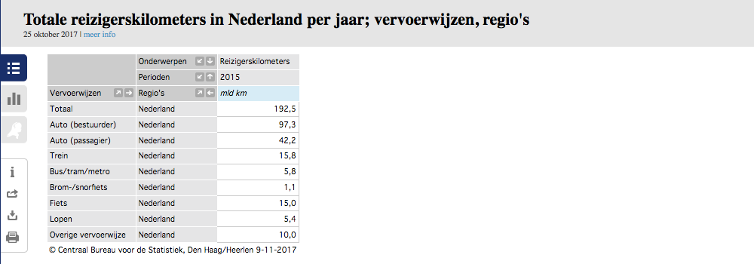
 |  | 5028850000.00 | passenger km

 |  | 1.124 | passenger km/vehicle km

 | output.passenger_kms | 0.89068897618 | passenger km/MJ

