Final demand
 |  |  |  |  |  | Source
Final demand |  |  |  |  |  | http://refman.energytransitionmodel.com/publications/2053
 | Final energy demand of Residences (from energy balance) | TJ | 375,763

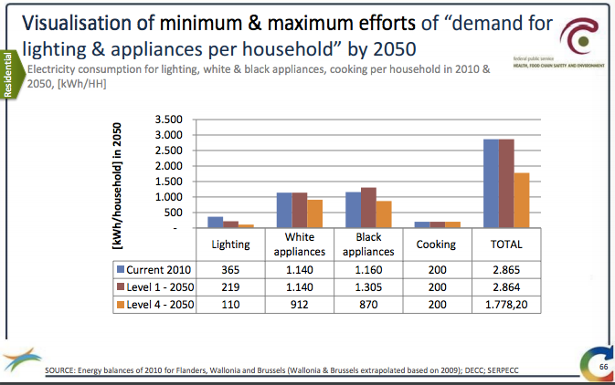
 | Final energy demand for |  | input BE 2013 dataset | NL dataset
 | Space Heating | TJ | 309501 | 292,481
 | Hot Water | TJ | 24003 | 71,971
 | Space Cooling | TJ | 334 | 6,530
 | Lighting | TJ | 5104 | 12,128
 | Cooking | TJ | 4657 | 9,891
 | Electrical Appliances | TJ | 32164 | 57,833

 | Calculations
 |  |  |  |  | comments
 | Lighting | kWh/HH | 365
 | White appliances | kWh/HH | 1,140
 | black appliances | kWh/HH | 1,160
 | cooking | kWh/HH | 333 |  | 200 electricity, 60% cook using electricity (see cooking tab. So total energy for cooking is ~200 kWh/hh/60% = 333 kWh/hh
 | Total electricity |  | 2,998

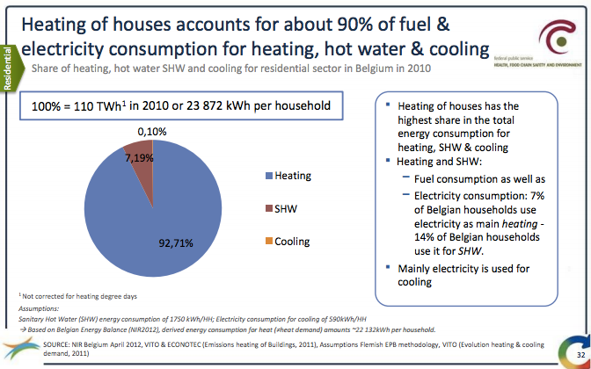
 | Heating |  | kWh/HH | %
 | Total heating |  | 23872
 | Cooling |  | 23.872 | 0.10%
 | Hot water |  | 1716.3968 | 7.2%
 | Heating |  | 22131.7312 | 92.7%

 | Total demand residences |  | 26,870

Space heating
Space Heating |  | input BE 2013 dataset | NL dataset | Comments/assumptions
 | Percentage of useful heat in space heating delivered by |  |  |  | Source
 | Condensing Combi Boiler | 8% | 83.82% | gas boiler new | http://refman.energytransitionmodel.com/publications/2053
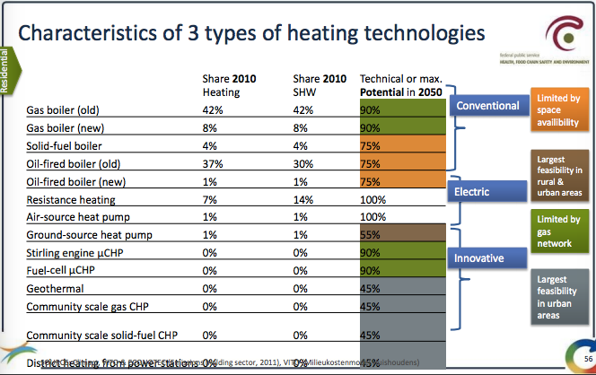
 | solar thermal panels | 0% | 0.24%
 | gas-fired Heat Pump (ground) | 1% | 0.81%
 | gas-fired micro CHP | 0% | 0.00%
 | District Heating | 0% | 2.84%
 | electricity-driven Heat pump (air) | 1% | 3.44%
 | woodpellets (biomass) heaters | 2% | 3.35% | 50 % of Solid-fuel boiler
 | Electric Heaters (resistance) | 7% | 1.15%
 | Gas-fired Heaters | 0% | 3.31% | (source adds up to 101%, correction applied to greatest contributor) (gas boiler old)
 | Oil-fired Heaters | 38% | 1.00% | Old and new oil fired boilers
 | Coal-fired Heaters | 2% | 0.05% | 50 % of solid-fuel boiler
 | Hybrid heatpump |  | 0.00%

Cooling
 |  | input BE 2013 dataset | NL dataset |  | Source
Space Cooling |  |  |  |  | http://refman.energytransitionmodel.com/publications/2053
 | Percentage of useful cooling energy delivered by
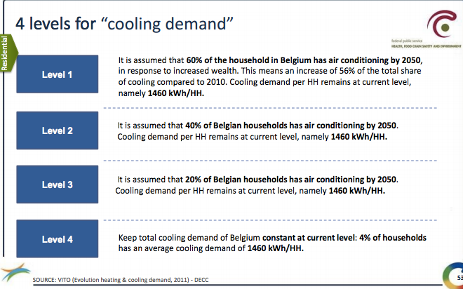
 | heat pumps (ground) | 0.00% | 9.23%
 | heat pumps (air) | 0.00% | 0.00%
 | airconditioning | 100.00% | 90.77% | Klimaat.be is assuming 100% airconditioning in future scenario's that's why I use this in the 2013 scenario as well

