capacity_credit_wind
Source: Wind Energy - The Facts
Downlaoded from: http://www.wind-energy-the-facts.org/capacity-credit-values-of-wind-power.html
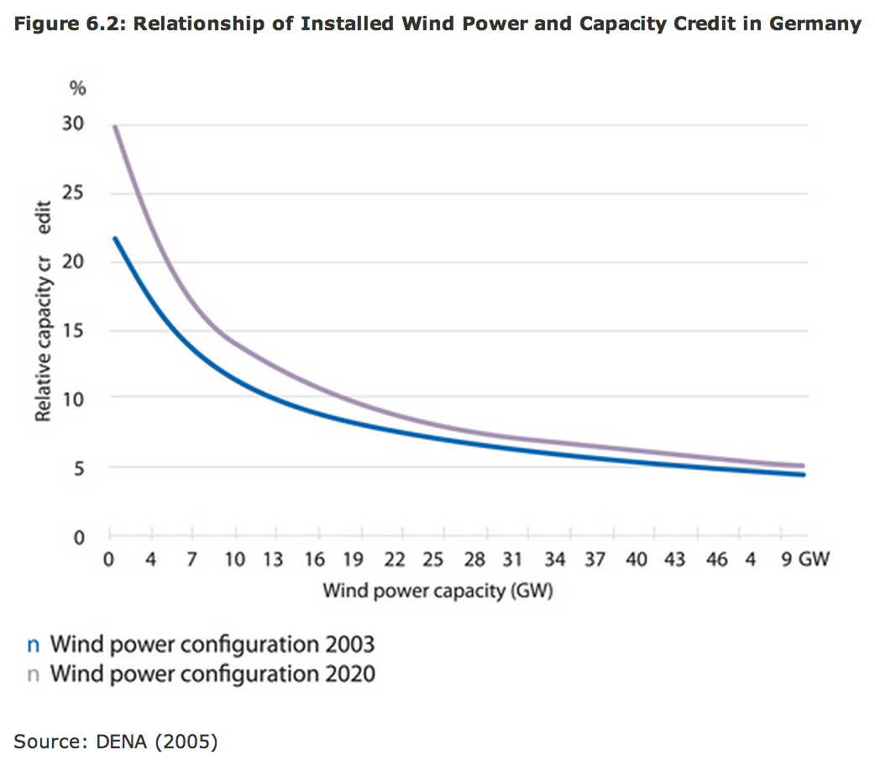
 | I chose to use a capacity curve that is the average between the two curves.
 | I derived the following data points

 | Wind power capacity (MW) | Relative capacity cr
 | 1000 | 0.25
 | 4000 | 0.2
 | 7000 | 0.15
 | 15000 | 0.01
 | 23000 | 0.075
 | 50000 | 0.05

 | I fitted these the following function to these datapoints

 | y = (p1*x + p2)/(x + q1)/x

 | where x is the Wind power capacity in MW and y is the relative capacity credit as a fraction

 | The fit returns the following parameters that can be entered in the area analysis.

 | p1 | 2338.65
 | p2 | 128411
 | q1 | 7828.58

