Electricity
Final electricity demand | 17.00 | Uit ETM input analyse Paddepoel Noord v7

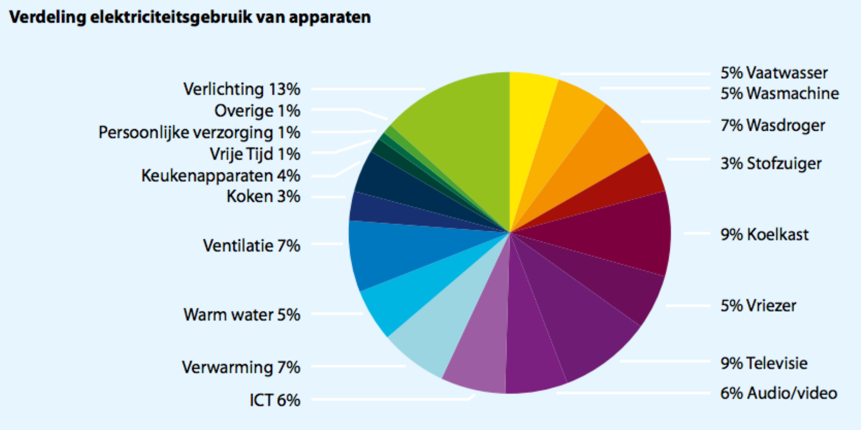
 | Enenrgietrends 2014
vaatwasser | 5.00%
wasmachine | 5.00%
wasdroger | 7.00%
stof. + rest | 3.00%
koelkast | 9.00%
vriezer | 5.00%
televisie | 9.00%
audio/video | 6.00%
ict | 6.00%
verwarming | 7.00%
warmwater | 5.00%
ventilatie | 7.00%
kookapp. | 3.00%
keukenapp. | 4.00%
vrije tijd | 1.00%
pers. verz. | 1.00%
overig | 1.00%
verlichting | 13.00% |  | Source: | Energietrends 2014, page 9 (ECN, Energie-Nederland en Netbeheer Nederland)
totaal |  |  | Hyperlink: | http://refman.et-model.com/publications/2027

The numbers from Energietrends 2014 need to be recast on the ETM categories.
As these numbers do not add up to 100%, they have to be corrected.

Category | Original data | Corrected data | Final electricity demand
Dishwasher | 5.00% | 5.15% | 0.88
Fridges / Freezers | 14.00% | 14.43% | 2.45
Washing Machines | 5.00% | 5.15% | 0.88
Dryers | 7.00% | 7.22% | 1.23
Television | 9.00% | 9.28% | 1.58
Computers / Media | 12.00% | 12.37% | 2.10
Vacuum Cleaners | 3.00% | 3.09% | 0.53
Others | 7.00% | 7.22% | 1.23

Space heating | 7.00% | 7.22% | 1.23
Hot water | 5.00% | 5.15% | 0.88
Lighting | 13.00% | 13.40% | 2.28
Cooking | 3.00% | 3.09% | 0.53
Cooling | 7.00% | 7.22% | 1.23

The numbers in red are used to the 'Final demand per energy carrier' sheet (use Trace Dependents to find their destination)

Heatpumps
Source: | IEA HPP Annex 42: Heat Pumps in Smart Grids,Task 1: Market Overview, The Netherlands, page 23 (Delta, 2014)
Hyperlink: | http://refman.et-model.com/publications/2029


 |  |  |  |  |  |  | Scaled on number of households in area Biezen

 |  |  |  |  |  |  | # of households Biezen | 1330
I have put the hybrids in the heat pump (air) category

Housingtype | Buildingstock | Total installed heat pumps | Hybrids | Electric air- water | Electric water - water | Final heat demand for space heating in GJ | Total final demand for space heating heat pumps (air) (GJ) | Total final demand for space heating heat pumps (ground) (GJ)
Free standing | 187.05439641 | 3.123 | 0.092 | 0.276 | 2.756 | 61 | 22.4 | 168.09
2^1 roof | 158.26265193 | 4.776 | 0.459 | 0.459 | 3.858 | 39 | 35.8 | 150.45
Terraced | 558.00554144 | 3.858 | 0.276 | 0.459 | 3.123 | 31 | 22.8 | 96.81
Multi family | 426.67741022 | 2.572 | 0.092 | 0.919 | 1.561 | 16 | 16.2 | 24.98
Total tm 2012 | 1330 | 14.329 | 0.919 | 2.113 | 11.298 | 38
 |  |  |  |  |  | Total | 97.18 | 440.33

Housingtype | Buildingstock | Total installed heat pumps | Hybrids | Electric air- water | Electric water - water | Final heat demand for space heating in GJ | Total final demand for space heating heat pumps (air) (GJ) | Total final demand for space heating heat pumps (ground) (GJ)
Free standing | 1018251 | 17000 | 500 | 1500 | 15000 | 61 | 122000 | 915000
2^1 roof | 861520 | 26000 | 2500 | 2500 | 21000 | 39 | 195000 | 819000
Terraced | 3037564 | 21000 | 1500 | 2500 | 17000 | 31 | 124000 | 527000
Multi family | 2322665 | 14000 | 500 | 5000 | 8500 | 16 | 88000 | 136000
Total tm 2012 | 7240000 | 78000 | 5000 | 11500 | 61500 | 38
 |  |  |  |  |  | Total | 529000 | 2397000

