Notes
Source | Page | Notes

Alkaline electrolysis as of now has larger capacities, higher efficiencies and is cheaper than PEM electrolysis. In the future, however, since it is easier to upscale and more progress is to be made, PEM electrolysis will probably be the preferred option. We model an alkaline electrolyzer.
This electrolysis plant is based on a 10 MW alkaline electrolyser.

Quintel |  | 7533.6 | hrs | FLH

Hydrogenics |  |  | 40 | ft | container per
 |  |  | 0.5 | MW | unit
 |  |  | 29.768 | m2 | per 40 ft container
 |  |  | 800 | ft per | 10 | MW
 |  |  | 23814.4 | m2
 |  | 0.0238144 | km2 | land_use_per_unit
Enea, p.40
 |  | 10 | MW | typical_input_capacity

 |  | 0.66 |  | output.hydrogen

 |  | 25 | yrs | technical_lifetime

Enea, p.33-34 | 89

 | CAPEX | 1000 | euro/kwe
 |  | 10000000 | euro | investment excl storage
 |  | 10312195.513 | euro | investment incl storage (see below)

 |  | 0.015 | % | of CAPEX/year equals fixed OPEX, excluding stack replacement
 |  | 6000 | euro | fixed o&m, excluding stack replacement

 |  | Cell stack replacement | 30% | of CAPEX
 |  |  | 3000000 | euro

 |  | Hours of operation per year | 4800 | hours/year | assumption
 |  | Cell stack replacement after | 60000 | hours
 |  | Replacement every | 12.5 | years

 |  | Replacements in lifetime | 1 | (first cell stack is included in initial investment)
 |  | Replacement costs | 3000000
 |  | Replacement costs per year | 120000

 |  | fixed_operation_and_maintenance_costs_per_year | 126000
 |  | variable_operation_and_maintenance_costs_per_full_load_hour | 0 | Assumption. In reality stack replacement is correlated with FLH, but only information about replacement costs per hour of operation (not per full load hour) is available

 |  | wacc | 8%
 |  | decommissioning costs | 0 | Assumed in total CAPEX

Storage costs |  |  | Northern Gas Networks (2017): H21 Leeds City Gate

Intraday Salt Caverns: |  | 77000000 | GBP per | 1.2 | Mm3
 |  | 64166666.667 | GBP per Mm3
 |  | 2.2 | Mm3 / 5.2 GW |  | storage needed (calculated in study: The Take-off of Synthetic Kerosene Production in the Netherlands by Quintel Intelligence)
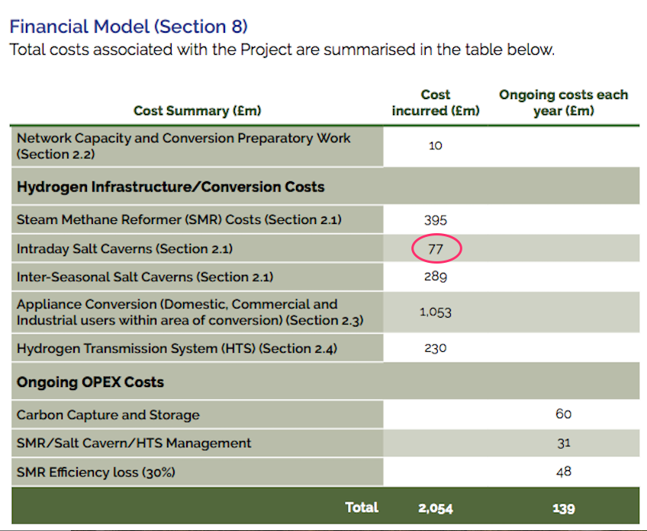
 |  | 0.0042307692308 | Mm3 | per p2g unit

 |  | 271474.35897 | GBP / unit
 |  | 1.15 | euro/ GBP
 |  | 312195.51282 | euro / unit

DOE Assumptions
For reference, the DOE model for PEM Electrolysis (note this is not alkaline electrolysis)

 |  | 1 | yr | construction time |  |  | Assumed in: | Department of Energy
 |  |  |  |  |  |  |  | Hydrogen and Fuel Cells Program
 |  |  |  |  |  |  |  | 01D_Current_Forecourt_Hydrogen_Production_from_PEM_Electrolysis_version_3.1
 |  |  |  |  |  |  |  | input_Sheet_template

