Notes
Source | Page | Notes

Constants
Molar masses
H2 |  | 2.016 | g/mol
CO |  | 28 | g/mol
CO2 |  | 44 | g/mol
C11H24 |  | 156.192 | g/mol
O2 |  | 32 | g/mol
CH3OH |  | 32.032 | g/mol
C2H5OH |  | 46.048 | g/mol | 0.789 | kg/l

technical_lifetime |  | 25 |  | yr
full_load_hours |  | 8000 |  | hr/yr
energy density CO |  | 10 |  | MJ/kg

Source | Page | Notes

input.electricity |  | 0.61
input.useable_heat |  | 0.39
output.co |  | 0.82 |  | gedefinieerd ahv energy density CO
output.loss |  | 0.18

Source | Page | Notes

Typical_input_capacity
Density CO | 1.14 | kg/m3

Electricity | 0.3848 | kwh/m3 CO |  | (VPSA Tech, CE Delft, COSORB) |  | 0.2-0.5 kwh/m3 |  | 40-70% of 0.49
 | 0.33754385965 | kwh/kg CO
 | 337.54385965 | kwh/t CO
compression | 45 | kwh/t CO |  | for compression to 20 bar
Total | 382.54385965 | kwh/t CO

Power | 30.429625199 | Mwe

Heat | 1 | MJ/Nm3 CO |  | (CE Delft, COSORB) |  | 0.0315 | kg steam | VPSA Tech
 | 0.87719298246 | MJ/kg CO
 | 1.0235624066 | MJ NG /kg CO |  | if 85.7% efficient natural gas fired steam boiler
 | 0.24612597712 | kwh/kg CO |  | if 99% efficient electric steam boiler

Source | Page | Notes

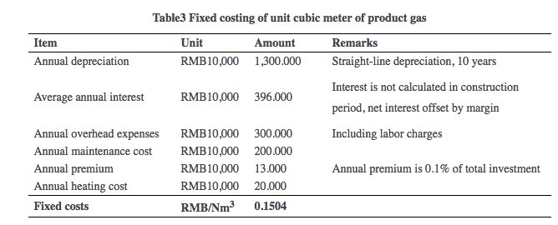
Total fixed cost (investment + O&M) | 0.1504 | RMB/Nm3 CO |  | (VPSA Tech)
 | 0.13192982456 | RMB/kg |  | (VPSA Tech)
 | 17.810526316 | M€/t CO

Annual depreciation (10yr) | 10.387476093 | M€/t CO
Investment | 103874760.93 | €

Maintenance cost (200/2229) | 1.598073245 | M€/t CO
Heating cost (20/2229) | 0.1598073245 | M€/t CO
Overhead expenses (300/2229) | 2.3971098675 | M€/t CO
Total fixed annual O&M | 4.1549904371 | M€/t CO
 | 2644084.8236 | €

Investment AND O&M | 283.3492823 | M€
 | 283349282.3 | €

 |  |  |  |  |  |  |  |  | Total = 2229000 RMB/m3 product gas

