Notes
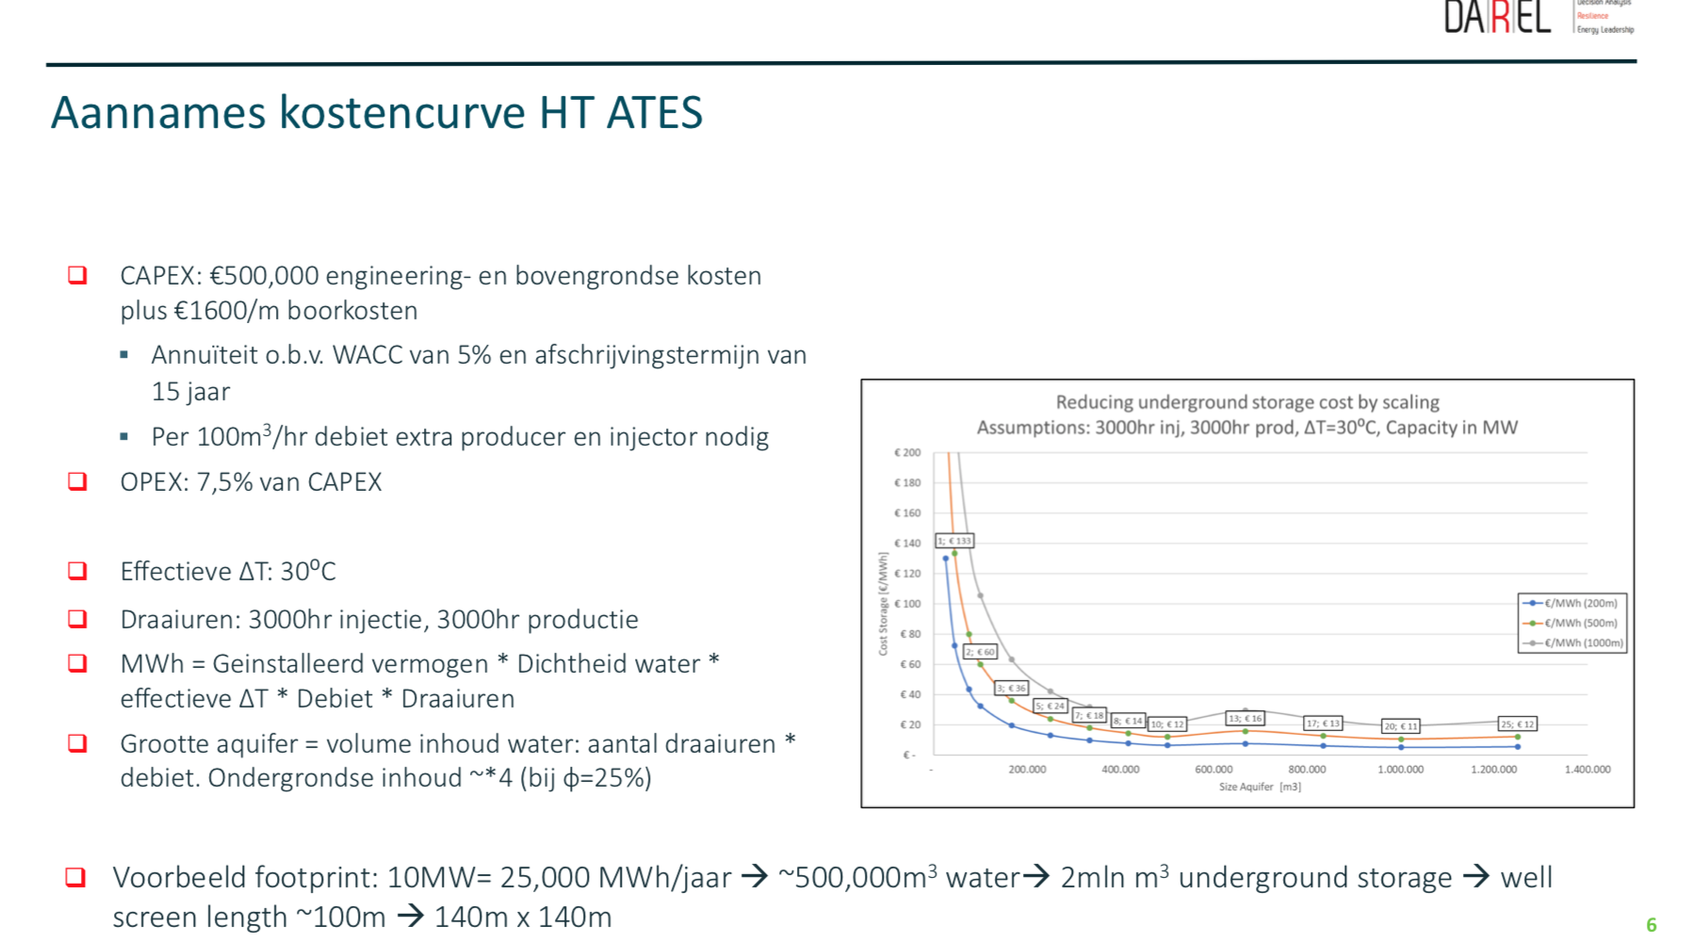
Source | Notes

Kosten bron: DAREL
Hogetemerpatuur Aquifer Thermal Storage (HT-ATES)

Vermogen en opslag volume van deze opslag volgt uit berekening wat nodig is
Daarom worden gemiddelde waarden aangenomen

 | cost_per_mwh | 20 | euro/MWh

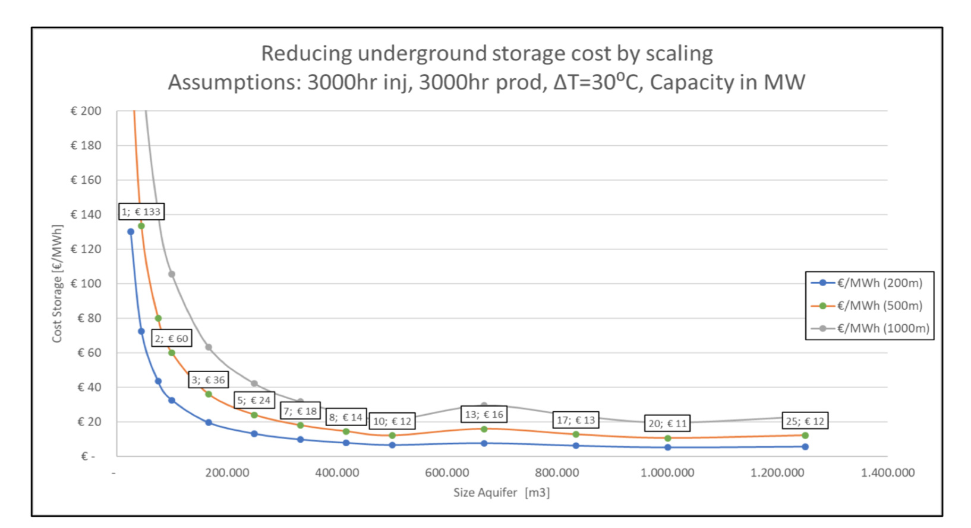

Verliezen bron: Ecovat

Ecovat heeft jaarlijks gemiddeld 15% verliezen (interview Ecovat)
In het ETM kan je verliezen per uur instellen, dus deze jaarlijkse verliezen moeten we terugrekenen per uur

 |  | 15% | verliezen per jaar
 |  | 8760 | uur per jaar
 |  | 0.00186% | verliezen per uur

