Notes
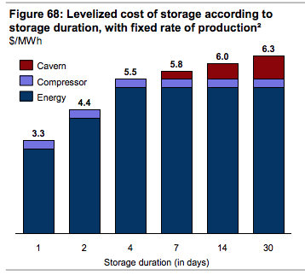
Source | Notes

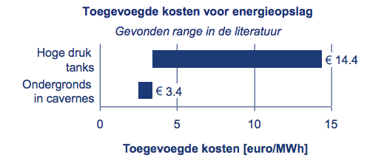
Source: Berenschot (2017)

storage.cost_per_mwh |  | 3.4 | euro

Source: Northern Gas Networks (2017): H21 Leeds City Gate

 |  |  |  |  |  | 1.1091 | euro/GBP | (4 sept 2018) https://www.xe.com/currencycharts/?from=GBP&to=EUR
interseasonal storage |  | 0.00041125910747 | M GBP/MWh
intraday storage |  | 0.019784172662 | M GBP/MWh
storage.cost_per_mwh |  | 456.12747609 | euro/MWh
 |  | 0.45612747609 | euro/kWh

Source: Kalavasta (2018)

technical_lifetime |  | 40 | years

OPEX is 5% of CAPEX
 |  | 0.57015934512 | euro/MWh/year
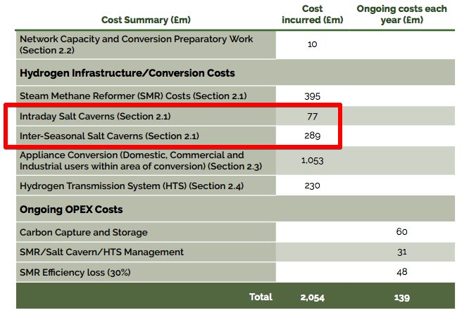

transmission costs |  | 1 | M GBP / km
length transmission system?? |  | 30 | km

Source: SBC Energy Institute (2014)

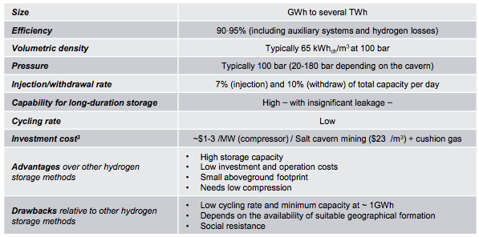
investment_costs |  |  | 23 | $ per m3
(depending on max storage volume) |  |  | 0.35384615385 | $ per kWh
 |  |  | 353.84615385 | $ per MWh

full_load_ hours |  |  | 8760 | hrs

fixed O&M per volume |  |  | 5.5 | $ per MWh | (costs for energy and compressor)

