Notes
Source | Notes

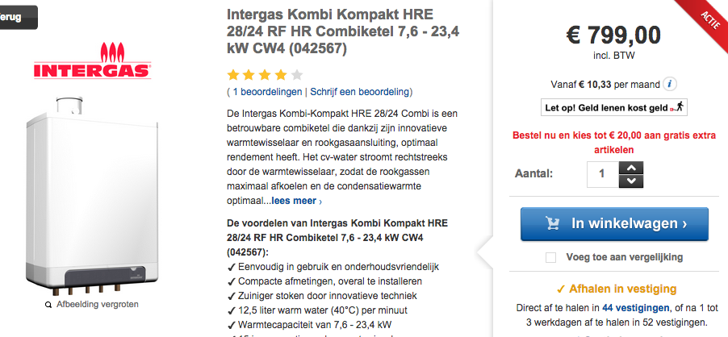
warmteservice

 |  |  | 799 | euros

 |  |  | 15 | yr

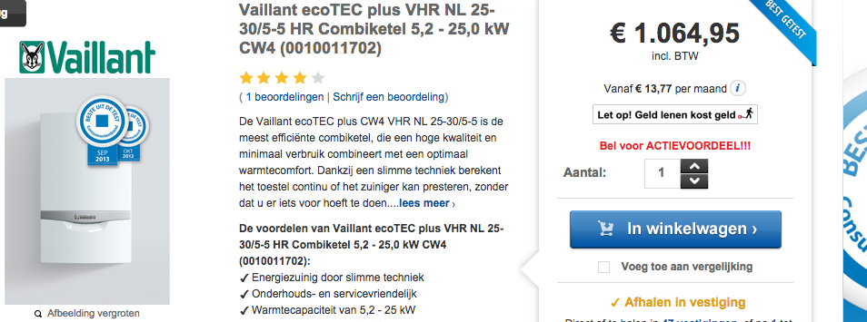

 |  |  | 1064.95 | euros

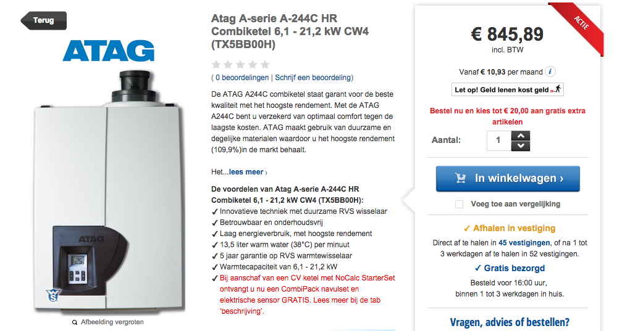

 |  |  | 849.89 | euros

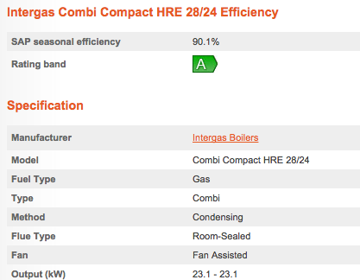
homeheatingguide

 |  |  |  | 90.10 | %

 |  |  |  | 23.10 | KW

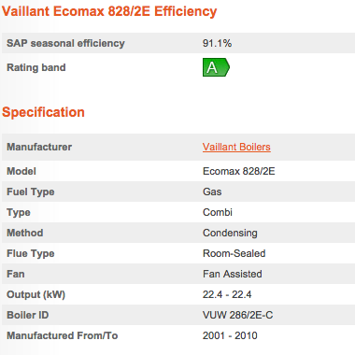

 |  |  |  | 91.10 | %

 |  |  |  | 22.40 | KW

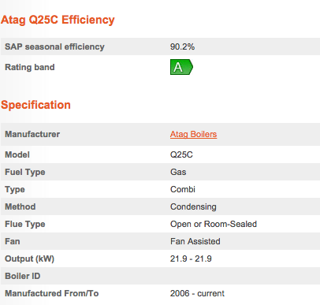

 |  |  |  | 90.20 | %

 |  |  |  | 21.90 | KW

Vesta Functioneel Ontwerp 4.0

investment_costs |  | 2134.39

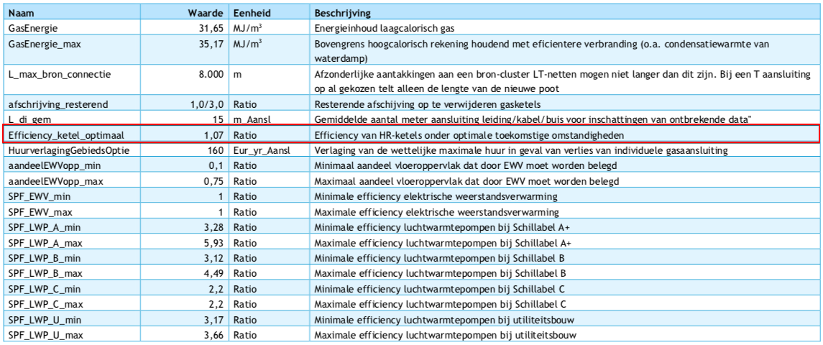

Output useable heat |  | 1.07

