Notes
Source | Notes

ISSO 72 and Quintel calc |  |  |  | Note
 | buffer time | 10 | min
 | output capacity | 10 | kW output
 | specific capacity water | 4.18 | kJ/oC/l
 | temperature difference system | 10 | oC | Educated guess based on various sources
 | volume of buffer | 143.5 | liter
 | conversion kJ to kWh | 3600000.0 | kJ to kWh
 | storage.volume | 0.0017 | MWh

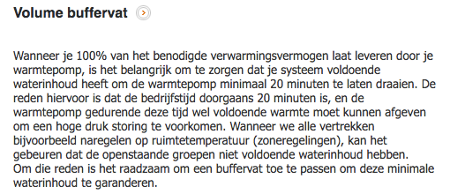
Warmtepompforum | buffer time | 20 | min
 | output capacity | 10 | kW output
 | specific capacity water | 4.18 | kJ/oC/l
 | temperature difference system | 10 | oC | Educated guess based on various sources
 | volume of buffer | 287.1 | liter
 | conversion kJ to kWh | 3600000.0 | kJ to kWh
 | storage.volume | 0.0033 | MWh

DHPA | storage.volume | 0 | MWh | Hot water boiler vessel used as storage device to protect compressor
 | cost_of_installing | 1500 | euro
 | Initial investment (including boiler) | 13000 | euro
 | Costs for boiler | 253.6 | euro | See documentation Households water heater heatpump ground water electricity
 | initial_investment | 12746 | euro

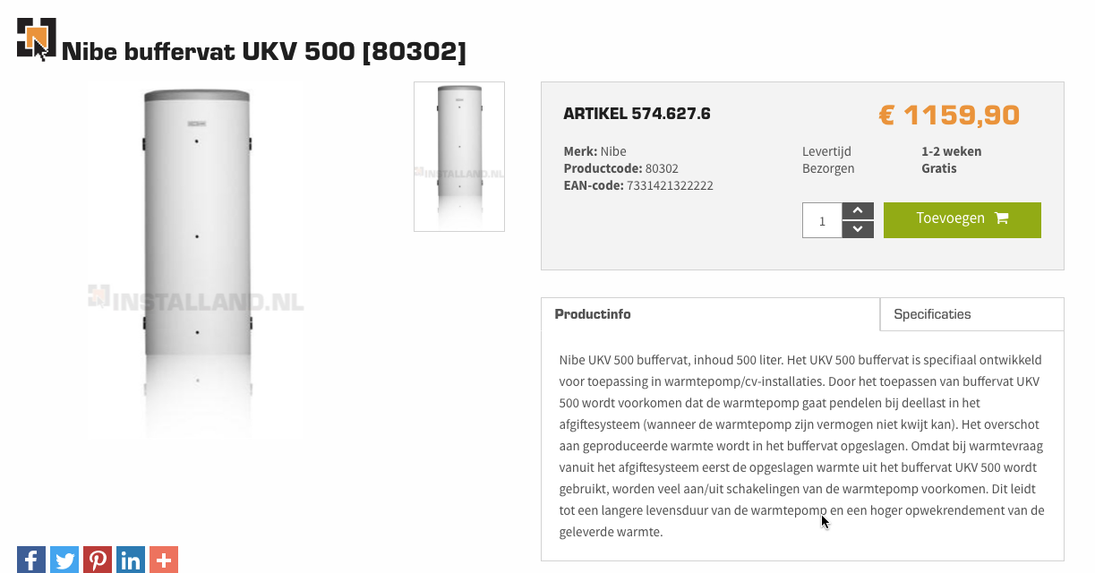
Installand
 | specific heat capacity of water | 4.18 | kJ/oC/l
 | delta T | 10 | oC
 |  | 41.8 | kJ/l
 |  | 3600000 | kJ/MWh
 |  | 0.00001 | MWh/liter
 |  | 500 | liter
 | costs including VAT | 1159 | euro
 | costs excluding VAT | 957.85 | euro
 | costs/liter | 1.916 | euro/liter

 | storage.cost_per_mwh | 164989 | euro/MWh

Nefit |  | 300 | liter
 | costs excluding VAT | 539.00 | euro
 | costs/liter | 1.797 | euro/liter

 | storage.cost_per_mwh | 154737 | euro/MWh

Vesta Functioneel Ontwerp 4.0
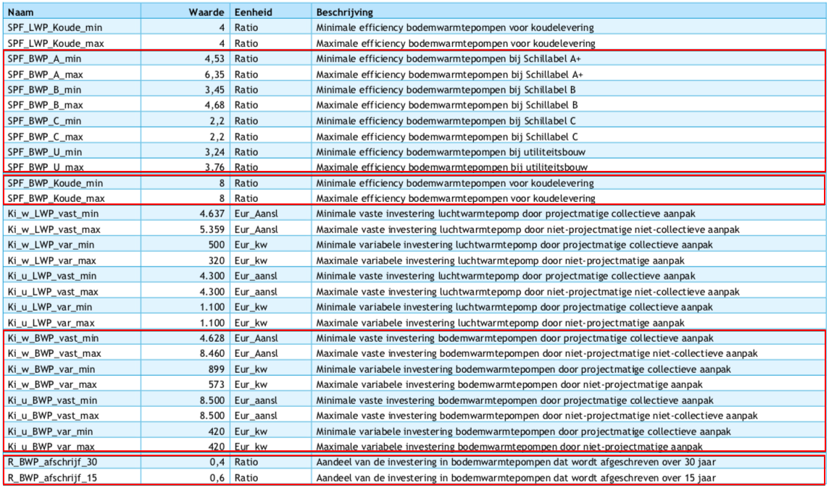
 | vaste investeringskosten min | 4628 | euro/aansluiting | Ki_w_BWP_vast_min
 | variable investeringskosten min | 573 | euro/kW | Ki_w_BWP_var_max
 | totale investeringskosten min | 10358

 | vaste investeringskosten max | 8460 | euro/aansluiting | Ki_w_BWP_vast_max
 | variable investeringskosten max | 899 | euro/kW | Ki_w_BWP_var_min
 | totale investeringskosten max | 17450

gemiddelde nemen! | investment_costs | 13904 | euro/unit
 | dit is inclusief de cost_of_installing, dus die gaat naar nul

 | LETOP: het lijkt erop alsof de variable kosten zijn omgewisseld tussen min/max

