Notes
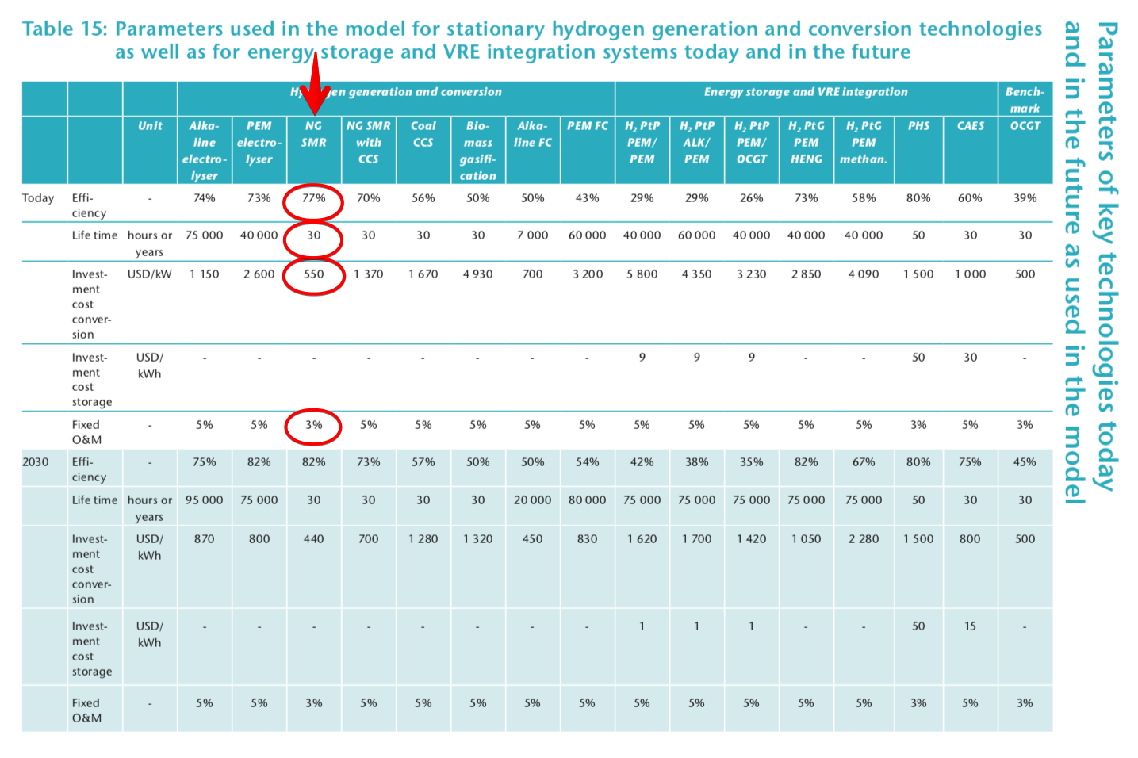
Source | Page | Notes
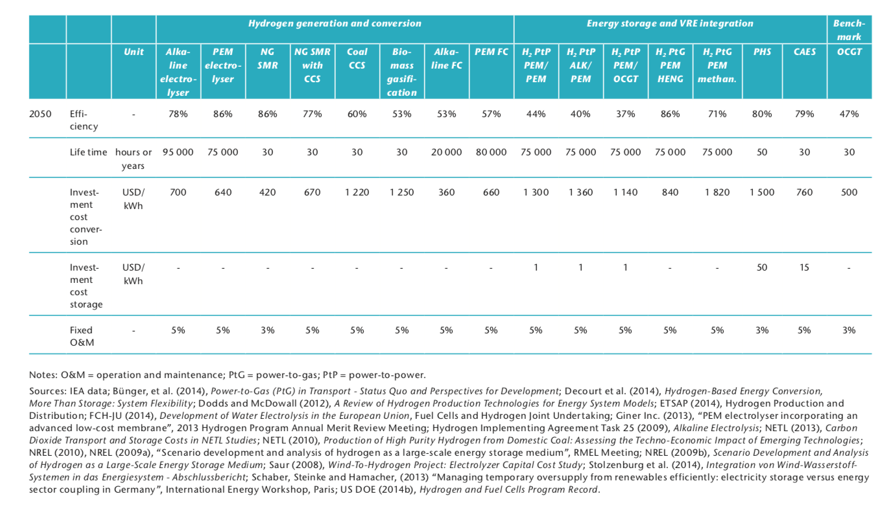

This central steam methane reforming plant is based on the Air Liquide plant in the Botlek area. It is CCS-ready, so it will also be the reference plant for the Steam methane reformer with CCS converter.

IEA Technology Roadmap Hydrogen and Fuel Cells

 |  | 1 |  | input.natural_gas
 |  | 0 |  | input.electricity
 |  | MV: The input of electricity will be neglected for now, since this causes circularities in the model! (20180214)
 |  | 0.77 |  | output.hydrogen

 |  | 30 |  | life time

 |  | 550 | dollar/kW
 |  | 123750000 | dollar | initial investment
 |  | 105435801.31 | euro | initial investment

 |  | 3 | % | Fixed O&M
 |  | 3163074.0394 | euro | Fixed O&M
 |  | 105435.80131 | euro | FIxed O&M / year
 |  | MV: Assuming that all O&M costs are included in the Fixed O&M

 |  | 225 | MW | In table 15 an efficiency of 77% is used for the SMR plant (without CCS), so looking at table 9 the capacity should be around 225 MW

Compendium of Hydrogen Energy Volume 4: Hydrogen Use, Safety and the Hydrogen Economy

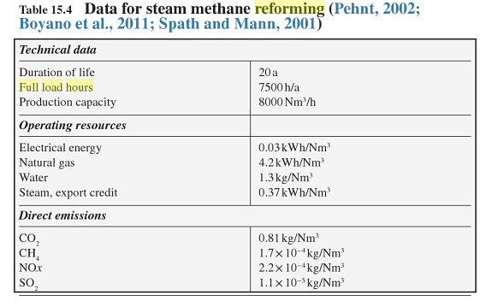
p.347
 |  | 7500 | FLH/yr

 |  |  |  |  | Exchange rate | Unit | Value | Definition | Date | Source

User set parameters |  | 1.174 | USD/eur | USD-euro conversion ratio | dollar_per_euro | USD/EUR | 1.174 | Running Month Average | 06/04//2018 | http://www.ecb.europa.eu/stats/exchange/eurofxref/html/eurofxref-graph-usd.en.html
2012 USD
261300 kg/day production
No taxes
No inflation
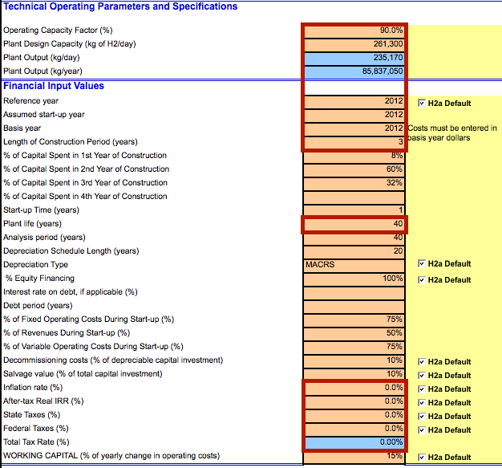

NOT USED
 |  | 90 | % | Operating Capacity Factor
 |  | 0.9 |  | Availability
 |  | 7500 | FLH/yr

 |  | 30 | yr | technical lifetime
 |  | 3 | yr | construction time

 |  | 10 | % | of depreciable capital investment
 |  | 0.1 |  | decommissioning factor

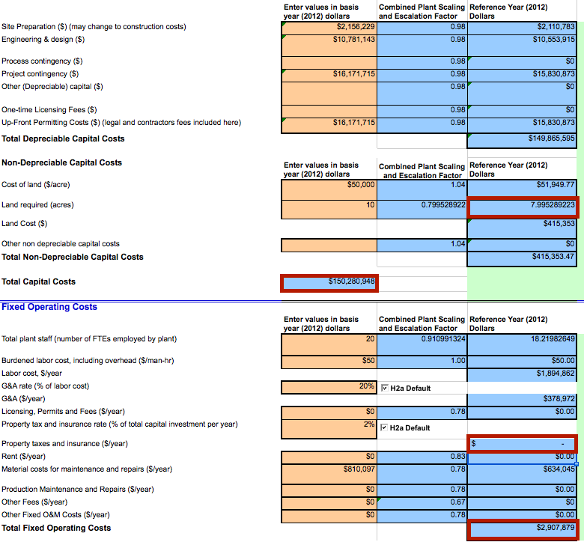

NOT USED
 |  | 149865595 | USD | total depreciable capital costs
 |  | 127686457.36 | euro | total depreciable capital costs
 |  | 12768645.736 | euro | decommissioning costs

 |  | 7.995289223 | acres | land use per plant
 |  | 0.032355816145 | km2 | land use per plant

 |  | 150280948 | USD | initial investment
 |  | 128040340.8 | euro | initial investment

NOT USED
 |  | 2907879 | USD/yr | fixed operating and maintenance costs per year
 |  | 2477531.7372 | euro/yr | fixed operating and maintenance costs per year

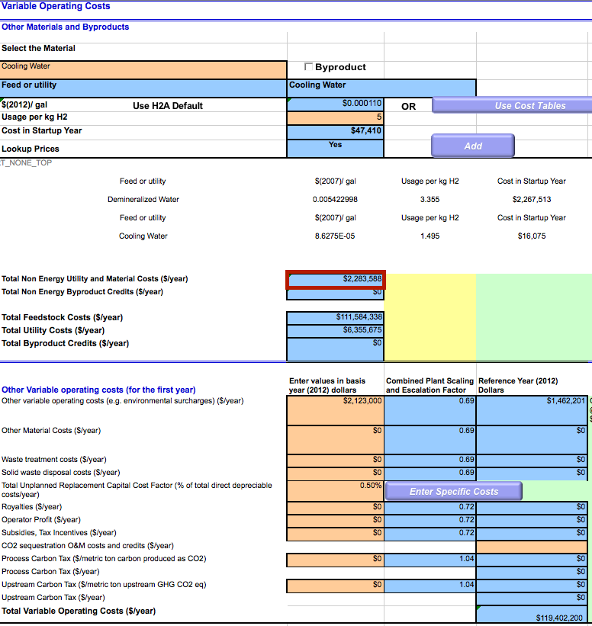

 |  | MV: Assuming that all O&M costs are included in the Fixed O&M

 |  | 0 | USD/yr | variable operating and maintenance costs per year
 |  | 0 | euro/yr | variable operating and maintenance costs per year
 |  |  |  | does not include feedstock and utility cost, as the ETM calculates that already

 |  | 0 | MJ/yr | yearly production
 |  | #DIV/0! | euro/MJ | variable operating and maintenance costs per MJ
 |  | 0 | euro/FLH | variable operating and maintenance costs per FLH

Expert data
 |  | 0.12285714286 |  | output.useable_heat
 |  |  |  |  | Energy demand for Air separation and NH3 synthesis |  |  |  | 4.3 | GJ/tonne NH3
 |  |  |  |  | Energy demand for SMR |  |  |  | 35 | GJ/tonne NH3

 |  |  |  |  | Assumed that the air separation and NH3 synthesis is powered by waste heat from SMR

